RPRD2 _multivariate
Reported by Tex Li-Hsing Chi. tex@gate.sinica.edu.tw 2019-08-16

Table 2. The clinicopathological features of HNSCC cohort and RPRD2 expression. (Chi square test)
Cutoff at -0.207 (49.8%)
 |  | RPRD2 expression |  | RPRD2 expression |  | (Optimised)
 | Features | Low | (%) | High | (%) | Case no | P-value | Remark | Matthews
Gender | Female | 145 | 34.9 | 161 | 38.8 | 415 | 0.1116 | 0 | 0
2 | Male | 62 | 14.9 | 47 | 11.3
Age at diagnosis | <=65y | 132 | 31.8 | 142 | 34.2 | 415 | 0.3874 | 0 | 0
4 | >65y | 75 | 18.1 | 66 | 15.9
Clinical T Status | T1+T2 | 75 | 18.1 | 74 | 17.8 | 415 | 0.9707 | 0 | 0
6 | T3+T4 | 132 | 31.8 | 134 | 32.3
Clinical N Status | N0 | 113 | 27.2 | 103 | 24.8 | 415 | 0.3495 | 1 | 0
8 | N1-3 | 94 | 22.7 | 105 | 25.3
Clinical M Status | M0 | 204 | 49.2 | 208 | 50.1 | 415 | 0.1232 | 0 | 0
10 | M1 | 3 | 0.7 | 0 | 0
Clinical Stage | Stage I+II | 56 | 13.5 | 46 | 11.1 | 415 | 0.2918 | 0 | 0
12 | Stage III+IV | 151 | 36.4 | 162 | 39
Surgical Margin status | Negative | 158 | 38.1 | 160 | 38.6 | 415 | 0.9081 | 0 | 0
14 | Positive | 49 | 11.8 | 48 | 11.6
Tobacco Exposure | Low | 91 | 21.9 | 70 | 16.9 | 415 | 0.0346 | 1 | 0
16 | High | 116 | 28 | 138 | 33.3

Table 3. Univariate/Multivariate Cox's proportional hazards regression analyses on OS time of RPRD2 gene expression in HNSCC

 |  | Univariate |  |  |  | Multivariate
 | Features | HR | CI95%(L) | CI95%(H) | P-value | HR | CI95%(L) | CI95%(H) | P-value
1 | Female | 1 |  |  |  | 1
Gender | Male | 1.157 | 0.843 | 1.587 | 0.367 | 1.219 | 0.872 | 1.703 | 0.247
11 | <=65y | 1 |  |  |  | 1
Age at diagnosis | >65y | 1.329 | 0.99 | 1.784 | 0.058 | 1.405 | 1.033 | 1.912 | 0.03
12 | T1+T2 | 1 |  |  |  | 1
Clinical T Status | T3+T4 | 1.409 | 1.028 | 1.931 | 0.033 | 2.267 | 1.196 | 4.297 | 0.012
13 | N0 | 1 |  |  |  | 1
Clinical N Status | N1-3 | 1.185 | 0.89 | 1.577 | 0.246 | 1.243 | 0.871 | 1.774 | 0.231
14 | M0 | 1 |  |  |  | 1
Clinical M Status | M1 | 4.097 | 1.009 | 16.644 | 0.049 | 10.498 | 2.252 | 48.93 | 0.003
15 | Stage I+II | 1 |  |  |  | 1
Clinical Stage | Stage III+IV | 1.245 | 0.882 | 1.759 | 0.213 | 0.485 | 0.225 | 1.045 | 0.065
16 | Negative | 1 |  |  |  | 1
Surgical Margin status | Positive | 1.591 | 1.155 | 2.191 | 0.004 | 1.671 | 1.21 | 2.309 | 0.002
17 | Low | 1 |  |  |  | 1
Tobacco Exposure | High | 1.364 | 1.008 | 1.844 | 0.044 | 1.442 | 1.047 | 1.987 | 0.025
18 | Low | 1 |  |  |  | 1
RNAseq(z-score) | High | 1.091 | 0.818 | 1.456 | 0.553 | 1.158 | 0.861 | 1.558 | 0.331

Table 4. Univariate/Multivariate Cox's proportional hazards regression analyses on RFS time of RPRD2 gene expression in HNSCC

 |  | Univariate |  |  |  | Multivariate
 | Features | HR | CI95%(L) | CI95%(H) | P-value | HR | CI95%(L) | CI95%(H) | P-value
1 | Female | 1 |  |  |  | 1
Gender | Male | 1.157 | 0.843 | 1.587 | 0.367 | 1.219 | 0.872 | 1.703 | 0.247
11 | <=65y | 1 |  |  |  | 1
Age at diagnosis | >65y | 1.329 | 0.99 | 1.784 | 0.058 | 1.405 | 1.033 | 1.912 | 0.03
12 | T1+T2 | 1 |  |  |  | 1
Clinical T Status | T3+T4 | 1.409 | 1.028 | 1.931 | 0.033 | 2.267 | 1.196 | 4.297 | 0.012
13 | N0 | 1 |  |  |  | 1
Clinical N Status | N1-3 | 1.185 | 0.89 | 1.577 | 0.246 | 1.243 | 0.871 | 1.774 | 0.231
14 | M0 | 1 |  |  |  | 1
Clinical M Status | M1 | 4.097 | 1.009 | 16.644 | 0.049 | 10.498 | 2.252 | 48.93 | 0.003
15 | Stage I+II | 1 |  |  |  | 1
Clinical Stage | Stage III+IV | 1.245 | 0.882 | 1.759 | 0.213 | 0.485 | 0.225 | 1.045 | 0.065
16 | Negative | 1 |  |  |  | 1
Surgical Margin status | Positive | 1.591 | 1.155 | 2.191 | 0.004 | 1.671 | 1.21 | 2.309 | 0.002
17 | Low | 1 |  |  |  | 1
Tobacco Exposure | High | 1.364 | 1.008 | 1.844 | 0.044 | 1.442 | 1.047 | 1.987 | 0.025
18 | Low | 1 |  |  |  | 1
RNAseq(z-score) | High | 1.091 | 0.818 | 1.456 | 0.553 | 1.158 | 0.861 | 1.558 | 0.331

Kaplan-Meier survival estimate: Cutoff at -0.207 (49.8%)



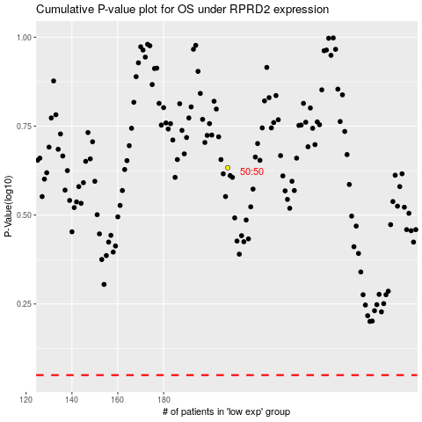

 |  |  |  |  |  | cases_OS | p_OS | rank | exp
 |  |  |  |  |  |  | cases_RFS | p_RFS | rank | exp

