RPS15A _multivariate
Reported by Tex Li-Hsing Chi. tex@gate.sinica.edu.tw 2019-08-16

Table 2. The clinicopathological features of HNSCC cohort and RPS15A expression. (Chi square test)
Cutoff at -0.309 (49.8%)
 |  | RPS15A expression |  | RPS15A expression |  | (Optimised)
 | Features | Low | (%) | High | (%) | Case no | P-value | Remark | Matthews
Gender | Female | 147 | 35.4 | 159 | 38.3 | 415 | 0.2523 | 0 | 0
2 | Male | 60 | 14.5 | 49 | 11.8
Age at diagnosis | <=65y | 137 | 33 | 137 | 33 | 415 | 1 | 0 | 0
4 | >65y | 70 | 16.9 | 71 | 17.1
Clinical T Status | T1+T2 | 82 | 19.8 | 67 | 16.1 | 415 | 0.1417 | 0 | 0
6 | T3+T4 | 125 | 30.1 | 141 | 34
Clinical N Status | N0 | 102 | 24.6 | 114 | 27.5 | 415 | 0.3031 | 0 | 0
8 | N1-3 | 105 | 25.3 | 94 | 22.7
Clinical M Status | M0 | 207 | 49.9 | 205 | 49.4 | 415 | 0.2482 | 0 | 0
10 | M1 | 0 | 0 | 3 | 0.7
Clinical Stage | Stage I+II | 55 | 13.3 | 47 | 11.3 | 415 | 0.4087 | 0 | 0
12 | Stage III+IV | 152 | 36.6 | 161 | 38.8
Surgical Margin status | Negative | 166 | 40 | 152 | 36.6 | 415 | 0.1042 | 0 | 0
14 | Positive | 41 | 9.9 | 56 | 13.5
Tobacco Exposure | Low | 93 | 22.4 | 68 | 16.4 | 415 | 0.0118 | 1 | 0
16 | High | 114 | 27.5 | 140 | 33.7

Table 3. Univariate/Multivariate Cox's proportional hazards regression analyses on OS time of RPS15A gene expression in HNSCC

 |  | Univariate |  |  |  | Multivariate
 | Features | HR | CI95%(L) | CI95%(H) | P-value | HR | CI95%(L) | CI95%(H) | P-value
1 | Female | 1 |  |  |  | 1
Gender | Male | 1.157 | 0.843 | 1.587 | 0.367 | 1.209 | 0.865 | 1.691 | 0.266
11 | <=65y | 1 |  |  |  | 1
Age at diagnosis | >65y | 1.329 | 0.99 | 1.784 | 0.058 | 1.388 | 1.021 | 1.887 | 0.037
12 | T1+T2 | 1 |  |  |  | 1
Clinical T Status | T3+T4 | 1.409 | 1.028 | 1.931 | 0.033 | 2.216 | 1.171 | 4.193 | 0.015
13 | N0 | 1 |  |  |  | 1
Clinical N Status | N1-3 | 1.185 | 0.89 | 1.577 | 0.246 | 1.226 | 0.857 | 1.753 | 0.264
14 | M0 | 1 |  |  |  | 1
Clinical M Status | M1 | 4.097 | 1.009 | 16.644 | 0.049 | 9.986 | 2.153 | 46.323 | 0.003
15 | Stage I+II | 1 |  |  |  | 1
Clinical Stage | Stage III+IV | 1.245 | 0.882 | 1.759 | 0.213 | 0.506 | 0.236 | 1.087 | 0.081
16 | Negative | 1 |  |  |  | 1
Surgical Margin status | Positive | 1.591 | 1.155 | 2.191 | 0.004 | 1.695 | 1.223 | 2.35 | 0.002
17 | Low | 1 |  |  |  | 1
Tobacco Exposure | High | 1.364 | 1.008 | 1.844 | 0.044 | 1.473 | 1.066 | 2.034 | 0.019
18 | Low | 1 |  |  |  | 1
RNAseq(z-score) | High | 1.015 | 0.762 | 1.351 | 0.921 | 0.91 | 0.677 | 1.222 | 0.531

Table 4. Univariate/Multivariate Cox's proportional hazards regression analyses on RFS time of RPS15A gene expression in HNSCC

 |  | Univariate |  |  |  | Multivariate
 | Features | HR | CI95%(L) | CI95%(H) | P-value | HR | CI95%(L) | CI95%(H) | P-value
1 | Female | 1 |  |  |  | 1
Gender | Male | 1.157 | 0.843 | 1.587 | 0.367 | 1.209 | 0.865 | 1.691 | 0.266
11 | <=65y | 1 |  |  |  | 1
Age at diagnosis | >65y | 1.329 | 0.99 | 1.784 | 0.058 | 1.388 | 1.021 | 1.887 | 0.037
12 | T1+T2 | 1 |  |  |  | 1
Clinical T Status | T3+T4 | 1.409 | 1.028 | 1.931 | 0.033 | 2.216 | 1.171 | 4.193 | 0.015
13 | N0 | 1 |  |  |  | 1
Clinical N Status | N1-3 | 1.185 | 0.89 | 1.577 | 0.246 | 1.226 | 0.857 | 1.753 | 0.264
14 | M0 | 1 |  |  |  | 1
Clinical M Status | M1 | 4.097 | 1.009 | 16.644 | 0.049 | 9.986 | 2.153 | 46.323 | 0.003
15 | Stage I+II | 1 |  |  |  | 1
Clinical Stage | Stage III+IV | 1.245 | 0.882 | 1.759 | 0.213 | 0.506 | 0.236 | 1.087 | 0.081
16 | Negative | 1 |  |  |  | 1
Surgical Margin status | Positive | 1.591 | 1.155 | 2.191 | 0.004 | 1.695 | 1.223 | 2.35 | 0.002
17 | Low | 1 |  |  |  | 1
Tobacco Exposure | High | 1.364 | 1.008 | 1.844 | 0.044 | 1.473 | 1.066 | 2.034 | 0.019
18 | Low | 1 |  |  |  | 1
RNAseq(z-score) | High | 1.015 | 0.762 | 1.351 | 0.921 | 0.91 | 0.677 | 1.222 | 0.531

Kaplan-Meier survival estimate: Cutoff at -0.309 (49.8%)



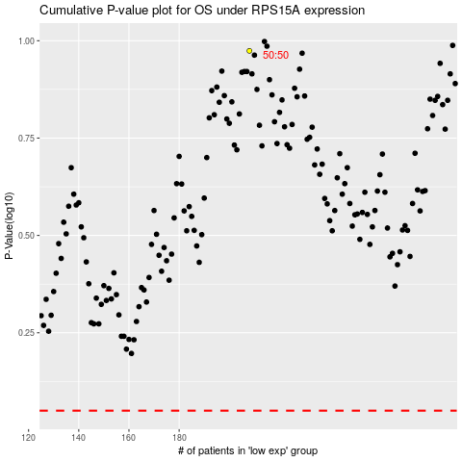

 |  |  |  |  |  | cases_OS | p_OS | rank | exp
 |  |  |  |  |  |  | cases_RFS | p_RFS | rank | exp

