RPS16 _multivariate
Reported by Tex Li-Hsing Chi. tex@gate.sinica.edu.tw 2019-08-16

Table 2. The clinicopathological features of HNSCC cohort and RPS16 expression. (Chi square test)
Cutoff at -0.324 (50.0%)
 |  | RPS16 expression |  | RPS16 expression |  | (Optimised)
 | Features | Low | (%) | High | (%) | Case no | P-value | Remark | Matthews
Gender | Female | 153 | 36.9 | 153 | 36.9 | 415 | 1 | 0 | 0
2 | Male | 54 | 13 | 55 | 13.3
Age at diagnosis | <=65y | 150 | 36.1 | 124 | 29.9 | 415 | 0.0078 | 1 | 0
4 | >65y | 57 | 13.7 | 84 | 20.2
Clinical T Status | T1+T2 | 82 | 19.8 | 67 | 16.1 | 415 | 0.1417 | 0 | 0
6 | T3+T4 | 125 | 30.1 | 141 | 34
Clinical N Status | N0 | 109 | 26.3 | 107 | 25.8 | 415 | 0.8812 | 0 | 0
8 | N1-3 | 98 | 23.6 | 101 | 24.3
Clinical M Status | M0 | 207 | 49.9 | 205 | 49.4 | 415 | 0.2482 | 0 | 0
10 | M1 | 0 | 0 | 3 | 0.7
Clinical Stage | Stage I+II | 55 | 13.3 | 47 | 11.3 | 415 | 0.4087 | 0 | 0
12 | Stage III+IV | 152 | 36.6 | 161 | 38.8
Surgical Margin status | Negative | 163 | 39.3 | 155 | 37.3 | 415 | 0.3537 | 0 | 0
14 | Positive | 44 | 10.6 | 53 | 12.8
Tobacco Exposure | Low | 82 | 19.8 | 79 | 19 | 415 | 0.763 | 0 | 0
16 | High | 125 | 30.1 | 129 | 31.1

Table 3. Univariate/Multivariate Cox's proportional hazards regression analyses on OS time of RPS16 gene expression in HNSCC

 |  | Univariate |  |  |  | Multivariate
 | Features | HR | CI95%(L) | CI95%(H) | P-value | HR | CI95%(L) | CI95%(H) | P-value
1 | Female | 1 |  |  |  | 1
Gender | Male | 1.157 | 0.843 | 1.587 | 0.367 | 1.198 | 0.857 | 1.677 | 0.291
11 | <=65y | 1 |  |  |  | 1
Age at diagnosis | >65y | 1.329 | 0.99 | 1.784 | 0.058 | 1.387 | 1.019 | 1.89 | 0.038
12 | T1+T2 | 1 |  |  |  | 1
Clinical T Status | T3+T4 | 1.409 | 1.028 | 1.931 | 0.033 | 2.194 | 1.159 | 4.154 | 0.016
13 | N0 | 1 |  |  |  | 1
Clinical N Status | N1-3 | 1.185 | 0.89 | 1.577 | 0.246 | 1.239 | 0.868 | 1.768 | 0.239
14 | M0 | 1 |  |  |  | 1
Clinical M Status | M1 | 4.097 | 1.009 | 16.644 | 0.049 | 9.25 | 1.994 | 42.913 | 0.004
15 | Stage I+II | 1 |  |  |  | 1
Clinical Stage | Stage III+IV | 1.245 | 0.882 | 1.759 | 0.213 | 0.506 | 0.236 | 1.087 | 0.081
16 | Negative | 1 |  |  |  | 1
Surgical Margin status | Positive | 1.591 | 1.155 | 2.191 | 0.004 | 1.666 | 1.204 | 2.307 | 0.002
17 | Low | 1 |  |  |  | 1
Tobacco Exposure | High | 1.364 | 1.008 | 1.844 | 0.044 | 1.451 | 1.053 | 2 | 0.023
18 | Low | 1 |  |  |  | 1
RNAseq(z-score) | High | 1.209 | 0.907 | 1.611 | 0.196 | 1.026 | 0.764 | 1.379 | 0.864

Table 4. Univariate/Multivariate Cox's proportional hazards regression analyses on RFS time of RPS16 gene expression in HNSCC

 |  | Univariate |  |  |  | Multivariate
 | Features | HR | CI95%(L) | CI95%(H) | P-value | HR | CI95%(L) | CI95%(H) | P-value
1 | Female | 1 |  |  |  | 1
Gender | Male | 1.157 | 0.843 | 1.587 | 0.367 | 1.198 | 0.857 | 1.677 | 0.291
11 | <=65y | 1 |  |  |  | 1
Age at diagnosis | >65y | 1.329 | 0.99 | 1.784 | 0.058 | 1.387 | 1.019 | 1.89 | 0.038
12 | T1+T2 | 1 |  |  |  | 1
Clinical T Status | T3+T4 | 1.409 | 1.028 | 1.931 | 0.033 | 2.194 | 1.159 | 4.154 | 0.016
13 | N0 | 1 |  |  |  | 1
Clinical N Status | N1-3 | 1.185 | 0.89 | 1.577 | 0.246 | 1.239 | 0.868 | 1.768 | 0.239
14 | M0 | 1 |  |  |  | 1
Clinical M Status | M1 | 4.097 | 1.009 | 16.644 | 0.049 | 9.25 | 1.994 | 42.913 | 0.004
15 | Stage I+II | 1 |  |  |  | 1
Clinical Stage | Stage III+IV | 1.245 | 0.882 | 1.759 | 0.213 | 0.506 | 0.236 | 1.087 | 0.081
16 | Negative | 1 |  |  |  | 1
Surgical Margin status | Positive | 1.591 | 1.155 | 2.191 | 0.004 | 1.666 | 1.204 | 2.307 | 0.002
17 | Low | 1 |  |  |  | 1
Tobacco Exposure | High | 1.364 | 1.008 | 1.844 | 0.044 | 1.451 | 1.053 | 2 | 0.023
18 | Low | 1 |  |  |  | 1
RNAseq(z-score) | High | 1.209 | 0.907 | 1.611 | 0.196 | 1.026 | 0.764 | 1.379 | 0.864

Kaplan-Meier survival estimate: Cutoff at -0.324 (50.0%)



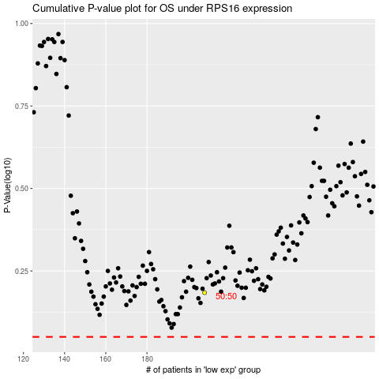

 |  |  |  |  |  | cases_OS | p_OS | rank | exp
 |  |  |  |  |  |  | cases_RFS | p_RFS | rank | exp

