RPS17 _multivariate
Reported by Tex Li-Hsing Chi. tex@gate.sinica.edu.tw 2019-08-16

Table 2. The clinicopathological features of HNSCC cohort and RPS17 expression. (Chi square test)
Cutoff at 0.04 (70.0%)
 |  | RPS17 expression |  | RPS17 expression |  | (Optimised)
 | Features | Low | (%) | High | (%) | Case no | P-value | Remark | Matthews
Gender | Female | 209 | 50.4 | 97 | 23.4 | 415 | 0.2923 | 0 | 0
2 | Male | 81 | 19.5 | 28 | 6.7
Age at diagnosis | <=65y | 189 | 45.5 | 85 | 20.5 | 415 | 0.6563 | 0 | 0
4 | >65y | 101 | 24.3 | 40 | 9.6
Clinical T Status | T1+T2 | 108 | 26 | 41 | 9.9 | 415 | 0.451 | 0 | 0
6 | T3+T4 | 182 | 43.9 | 84 | 20.2
Clinical N Status | N0 | 152 | 36.6 | 64 | 15.4 | 415 | 0.9045 | 0 | 0
8 | N1-3 | 138 | 33.3 | 61 | 14.7
Clinical M Status | M0 | 290 | 69.9 | 122 | 29.4 | 415 | 0.0269 | 1 | 0
10 | M1 | 0 | 0 | 3 | 0.7
Clinical Stage | Stage I+II | 76 | 18.3 | 26 | 6.3 | 415 | 0.294 | 0 | 0
12 | Stage III+IV | 214 | 51.6 | 99 | 23.9
Surgical Margin status | Negative | 232 | 55.9 | 86 | 20.7 | 415 | 0.0163 | 1 | 0
14 | Positive | 58 | 14 | 39 | 9.4
Tobacco Exposure | Low | 119 | 28.7 | 42 | 10.1 | 415 | 0.1875 | 0 | 0
16 | High | 171 | 41.2 | 83 | 20

Table 3. Univariate/Multivariate Cox's proportional hazards regression analyses on OS time of RPS17 gene expression in HNSCC

 |  | Univariate |  |  |  | Multivariate
 | Features | HR | CI95%(L) | CI95%(H) | P-value | HR | CI95%(L) | CI95%(H) | P-value
1 | Female | 1 |  |  |  | 1
Gender | Male | 1.157 | 0.843 | 1.587 | 0.367 | 1.199 | 0.857 | 1.676 | 0.289
11 | <=65y | 1 |  |  |  | 1
Age at diagnosis | >65y | 1.329 | 0.99 | 1.784 | 0.058 | 1.383 | 1.017 | 1.88 | 0.039
12 | T1+T2 | 1 |  |  |  | 1
Clinical T Status | T3+T4 | 1.409 | 1.028 | 1.931 | 0.033 | 2.174 | 1.149 | 4.11 | 0.017
13 | N0 | 1 |  |  |  | 1
Clinical N Status | N1-3 | 1.185 | 0.89 | 1.577 | 0.246 | 1.227 | 0.86 | 1.753 | 0.259
14 | M0 | 1 |  |  |  | 1
Clinical M Status | M1 | 4.097 | 1.009 | 16.644 | 0.049 | 8.114 | 1.74 | 37.845 | 0.008
15 | Stage I+II | 1 |  |  |  | 1
Clinical Stage | Stage III+IV | 1.245 | 0.882 | 1.759 | 0.213 | 0.511 | 0.238 | 1.096 | 0.085
16 | Negative | 1 |  |  |  | 1
Surgical Margin status | Positive | 1.591 | 1.155 | 2.191 | 0.004 | 1.62 | 1.168 | 2.248 | 0.004
17 | Low | 1 |  |  |  | 1
Tobacco Exposure | High | 1.364 | 1.008 | 1.844 | 0.044 | 1.444 | 1.048 | 1.992 | 0.025
18 | Low | 1 |  |  |  | 1
RNAseq(z-score) | High | 1.379 | 1.014 | 1.876 | 0.041 | 1.221 | 0.89 | 1.675 | 0.216

Table 4. Univariate/Multivariate Cox's proportional hazards regression analyses on RFS time of RPS17 gene expression in HNSCC

 |  | Univariate |  |  |  | Multivariate
 | Features | HR | CI95%(L) | CI95%(H) | P-value | HR | CI95%(L) | CI95%(H) | P-value
1 | Female | 1 |  |  |  | 1
Gender | Male | 1.157 | 0.843 | 1.587 | 0.367 | 1.199 | 0.857 | 1.676 | 0.289
11 | <=65y | 1 |  |  |  | 1
Age at diagnosis | >65y | 1.329 | 0.99 | 1.784 | 0.058 | 1.383 | 1.017 | 1.88 | 0.039
12 | T1+T2 | 1 |  |  |  | 1
Clinical T Status | T3+T4 | 1.409 | 1.028 | 1.931 | 0.033 | 2.174 | 1.149 | 4.11 | 0.017
13 | N0 | 1 |  |  |  | 1
Clinical N Status | N1-3 | 1.185 | 0.89 | 1.577 | 0.246 | 1.227 | 0.86 | 1.753 | 0.259
14 | M0 | 1 |  |  |  | 1
Clinical M Status | M1 | 4.097 | 1.009 | 16.644 | 0.049 | 8.114 | 1.74 | 37.845 | 0.008
15 | Stage I+II | 1 |  |  |  | 1
Clinical Stage | Stage III+IV | 1.245 | 0.882 | 1.759 | 0.213 | 0.511 | 0.238 | 1.096 | 0.085
16 | Negative | 1 |  |  |  | 1
Surgical Margin status | Positive | 1.591 | 1.155 | 2.191 | 0.004 | 1.62 | 1.168 | 2.248 | 0.004
17 | Low | 1 |  |  |  | 1
Tobacco Exposure | High | 1.364 | 1.008 | 1.844 | 0.044 | 1.444 | 1.048 | 1.992 | 0.025
18 | Low | 1 |  |  |  | 1
RNAseq(z-score) | High | 1.379 | 1.014 | 1.876 | 0.041 | 1.221 | 0.89 | 1.675 | 0.216

Kaplan-Meier survival estimate: Cutoff at 0.04 (70.0%)



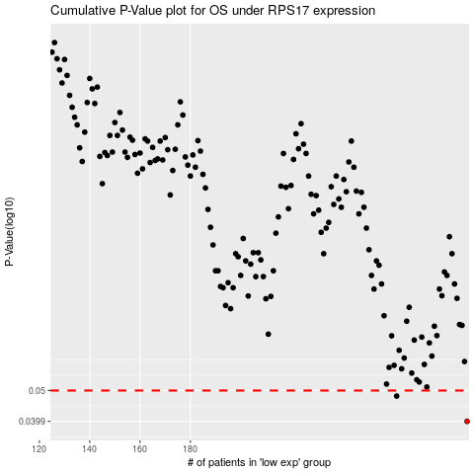

 |  |  |  |  |  | cases_OS | p_OS | rank | exp
 |  |  |  |  |  | 290 | 0.0399 | 265 | 0.040458187505
 |  |  |  |  |  | 262 | 0.048 | 201 | -0.12302863593
 |  |  |  |  |  |  | cases_RFS | p_RFS | rank | exp
 |  |  |  |  |  |  | 289 | 0.0399 | 188 | 0.026149774587
 |  |  |  |  |  |  | 261 | 0.048 | 150 | -0.12564684588

