RPS18 _multivariate
Reported by Tex Li-Hsing Chi. tex@gate.sinica.edu.tw 2019-08-16

Table 2. The clinicopathological features of HNSCC cohort and RPS18 expression. (Chi square test)
Cutoff at -0.332 (50.0%)
 |  | RPS18 expression |  | RPS18 expression |  | (Optimised)
 | Features | Low | (%) | High | (%) | Case no | P-value | Remark | Matthews
Gender | Female | 157 | 37.8 | 149 | 35.9 | 415 | 0.3881 | 0 | 0
2 | Male | 50 | 12 | 59 | 14.2
Age at diagnosis | <=65y | 140 | 33.7 | 134 | 32.3 | 415 | 0.5574 | 0 | 0
4 | >65y | 67 | 16.1 | 74 | 17.8
Clinical T Status | T1+T2 | 74 | 17.8 | 75 | 18.1 | 415 | 1 | 0 | 0
6 | T3+T4 | 133 | 32 | 133 | 32
Clinical N Status | N0 | 107 | 25.8 | 109 | 26.3 | 415 | 0.9624 | 0 | 0
8 | N1-3 | 100 | 24.1 | 99 | 23.9
Clinical M Status | M0 | 207 | 49.9 | 205 | 49.4 | 415 | 0.2482 | 0 | 0
10 | M1 | 0 | 0 | 3 | 0.7
Clinical Stage | Stage I+II | 48 | 11.6 | 54 | 13 | 415 | 0.5878 | 0 | 0
12 | Stage III+IV | 159 | 38.3 | 154 | 37.1
Surgical Margin status | Negative | 167 | 40.2 | 151 | 36.4 | 415 | 0.0632 | 0 | 0
14 | Positive | 40 | 9.6 | 57 | 13.7
Tobacco Exposure | Low | 86 | 20.7 | 75 | 18.1 | 415 | 0.2687 | 0 | 0
16 | High | 121 | 29.2 | 133 | 32

Table 3. Univariate/Multivariate Cox's proportional hazards regression analyses on OS time of RPS18 gene expression in HNSCC

 |  | Univariate |  |  |  | Multivariate
 | Features | HR | CI95%(L) | CI95%(H) | P-value | HR | CI95%(L) | CI95%(H) | P-value
1 | Female | 1 |  |  |  | 1
Gender | Male | 1.157 | 0.843 | 1.587 | 0.367 | 1.231 | 0.877 | 1.728 | 0.229
11 | <=65y | 1 |  |  |  | 1
Age at diagnosis | >65y | 1.329 | 0.99 | 1.784 | 0.058 | 1.394 | 1.025 | 1.895 | 0.034
12 | T1+T2 | 1 |  |  |  | 1
Clinical T Status | T3+T4 | 1.409 | 1.028 | 1.931 | 0.033 | 2.224 | 1.175 | 4.21 | 0.014
13 | N0 | 1 |  |  |  | 1
Clinical N Status | N1-3 | 1.185 | 0.89 | 1.577 | 0.246 | 1.245 | 0.873 | 1.777 | 0.227
14 | M0 | 1 |  |  |  | 1
Clinical M Status | M1 | 4.097 | 1.009 | 16.644 | 0.049 | 10.241 | 2.208 | 47.505 | 0.003
15 | Stage I+II | 1 |  |  |  | 1
Clinical Stage | Stage III+IV | 1.245 | 0.882 | 1.759 | 0.213 | 0.496 | 0.231 | 1.066 | 0.072
16 | Negative | 1 |  |  |  | 1
Surgical Margin status | Positive | 1.591 | 1.155 | 2.191 | 0.004 | 1.706 | 1.231 | 2.365 | 0.001
17 | Low | 1 |  |  |  | 1
Tobacco Exposure | High | 1.364 | 1.008 | 1.844 | 0.044 | 1.458 | 1.058 | 2.008 | 0.021
18 | Low | 1 |  |  |  | 1
RNAseq(z-score) | High | 0.981 | 0.737 | 1.306 | 0.896 | 0.874 | 0.65 | 1.174 | 0.371

Table 4. Univariate/Multivariate Cox's proportional hazards regression analyses on RFS time of RPS18 gene expression in HNSCC

 |  | Univariate |  |  |  | Multivariate
 | Features | HR | CI95%(L) | CI95%(H) | P-value | HR | CI95%(L) | CI95%(H) | P-value
1 | Female | 1 |  |  |  | 1
Gender | Male | 1.157 | 0.843 | 1.587 | 0.367 | 1.231 | 0.877 | 1.728 | 0.229
11 | <=65y | 1 |  |  |  | 1
Age at diagnosis | >65y | 1.329 | 0.99 | 1.784 | 0.058 | 1.394 | 1.025 | 1.895 | 0.034
12 | T1+T2 | 1 |  |  |  | 1
Clinical T Status | T3+T4 | 1.409 | 1.028 | 1.931 | 0.033 | 2.224 | 1.175 | 4.21 | 0.014
13 | N0 | 1 |  |  |  | 1
Clinical N Status | N1-3 | 1.185 | 0.89 | 1.577 | 0.246 | 1.245 | 0.873 | 1.777 | 0.227
14 | M0 | 1 |  |  |  | 1
Clinical M Status | M1 | 4.097 | 1.009 | 16.644 | 0.049 | 10.241 | 2.208 | 47.505 | 0.003
15 | Stage I+II | 1 |  |  |  | 1
Clinical Stage | Stage III+IV | 1.245 | 0.882 | 1.759 | 0.213 | 0.496 | 0.231 | 1.066 | 0.072
16 | Negative | 1 |  |  |  | 1
Surgical Margin status | Positive | 1.591 | 1.155 | 2.191 | 0.004 | 1.706 | 1.231 | 2.365 | 0.001
17 | Low | 1 |  |  |  | 1
Tobacco Exposure | High | 1.364 | 1.008 | 1.844 | 0.044 | 1.458 | 1.058 | 2.008 | 0.021
18 | Low | 1 |  |  |  | 1
RNAseq(z-score) | High | 0.981 | 0.737 | 1.306 | 0.896 | 0.874 | 0.65 | 1.174 | 0.371

Kaplan-Meier survival estimate: Cutoff at -0.332 (50.0%)



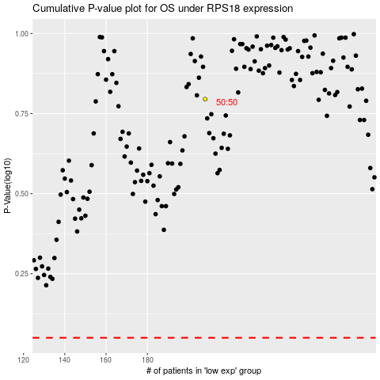

 |  |  |  |  |  | cases_OS | p_OS | rank | exp
 |  |  |  |  |  |  | cases_RFS | p_RFS | rank | exp

