RPS19BP1 _multivariate
Reported by Tex Li-Hsing Chi. tex@gate.sinica.edu.tw 2019-08-16

Table 2. The clinicopathological features of HNSCC cohort and RPS19BP1 expression. (Chi square test)
Cutoff at -0.247 (49.8%)
 |  | RPS19BP1 expression |  | RPS19BP1 expression |  | (Optimised)
 | Features | Low | (%) | High | (%) | Case no | P-value | Remark | Matthews
Gender | Female | 145 | 34.9 | 161 | 38.8 | 415 | 0.1116 | 0 | 0
2 | Male | 62 | 14.9 | 47 | 11.3
Age at diagnosis | <=65y | 133 | 32 | 141 | 34 | 415 | 0.5111 | 0 | 0
4 | >65y | 74 | 17.8 | 67 | 16.1
Clinical T Status | T1+T2 | 76 | 18.3 | 73 | 17.6 | 415 | 0.8092 | 0 | 0
6 | T3+T4 | 131 | 31.6 | 135 | 32.5
Clinical N Status | N0 | 115 | 27.7 | 101 | 24.3 | 415 | 0.184 | 1 | 0
8 | N1-3 | 92 | 22.2 | 107 | 25.8
Clinical M Status | M0 | 207 | 49.9 | 205 | 49.4 | 415 | 0.2482 | 0 | 0
10 | M1 | 0 | 0 | 3 | 0.7
Clinical Stage | Stage I+II | 55 | 13.3 | 47 | 11.3 | 415 | 0.4087 | 0 | 0
12 | Stage III+IV | 152 | 36.6 | 161 | 38.8
Surgical Margin status | Negative | 168 | 40.5 | 150 | 36.1 | 415 | 0.0366 | 1 | 0
14 | Positive | 39 | 9.4 | 58 | 14
Tobacco Exposure | Low | 88 | 21.2 | 73 | 17.6 | 415 | 0.1314 | 0 | 0
16 | High | 119 | 28.7 | 135 | 32.5

Table 3. Univariate/Multivariate Cox's proportional hazards regression analyses on OS time of RPS19BP1 gene expression in HNSCC

 |  | Univariate |  |  |  | Multivariate
 | Features | HR | CI95%(L) | CI95%(H) | P-value | HR | CI95%(L) | CI95%(H) | P-value
1 | Female | 1 |  |  |  | 1
Gender | Male | 1.157 | 0.843 | 1.587 | 0.367 | 1.201 | 0.86 | 1.677 | 0.283
11 | <=65y | 1 |  |  |  | 1
Age at diagnosis | >65y | 1.329 | 0.99 | 1.784 | 0.058 | 1.393 | 1.025 | 1.894 | 0.034
12 | T1+T2 | 1 |  |  |  | 1
Clinical T Status | T3+T4 | 1.409 | 1.028 | 1.931 | 0.033 | 2.206 | 1.167 | 4.171 | 0.015
13 | N0 | 1 |  |  |  | 1
Clinical N Status | N1-3 | 1.185 | 0.89 | 1.577 | 0.246 | 1.245 | 0.872 | 1.777 | 0.228
14 | M0 | 1 |  |  |  | 1
Clinical M Status | M1 | 4.097 | 1.009 | 16.644 | 0.049 | 9.637 | 2.086 | 44.524 | 0.004
15 | Stage I+II | 1 |  |  |  | 1
Clinical Stage | Stage III+IV | 1.245 | 0.882 | 1.759 | 0.213 | 0.503 | 0.234 | 1.08 | 0.078
16 | Negative | 1 |  |  |  | 1
Surgical Margin status | Positive | 1.591 | 1.155 | 2.191 | 0.004 | 1.685 | 1.215 | 2.336 | 0.002
17 | Low | 1 |  |  |  | 1
Tobacco Exposure | High | 1.364 | 1.008 | 1.844 | 0.044 | 1.458 | 1.057 | 2.011 | 0.021
18 | Low | 1 |  |  |  | 1
RNAseq(z-score) | High | 1.068 | 0.802 | 1.422 | 0.654 | 0.955 | 0.713 | 1.279 | 0.757

Table 4. Univariate/Multivariate Cox's proportional hazards regression analyses on RFS time of RPS19BP1 gene expression in HNSCC

 |  | Univariate |  |  |  | Multivariate
 | Features | HR | CI95%(L) | CI95%(H) | P-value | HR | CI95%(L) | CI95%(H) | P-value
1 | Female | 1 |  |  |  | 1
Gender | Male | 1.157 | 0.843 | 1.587 | 0.367 | 1.201 | 0.86 | 1.677 | 0.283
11 | <=65y | 1 |  |  |  | 1
Age at diagnosis | >65y | 1.329 | 0.99 | 1.784 | 0.058 | 1.393 | 1.025 | 1.894 | 0.034
12 | T1+T2 | 1 |  |  |  | 1
Clinical T Status | T3+T4 | 1.409 | 1.028 | 1.931 | 0.033 | 2.206 | 1.167 | 4.171 | 0.015
13 | N0 | 1 |  |  |  | 1
Clinical N Status | N1-3 | 1.185 | 0.89 | 1.577 | 0.246 | 1.245 | 0.872 | 1.777 | 0.228
14 | M0 | 1 |  |  |  | 1
Clinical M Status | M1 | 4.097 | 1.009 | 16.644 | 0.049 | 9.637 | 2.086 | 44.524 | 0.004
15 | Stage I+II | 1 |  |  |  | 1
Clinical Stage | Stage III+IV | 1.245 | 0.882 | 1.759 | 0.213 | 0.503 | 0.234 | 1.08 | 0.078
16 | Negative | 1 |  |  |  | 1
Surgical Margin status | Positive | 1.591 | 1.155 | 2.191 | 0.004 | 1.685 | 1.215 | 2.336 | 0.002
17 | Low | 1 |  |  |  | 1
Tobacco Exposure | High | 1.364 | 1.008 | 1.844 | 0.044 | 1.458 | 1.057 | 2.011 | 0.021
18 | Low | 1 |  |  |  | 1
RNAseq(z-score) | High | 1.068 | 0.802 | 1.422 | 0.654 | 0.955 | 0.713 | 1.279 | 0.757

Kaplan-Meier survival estimate: Cutoff at -0.247 (49.8%)



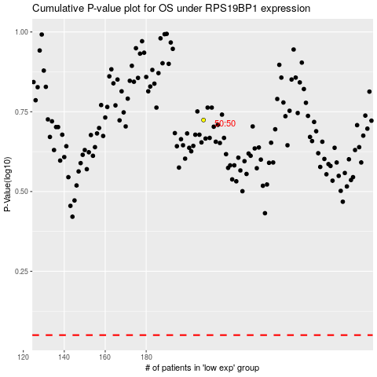

 |  |  |  |  |  | cases_OS | p_OS | rank | exp
 |  |  |  |  |  |  | cases_RFS | p_RFS | rank | exp

