RPS26 _multivariate
Reported by Tex Li-Hsing Chi. tex@gate.sinica.edu.tw 2019-08-16

Table 2. The clinicopathological features of HNSCC cohort and RPS26 expression. (Chi square test)
Cutoff at 0.05 (67.9%)
 |  | RPS26 expression |  | RPS26 expression |  | (Optimised)
 | Features | Low | (%) | High | (%) | Case no | P-value | Remark | Matthews
Gender | Female | 205 | 49.4 | 101 | 24.3 | 415 | 0.6859 | 0 | 0
2 | Male | 76 | 18.3 | 33 | 8
Age at diagnosis | <=65y | 192 | 46.3 | 82 | 19.8 | 415 | 0.1856 | 0 | 0
4 | >65y | 89 | 21.4 | 52 | 12.5
Clinical T Status | T1+T2 | 108 | 26 | 41 | 9.9 | 415 | 0.148 | 0 | 0
6 | T3+T4 | 173 | 41.7 | 93 | 22.4
Clinical N Status | N0 | 145 | 34.9 | 71 | 17.1 | 415 | 0.8739 | 0 | 0
8 | N1-3 | 136 | 32.8 | 63 | 15.2
Clinical M Status | M0 | 280 | 67.5 | 132 | 31.8 | 415 | 0.2449 | 0 | 0
10 | M1 | 1 | 0.2 | 2 | 0.5
Clinical Stage | Stage I+II | 73 | 17.6 | 29 | 7 | 415 | 0.4023 | 0 | 0
12 | Stage III+IV | 208 | 50.1 | 105 | 25.3
Surgical Margin status | Negative | 225 | 54.2 | 93 | 22.4 | 415 | 0.0186 | 1 | 0
14 | Positive | 56 | 13.5 | 41 | 9.9
Tobacco Exposure | Low | 106 | 25.5 | 55 | 13.3 | 415 | 0.5201 | 0 | 0
16 | High | 175 | 42.2 | 79 | 19

Table 3. Univariate/Multivariate Cox's proportional hazards regression analyses on OS time of RPS26 gene expression in HNSCC

 |  | Univariate |  |  |  | Multivariate
 | Features | HR | CI95%(L) | CI95%(H) | P-value | HR | CI95%(L) | CI95%(H) | P-value
1 | Female | 1 |  |  |  | 1
Gender | Male | 1.157 | 0.843 | 1.587 | 0.367 | 1.204 | 0.862 | 1.683 | 0.277
11 | <=65y | 1 |  |  |  | 1
Age at diagnosis | >65y | 1.329 | 0.99 | 1.784 | 0.058 | 1.357 | 0.996 | 1.849 | 0.053
12 | T1+T2 | 1 |  |  |  | 1
Clinical T Status | T3+T4 | 1.409 | 1.028 | 1.931 | 0.033 | 2.161 | 1.142 | 4.089 | 0.018
13 | N0 | 1 |  |  |  | 1
Clinical N Status | N1-3 | 1.185 | 0.89 | 1.577 | 0.246 | 1.248 | 0.874 | 1.781 | 0.223
14 | M0 | 1 |  |  |  | 1
Clinical M Status | M1 | 4.097 | 1.009 | 16.644 | 0.049 | 8.645 | 1.876 | 39.837 | 0.006
15 | Stage I+II | 1 |  |  |  | 1
Clinical Stage | Stage III+IV | 1.245 | 0.882 | 1.759 | 0.213 | 0.502 | 0.234 | 1.076 | 0.077
16 | Negative | 1 |  |  |  | 1
Surgical Margin status | Positive | 1.591 | 1.155 | 2.191 | 0.004 | 1.625 | 1.173 | 2.251 | 0.004
17 | Low | 1 |  |  |  | 1
Tobacco Exposure | High | 1.364 | 1.008 | 1.844 | 0.044 | 1.468 | 1.065 | 2.024 | 0.019
18 | Low | 1 |  |  |  | 1
RNAseq(z-score) | High | 1.377 | 1.017 | 1.865 | 0.038 | 1.245 | 0.912 | 1.699 | 0.168

Table 4. Univariate/Multivariate Cox's proportional hazards regression analyses on RFS time of RPS26 gene expression in HNSCC

 |  | Univariate |  |  |  | Multivariate
 | Features | HR | CI95%(L) | CI95%(H) | P-value | HR | CI95%(L) | CI95%(H) | P-value
1 | Female | 1 |  |  |  | 1
Gender | Male | 1.157 | 0.843 | 1.587 | 0.367 | 1.204 | 0.862 | 1.683 | 0.277
11 | <=65y | 1 |  |  |  | 1
Age at diagnosis | >65y | 1.329 | 0.99 | 1.784 | 0.058 | 1.357 | 0.996 | 1.849 | 0.053
12 | T1+T2 | 1 |  |  |  | 1
Clinical T Status | T3+T4 | 1.409 | 1.028 | 1.931 | 0.033 | 2.161 | 1.142 | 4.089 | 0.018
13 | N0 | 1 |  |  |  | 1
Clinical N Status | N1-3 | 1.185 | 0.89 | 1.577 | 0.246 | 1.248 | 0.874 | 1.781 | 0.223
14 | M0 | 1 |  |  |  | 1
Clinical M Status | M1 | 4.097 | 1.009 | 16.644 | 0.049 | 8.645 | 1.876 | 39.837 | 0.006
15 | Stage I+II | 1 |  |  |  | 1
Clinical Stage | Stage III+IV | 1.245 | 0.882 | 1.759 | 0.213 | 0.502 | 0.234 | 1.076 | 0.077
16 | Negative | 1 |  |  |  | 1
Surgical Margin status | Positive | 1.591 | 1.155 | 2.191 | 0.004 | 1.625 | 1.173 | 2.251 | 0.004
17 | Low | 1 |  |  |  | 1
Tobacco Exposure | High | 1.364 | 1.008 | 1.844 | 0.044 | 1.468 | 1.065 | 2.024 | 0.019
18 | Low | 1 |  |  |  | 1
RNAseq(z-score) | High | 1.377 | 1.017 | 1.865 | 0.038 | 1.245 | 0.912 | 1.699 | 0.168

Kaplan-Meier survival estimate: Cutoff at 0.05 (67.9%)

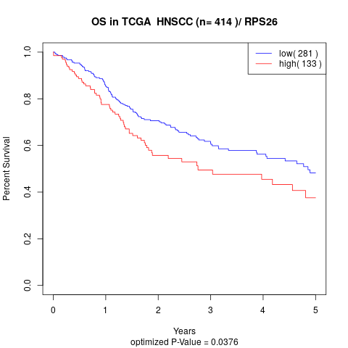

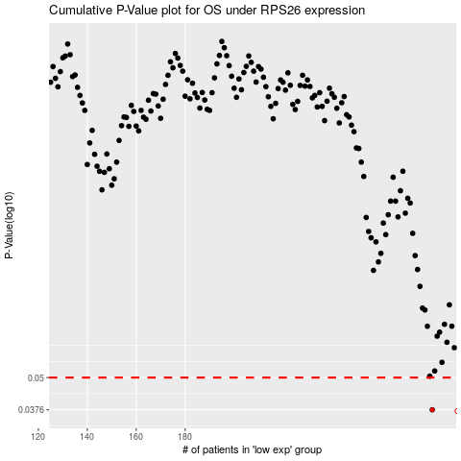

 |  |  |  |  |  | cases_OS | p_OS | rank | exp
 |  |  |  |  |  | 281 | 0.0376 | 214 | 0.049831475349
 |  |  |  |  |  |  | cases_RFS | p_RFS | rank | exp
 |  |  |  |  |  |  | 280 | 0.0376 | 109 | 0.049271263724

