RPS27 _multivariate
Reported by Tex Li-Hsing Chi. tex@gate.sinica.edu.tw 2019-08-16

Table 2. The clinicopathological features of HNSCC cohort and RPS27 expression. (Chi square test)
Cutoff at -0.327 (50.0%)
 |  | RPS27 expression |  | RPS27 expression |  | (Optimised)
 | Features | Low | (%) | High | (%) | Case no | P-value | Remark | Matthews
Gender | Female | 148 | 35.7 | 158 | 38.1 | 415 | 0.3567 | 0 | 0
2 | Male | 59 | 14.2 | 50 | 12
Age at diagnosis | <=65y | 134 | 32.3 | 140 | 33.7 | 415 | 0.6529 | 0 | 0
4 | >65y | 73 | 17.6 | 68 | 16.4
Clinical T Status | T1+T2 | 83 | 20 | 66 | 15.9 | 415 | 0.0941 | 0 | 0
6 | T3+T4 | 124 | 29.9 | 142 | 34.2
Clinical N Status | N0 | 106 | 25.5 | 110 | 26.5 | 415 | 0.8075 | 0 | 0
8 | N1-3 | 101 | 24.3 | 98 | 23.6
Clinical M Status | M0 | 207 | 49.9 | 205 | 49.4 | 415 | 0.2482 | 0 | 0
10 | M1 | 0 | 0 | 3 | 0.7
Clinical Stage | Stage I+II | 59 | 14.2 | 43 | 10.4 | 415 | 0.0822 | 0 | 0
12 | Stage III+IV | 148 | 35.7 | 165 | 39.8
Surgical Margin status | Negative | 167 | 40.2 | 151 | 36.4 | 415 | 0.0632 | 0 | 0
14 | Positive | 40 | 9.6 | 57 | 13.7
Tobacco Exposure | Low | 88 | 21.2 | 73 | 17.6 | 415 | 0.1314 | 0 | 0
16 | High | 119 | 28.7 | 135 | 32.5

Table 3. Univariate/Multivariate Cox's proportional hazards regression analyses on OS time of RPS27 gene expression in HNSCC

 |  | Univariate |  |  |  | Multivariate
 | Features | HR | CI95%(L) | CI95%(H) | P-value | HR | CI95%(L) | CI95%(H) | P-value
1 | Female | 1 |  |  |  | 1
Gender | Male | 1.157 | 0.843 | 1.587 | 0.367 | 1.205 | 0.863 | 1.684 | 0.273
11 | <=65y | 1 |  |  |  | 1
Age at diagnosis | >65y | 1.329 | 0.99 | 1.784 | 0.058 | 1.395 | 1.026 | 1.898 | 0.034
12 | T1+T2 | 1 |  |  |  | 1
Clinical T Status | T3+T4 | 1.409 | 1.028 | 1.931 | 0.033 | 2.239 | 1.182 | 4.239 | 0.013
13 | N0 | 1 |  |  |  | 1
Clinical N Status | N1-3 | 1.185 | 0.89 | 1.577 | 0.246 | 1.228 | 0.861 | 1.753 | 0.257
14 | M0 | 1 |  |  |  | 1
Clinical M Status | M1 | 4.097 | 1.009 | 16.644 | 0.049 | 10.314 | 2.224 | 47.841 | 0.003
15 | Stage I+II | 1 |  |  |  | 1
Clinical Stage | Stage III+IV | 1.245 | 0.882 | 1.759 | 0.213 | 0.51 | 0.237 | 1.096 | 0.085
16 | Negative | 1 |  |  |  | 1
Surgical Margin status | Positive | 1.591 | 1.155 | 2.191 | 0.004 | 1.721 | 1.239 | 2.391 | 0.001
17 | Low | 1 |  |  |  | 1
Tobacco Exposure | High | 1.364 | 1.008 | 1.844 | 0.044 | 1.461 | 1.059 | 2.015 | 0.021
18 | Low | 1 |  |  |  | 1
RNAseq(z-score) | High | 0.982 | 0.738 | 1.308 | 0.904 | 0.863 | 0.642 | 1.159 | 0.327

Table 4. Univariate/Multivariate Cox's proportional hazards regression analyses on RFS time of RPS27 gene expression in HNSCC

 |  | Univariate |  |  |  | Multivariate
 | Features | HR | CI95%(L) | CI95%(H) | P-value | HR | CI95%(L) | CI95%(H) | P-value
1 | Female | 1 |  |  |  | 1
Gender | Male | 1.157 | 0.843 | 1.587 | 0.367 | 1.205 | 0.863 | 1.684 | 0.273
11 | <=65y | 1 |  |  |  | 1
Age at diagnosis | >65y | 1.329 | 0.99 | 1.784 | 0.058 | 1.395 | 1.026 | 1.898 | 0.034
12 | T1+T2 | 1 |  |  |  | 1
Clinical T Status | T3+T4 | 1.409 | 1.028 | 1.931 | 0.033 | 2.239 | 1.182 | 4.239 | 0.013
13 | N0 | 1 |  |  |  | 1
Clinical N Status | N1-3 | 1.185 | 0.89 | 1.577 | 0.246 | 1.228 | 0.861 | 1.753 | 0.257
14 | M0 | 1 |  |  |  | 1
Clinical M Status | M1 | 4.097 | 1.009 | 16.644 | 0.049 | 10.314 | 2.224 | 47.841 | 0.003
15 | Stage I+II | 1 |  |  |  | 1
Clinical Stage | Stage III+IV | 1.245 | 0.882 | 1.759 | 0.213 | 0.51 | 0.237 | 1.096 | 0.085
16 | Negative | 1 |  |  |  | 1
Surgical Margin status | Positive | 1.591 | 1.155 | 2.191 | 0.004 | 1.721 | 1.239 | 2.391 | 0.001
17 | Low | 1 |  |  |  | 1
Tobacco Exposure | High | 1.364 | 1.008 | 1.844 | 0.044 | 1.461 | 1.059 | 2.015 | 0.021
18 | Low | 1 |  |  |  | 1
RNAseq(z-score) | High | 0.982 | 0.738 | 1.308 | 0.904 | 0.863 | 0.642 | 1.159 | 0.327

Kaplan-Meier survival estimate: Cutoff at -0.327 (50.0%)



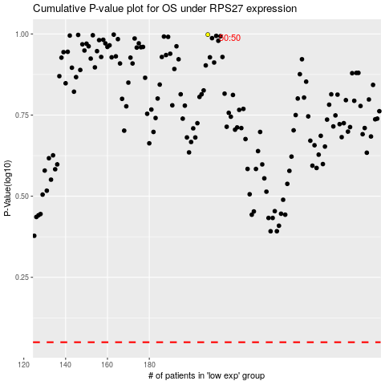

 |  |  |  |  |  | cases_OS | p_OS | rank | exp
 |  |  |  |  |  |  | cases_RFS | p_RFS | rank | exp

