RPS27L _multivariate
Reported by Tex Li-Hsing Chi. tex@gate.sinica.edu.tw 2019-08-16

Table 2. The clinicopathological features of HNSCC cohort and RPS27L expression. (Chi square test)
Cutoff at -0.316 (50.0%)
 |  | RPS27L expression |  | RPS27L expression |  | (Optimised)
 | Features | Low | (%) | High | (%) | Case no | P-value | Remark | Matthews
Gender | Female | 155 | 37.3 | 151 | 36.4 | 415 | 0.6768 | 0 | 0
2 | Male | 52 | 12.5 | 57 | 13.7
Age at diagnosis | <=65y | 135 | 32.5 | 139 | 33.5 | 415 | 0.8084 | 0 | 0
4 | >65y | 72 | 17.3 | 69 | 16.6
Clinical T Status | T1+T2 | 67 | 16.1 | 82 | 19.8 | 415 | 0.1628 | 0 | 0
6 | T3+T4 | 140 | 33.7 | 126 | 30.4
Clinical N Status | N0 | 106 | 25.5 | 110 | 26.5 | 415 | 0.8075 | 0 | 0
8 | N1-3 | 101 | 24.3 | 98 | 23.6
Clinical M Status | M0 | 206 | 49.6 | 206 | 49.6 | 415 | 1 | 0 | 0
10 | M1 | 1 | 0.2 | 2 | 0.5
Clinical Stage | Stage I+II | 48 | 11.6 | 54 | 13 | 415 | 0.5878 | 0 | 0
12 | Stage III+IV | 159 | 38.3 | 154 | 37.1
Surgical Margin status | Negative | 168 | 40.5 | 150 | 36.1 | 415 | 0.0366 | 1 | 0
14 | Positive | 39 | 9.4 | 58 | 14
Tobacco Exposure | Low | 74 | 17.8 | 87 | 21 | 415 | 0.227 | 0 | 0
16 | High | 133 | 32 | 121 | 29.2

Table 3. Univariate/Multivariate Cox's proportional hazards regression analyses on OS time of RPS27L gene expression in HNSCC

 |  | Univariate |  |  |  | Multivariate
 | Features | HR | CI95%(L) | CI95%(H) | P-value | HR | CI95%(L) | CI95%(H) | P-value
1 | Female | 1 |  |  |  | 1
Gender | Male | 1.157 | 0.843 | 1.587 | 0.367 | 1.216 | 0.869 | 1.701 | 0.255
11 | <=65y | 1 |  |  |  | 1
Age at diagnosis | >65y | 1.329 | 0.99 | 1.784 | 0.058 | 1.377 | 1.011 | 1.874 | 0.042
12 | T1+T2 | 1 |  |  |  | 1
Clinical T Status | T3+T4 | 1.409 | 1.028 | 1.931 | 0.033 | 2.182 | 1.153 | 4.13 | 0.016
13 | N0 | 1 |  |  |  | 1
Clinical N Status | N1-3 | 1.185 | 0.89 | 1.577 | 0.246 | 1.239 | 0.868 | 1.768 | 0.237
14 | M0 | 1 |  |  |  | 1
Clinical M Status | M1 | 4.097 | 1.009 | 16.644 | 0.049 | 9.68 | 2.107 | 44.468 | 0.004
15 | Stage I+II | 1 |  |  |  | 1
Clinical Stage | Stage III+IV | 1.245 | 0.882 | 1.759 | 0.213 | 0.504 | 0.235 | 1.083 | 0.079
16 | Negative | 1 |  |  |  | 1
Surgical Margin status | Positive | 1.591 | 1.155 | 2.191 | 0.004 | 1.706 | 1.228 | 2.37 | 0.001
17 | Low | 1 |  |  |  | 1
Tobacco Exposure | High | 1.364 | 1.008 | 1.844 | 0.044 | 1.441 | 1.044 | 1.987 | 0.026
18 | Low | 1 |  |  |  | 1
RNAseq(z-score) | High | 0.91 | 0.683 | 1.212 | 0.517 | 0.899 | 0.668 | 1.211 | 0.485

Table 4. Univariate/Multivariate Cox's proportional hazards regression analyses on RFS time of RPS27L gene expression in HNSCC

 |  | Univariate |  |  |  | Multivariate
 | Features | HR | CI95%(L) | CI95%(H) | P-value | HR | CI95%(L) | CI95%(H) | P-value
1 | Female | 1 |  |  |  | 1
Gender | Male | 1.157 | 0.843 | 1.587 | 0.367 | 1.216 | 0.869 | 1.701 | 0.255
11 | <=65y | 1 |  |  |  | 1
Age at diagnosis | >65y | 1.329 | 0.99 | 1.784 | 0.058 | 1.377 | 1.011 | 1.874 | 0.042
12 | T1+T2 | 1 |  |  |  | 1
Clinical T Status | T3+T4 | 1.409 | 1.028 | 1.931 | 0.033 | 2.182 | 1.153 | 4.13 | 0.016
13 | N0 | 1 |  |  |  | 1
Clinical N Status | N1-3 | 1.185 | 0.89 | 1.577 | 0.246 | 1.239 | 0.868 | 1.768 | 0.237
14 | M0 | 1 |  |  |  | 1
Clinical M Status | M1 | 4.097 | 1.009 | 16.644 | 0.049 | 9.68 | 2.107 | 44.468 | 0.004
15 | Stage I+II | 1 |  |  |  | 1
Clinical Stage | Stage III+IV | 1.245 | 0.882 | 1.759 | 0.213 | 0.504 | 0.235 | 1.083 | 0.079
16 | Negative | 1 |  |  |  | 1
Surgical Margin status | Positive | 1.591 | 1.155 | 2.191 | 0.004 | 1.706 | 1.228 | 2.37 | 0.001
17 | Low | 1 |  |  |  | 1
Tobacco Exposure | High | 1.364 | 1.008 | 1.844 | 0.044 | 1.441 | 1.044 | 1.987 | 0.026
18 | Low | 1 |  |  |  | 1
RNAseq(z-score) | High | 0.91 | 0.683 | 1.212 | 0.517 | 0.899 | 0.668 | 1.211 | 0.485

Kaplan-Meier survival estimate: Cutoff at -0.316 (50.0%)



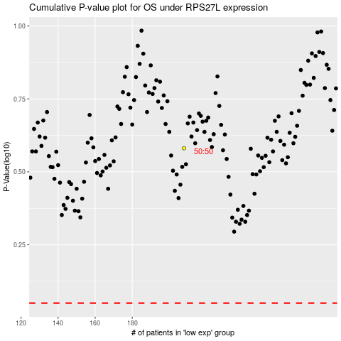

 |  |  |  |  |  | cases_OS | p_OS | rank | exp
 |  |  |  |  |  |  | cases_RFS | p_RFS | rank | exp

