RPS29 _multivariate
Reported by Tex Li-Hsing Chi. tex@gate.sinica.edu.tw 2019-08-16

Table 2. The clinicopathological features of HNSCC cohort and RPS29 expression. (Chi square test)
Cutoff at -0.301 (50.0%)
 |  | RPS29 expression |  | RPS29 expression |  | (Optimised)
 | Features | Low | (%) | High | (%) | Case no | P-value | Remark | Matthews
Gender | Female | 153 | 36.9 | 153 | 36.9 | 415 | 1 | 0 | 0
2 | Male | 54 | 13 | 55 | 13.3
Age at diagnosis | <=65y | 144 | 34.7 | 130 | 31.3 | 415 | 0.1568 | 0 | 0
4 | >65y | 63 | 15.2 | 78 | 18.8
Clinical T Status | T1+T2 | 80 | 19.3 | 69 | 16.6 | 415 | 0.2891 | 0 | 0
6 | T3+T4 | 127 | 30.6 | 139 | 33.5
Clinical N Status | N0 | 104 | 25.1 | 112 | 27 | 415 | 0.5243 | 0 | 0
8 | N1-3 | 103 | 24.8 | 96 | 23.1
Clinical M Status | M0 | 207 | 49.9 | 205 | 49.4 | 415 | 0.2482 | 0 | 0
10 | M1 | 0 | 0 | 3 | 0.7
Clinical Stage | Stage I+II | 56 | 13.5 | 46 | 11.1 | 415 | 0.2918 | 0 | 0
12 | Stage III+IV | 151 | 36.4 | 162 | 39
Surgical Margin status | Negative | 170 | 41 | 148 | 35.7 | 415 | 0.0105 | 1 | 0
14 | Positive | 37 | 8.9 | 60 | 14.5
Tobacco Exposure | Low | 81 | 19.5 | 80 | 19.3 | 415 | 0.9199 | 0 | 0
16 | High | 126 | 30.4 | 128 | 30.8

Table 3. Univariate/Multivariate Cox's proportional hazards regression analyses on OS time of RPS29 gene expression in HNSCC

 |  | Univariate |  |  |  | Multivariate
 | Features | HR | CI95%(L) | CI95%(H) | P-value | HR | CI95%(L) | CI95%(H) | P-value
1 | Female | 1 |  |  |  | 1
Gender | Male | 1.157 | 0.843 | 1.587 | 0.367 | 1.19 | 0.85 | 1.666 | 0.311
11 | <=65y | 1 |  |  |  | 1
Age at diagnosis | >65y | 1.329 | 0.99 | 1.784 | 0.058 | 1.386 | 1.019 | 1.884 | 0.038
12 | T1+T2 | 1 |  |  |  | 1
Clinical T Status | T3+T4 | 1.409 | 1.028 | 1.931 | 0.033 | 2.199 | 1.163 | 4.156 | 0.015
13 | N0 | 1 |  |  |  | 1
Clinical N Status | N1-3 | 1.185 | 0.89 | 1.577 | 0.246 | 1.253 | 0.876 | 1.791 | 0.216
14 | M0 | 1 |  |  |  | 1
Clinical M Status | M1 | 4.097 | 1.009 | 16.644 | 0.049 | 8.979 | 1.939 | 41.586 | 0.005
15 | Stage I+II | 1 |  |  |  | 1
Clinical Stage | Stage III+IV | 1.245 | 0.882 | 1.759 | 0.213 | 0.5 | 0.233 | 1.074 | 0.076
16 | Negative | 1 |  |  |  | 1
Surgical Margin status | Positive | 1.591 | 1.155 | 2.191 | 0.004 | 1.647 | 1.186 | 2.287 | 0.003
17 | Low | 1 |  |  |  | 1
Tobacco Exposure | High | 1.364 | 1.008 | 1.844 | 0.044 | 1.448 | 1.051 | 1.995 | 0.024
18 | Low | 1 |  |  |  | 1
RNAseq(z-score) | High | 1.229 | 0.923 | 1.637 | 0.158 | 1.079 | 0.802 | 1.452 | 0.613

Table 4. Univariate/Multivariate Cox's proportional hazards regression analyses on RFS time of RPS29 gene expression in HNSCC

 |  | Univariate |  |  |  | Multivariate
 | Features | HR | CI95%(L) | CI95%(H) | P-value | HR | CI95%(L) | CI95%(H) | P-value
1 | Female | 1 |  |  |  | 1
Gender | Male | 1.157 | 0.843 | 1.587 | 0.367 | 1.19 | 0.85 | 1.666 | 0.311
11 | <=65y | 1 |  |  |  | 1
Age at diagnosis | >65y | 1.329 | 0.99 | 1.784 | 0.058 | 1.386 | 1.019 | 1.884 | 0.038
12 | T1+T2 | 1 |  |  |  | 1
Clinical T Status | T3+T4 | 1.409 | 1.028 | 1.931 | 0.033 | 2.199 | 1.163 | 4.156 | 0.015
13 | N0 | 1 |  |  |  | 1
Clinical N Status | N1-3 | 1.185 | 0.89 | 1.577 | 0.246 | 1.253 | 0.876 | 1.791 | 0.216
14 | M0 | 1 |  |  |  | 1
Clinical M Status | M1 | 4.097 | 1.009 | 16.644 | 0.049 | 8.979 | 1.939 | 41.586 | 0.005
15 | Stage I+II | 1 |  |  |  | 1
Clinical Stage | Stage III+IV | 1.245 | 0.882 | 1.759 | 0.213 | 0.5 | 0.233 | 1.074 | 0.076
16 | Negative | 1 |  |  |  | 1
Surgical Margin status | Positive | 1.591 | 1.155 | 2.191 | 0.004 | 1.647 | 1.186 | 2.287 | 0.003
17 | Low | 1 |  |  |  | 1
Tobacco Exposure | High | 1.364 | 1.008 | 1.844 | 0.044 | 1.448 | 1.051 | 1.995 | 0.024
18 | Low | 1 |  |  |  | 1
RNAseq(z-score) | High | 1.229 | 0.923 | 1.637 | 0.158 | 1.079 | 0.802 | 1.452 | 0.613

Kaplan-Meier survival estimate: Cutoff at -0.301 (50.0%)



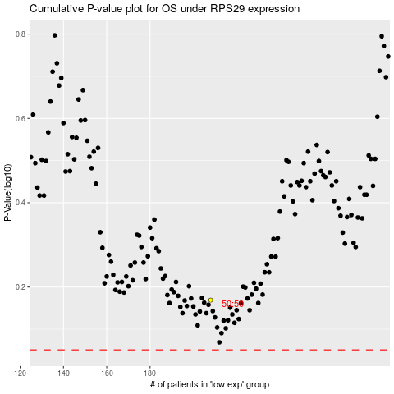

 |  |  |  |  |  | cases_OS | p_OS | rank | exp
 |  |  |  |  |  |  | cases_RFS | p_RFS | rank | exp

