RPS4X _multivariate
Reported by Tex Li-Hsing Chi. tex@gate.sinica.edu.tw 2019-08-16

Table 2. The clinicopathological features of HNSCC cohort and RPS4X expression. (Chi square test)
Cutoff at -0.284 (49.8%)
 |  | RPS4X expression |  | RPS4X expression |  | (Optimised)
 | Features | Low | (%) | High | (%) | Case no | P-value | Remark | Matthews
Gender | Female | 182 | 43.9 | 124 | 29.9 | 415 | 0 | 1 | 0
2 | Male | 25 | 6 | 84 | 20.2
Age at diagnosis | <=65y | 141 | 34 | 133 | 32 | 415 | 0.4272 | 0 | 0
4 | >65y | 66 | 15.9 | 75 | 18.1
Clinical T Status | T1+T2 | 79 | 19 | 70 | 16.9 | 415 | 0.3924 | 0 | 0
6 | T3+T4 | 128 | 30.8 | 138 | 33.3
Clinical N Status | N0 | 104 | 25.1 | 112 | 27 | 415 | 0.5243 | 0 | 0
8 | N1-3 | 103 | 24.8 | 96 | 23.1
Clinical M Status | M0 | 207 | 49.9 | 205 | 49.4 | 415 | 0.2482 | 0 | 0
10 | M1 | 0 | 0 | 3 | 0.7
Clinical Stage | Stage I+II | 52 | 12.5 | 50 | 12 | 415 | 0.8871 | 0 | 0
12 | Stage III+IV | 155 | 37.3 | 158 | 38.1
Surgical Margin status | Negative | 163 | 39.3 | 155 | 37.3 | 415 | 0.3537 | 0 | 0
14 | Positive | 44 | 10.6 | 53 | 12.8
Tobacco Exposure | Low | 82 | 19.8 | 79 | 19 | 415 | 0.763 | 0 | 0
16 | High | 125 | 30.1 | 129 | 31.1

Table 3. Univariate/Multivariate Cox's proportional hazards regression analyses on OS time of RPS4X gene expression in HNSCC

 |  | Univariate |  |  |  | Multivariate
 | Features | HR | CI95%(L) | CI95%(H) | P-value | HR | CI95%(L) | CI95%(H) | P-value
1 | Female | 1 |  |  |  | 1
Gender | Male | 1.157 | 0.843 | 1.587 | 0.367 | 1.142 | 0.796 | 1.639 | 0.47
11 | <=65y | 1 |  |  |  | 1
Age at diagnosis | >65y | 1.329 | 0.99 | 1.784 | 0.058 | 1.394 | 1.025 | 1.895 | 0.034
12 | T1+T2 | 1 |  |  |  | 1
Clinical T Status | T3+T4 | 1.409 | 1.028 | 1.931 | 0.033 | 2.188 | 1.157 | 4.136 | 0.016
13 | N0 | 1 |  |  |  | 1
Clinical N Status | N1-3 | 1.185 | 0.89 | 1.577 | 0.246 | 1.243 | 0.871 | 1.773 | 0.231
14 | M0 | 1 |  |  |  | 1
Clinical M Status | M1 | 4.097 | 1.009 | 16.644 | 0.049 | 8.714 | 1.875 | 40.491 | 0.006
15 | Stage I+II | 1 |  |  |  | 1
Clinical Stage | Stage III+IV | 1.245 | 0.882 | 1.759 | 0.213 | 0.506 | 0.236 | 1.085 | 0.08
16 | Negative | 1 |  |  |  | 1
Surgical Margin status | Positive | 1.591 | 1.155 | 2.191 | 0.004 | 1.647 | 1.189 | 2.281 | 0.003
17 | Low | 1 |  |  |  | 1
Tobacco Exposure | High | 1.364 | 1.008 | 1.844 | 0.044 | 1.444 | 1.047 | 1.992 | 0.025
18 | Low | 1 |  |  |  | 1
RNAseq(z-score) | High | 1.283 | 0.963 | 1.71 | 0.089 | 1.123 | 0.82 | 1.538 | 0.47

Table 4. Univariate/Multivariate Cox's proportional hazards regression analyses on RFS time of RPS4X gene expression in HNSCC

 |  | Univariate |  |  |  | Multivariate
 | Features | HR | CI95%(L) | CI95%(H) | P-value | HR | CI95%(L) | CI95%(H) | P-value
1 | Female | 1 |  |  |  | 1
Gender | Male | 1.157 | 0.843 | 1.587 | 0.367 | 1.142 | 0.796 | 1.639 | 0.47
11 | <=65y | 1 |  |  |  | 1
Age at diagnosis | >65y | 1.329 | 0.99 | 1.784 | 0.058 | 1.394 | 1.025 | 1.895 | 0.034
12 | T1+T2 | 1 |  |  |  | 1
Clinical T Status | T3+T4 | 1.409 | 1.028 | 1.931 | 0.033 | 2.188 | 1.157 | 4.136 | 0.016
13 | N0 | 1 |  |  |  | 1
Clinical N Status | N1-3 | 1.185 | 0.89 | 1.577 | 0.246 | 1.243 | 0.871 | 1.773 | 0.231
14 | M0 | 1 |  |  |  | 1
Clinical M Status | M1 | 4.097 | 1.009 | 16.644 | 0.049 | 8.714 | 1.875 | 40.491 | 0.006
15 | Stage I+II | 1 |  |  |  | 1
Clinical Stage | Stage III+IV | 1.245 | 0.882 | 1.759 | 0.213 | 0.506 | 0.236 | 1.085 | 0.08
16 | Negative | 1 |  |  |  | 1
Surgical Margin status | Positive | 1.591 | 1.155 | 2.191 | 0.004 | 1.647 | 1.189 | 2.281 | 0.003
17 | Low | 1 |  |  |  | 1
Tobacco Exposure | High | 1.364 | 1.008 | 1.844 | 0.044 | 1.444 | 1.047 | 1.992 | 0.025
18 | Low | 1 |  |  |  | 1
RNAseq(z-score) | High | 1.283 | 0.963 | 1.71 | 0.089 | 1.123 | 0.82 | 1.538 | 0.47

Kaplan-Meier survival estimate: Cutoff at -0.284 (49.8%)



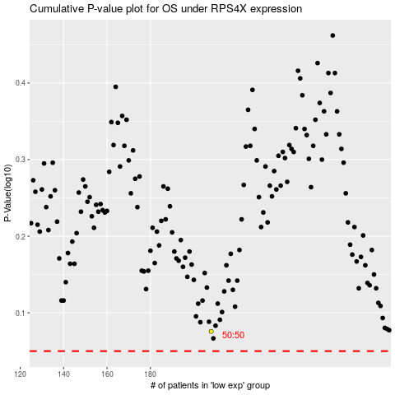

 |  |  |  |  |  | cases_OS | p_OS | rank | exp
 |  |  |  |  |  |  | cases_RFS | p_RFS | rank | exp

