RPS5 _multivariate
Reported by Tex Li-Hsing Chi. tex@gate.sinica.edu.tw 2019-08-16

Table 2. The clinicopathological features of HNSCC cohort and RPS5 expression. (Chi square test)
Cutoff at -0.33 (49.8%)
 |  | RPS5 expression |  | RPS5 expression |  | (Optimised)
 | Features | Low | (%) | High | (%) | Case no | P-value | Remark | Matthews
Gender | Female | 156 | 37.6 | 150 | 36.1 | 415 | 0.5222 | 0 | 0
2 | Male | 51 | 12.3 | 58 | 14
Age at diagnosis | <=65y | 143 | 34.5 | 131 | 31.6 | 415 | 0.2269 | 0 | 0
4 | >65y | 64 | 15.4 | 77 | 18.6
Clinical T Status | T1+T2 | 79 | 19 | 70 | 16.9 | 415 | 0.3924 | 0 | 0
6 | T3+T4 | 128 | 30.8 | 138 | 33.3
Clinical N Status | N0 | 106 | 25.5 | 110 | 26.5 | 415 | 0.8075 | 0 | 0
8 | N1-3 | 101 | 24.3 | 98 | 23.6
Clinical M Status | M0 | 206 | 49.6 | 206 | 49.6 | 415 | 1 | 0 | 0
10 | M1 | 1 | 0.2 | 2 | 0.5
Clinical Stage | Stage I+II | 53 | 12.8 | 49 | 11.8 | 415 | 0.7113 | 0 | 0
12 | Stage III+IV | 154 | 37.1 | 159 | 38.3
Surgical Margin status | Negative | 163 | 39.3 | 155 | 37.3 | 415 | 0.3537 | 0 | 0
14 | Positive | 44 | 10.6 | 53 | 12.8
Tobacco Exposure | Low | 89 | 21.4 | 72 | 17.3 | 415 | 0.0872 | 0 | 0
16 | High | 118 | 28.4 | 136 | 32.8

Table 3. Univariate/Multivariate Cox's proportional hazards regression analyses on OS time of RPS5 gene expression in HNSCC

 |  | Univariate |  |  |  | Multivariate
 | Features | HR | CI95%(L) | CI95%(H) | P-value | HR | CI95%(L) | CI95%(H) | P-value
1 | Female | 1 |  |  |  | 1
Gender | Male | 1.157 | 0.843 | 1.587 | 0.367 | 1.226 | 0.876 | 1.716 | 0.234
11 | <=65y | 1 |  |  |  | 1
Age at diagnosis | >65y | 1.329 | 0.99 | 1.784 | 0.058 | 1.399 | 1.029 | 1.901 | 0.032
12 | T1+T2 | 1 |  |  |  | 1
Clinical T Status | T3+T4 | 1.409 | 1.028 | 1.931 | 0.033 | 2.224 | 1.175 | 4.209 | 0.014
13 | N0 | 1 |  |  |  | 1
Clinical N Status | N1-3 | 1.185 | 0.89 | 1.577 | 0.246 | 1.246 | 0.873 | 1.778 | 0.225
14 | M0 | 1 |  |  |  | 1
Clinical M Status | M1 | 4.097 | 1.009 | 16.644 | 0.049 | 9.673 | 2.108 | 44.382 | 0.004
15 | Stage I+II | 1 |  |  |  | 1
Clinical Stage | Stage III+IV | 1.245 | 0.882 | 1.759 | 0.213 | 0.501 | 0.233 | 1.075 | 0.076
16 | Negative | 1 |  |  |  | 1
Surgical Margin status | Positive | 1.591 | 1.155 | 2.191 | 0.004 | 1.701 | 1.229 | 2.356 | 0.001
17 | Low | 1 |  |  |  | 1
Tobacco Exposure | High | 1.364 | 1.008 | 1.844 | 0.044 | 1.486 | 1.076 | 2.053 | 0.016
18 | Low | 1 |  |  |  | 1
RNAseq(z-score) | High | 0.987 | 0.74 | 1.315 | 0.927 | 0.857 | 0.639 | 1.148 | 0.3

Table 4. Univariate/Multivariate Cox's proportional hazards regression analyses on RFS time of RPS5 gene expression in HNSCC

 |  | Univariate |  |  |  | Multivariate
 | Features | HR | CI95%(L) | CI95%(H) | P-value | HR | CI95%(L) | CI95%(H) | P-value
1 | Female | 1 |  |  |  | 1
Gender | Male | 1.157 | 0.843 | 1.587 | 0.367 | 1.226 | 0.876 | 1.716 | 0.234
11 | <=65y | 1 |  |  |  | 1
Age at diagnosis | >65y | 1.329 | 0.99 | 1.784 | 0.058 | 1.399 | 1.029 | 1.901 | 0.032
12 | T1+T2 | 1 |  |  |  | 1
Clinical T Status | T3+T4 | 1.409 | 1.028 | 1.931 | 0.033 | 2.224 | 1.175 | 4.209 | 0.014
13 | N0 | 1 |  |  |  | 1
Clinical N Status | N1-3 | 1.185 | 0.89 | 1.577 | 0.246 | 1.246 | 0.873 | 1.778 | 0.225
14 | M0 | 1 |  |  |  | 1
Clinical M Status | M1 | 4.097 | 1.009 | 16.644 | 0.049 | 9.673 | 2.108 | 44.382 | 0.004
15 | Stage I+II | 1 |  |  |  | 1
Clinical Stage | Stage III+IV | 1.245 | 0.882 | 1.759 | 0.213 | 0.501 | 0.233 | 1.075 | 0.076
16 | Negative | 1 |  |  |  | 1
Surgical Margin status | Positive | 1.591 | 1.155 | 2.191 | 0.004 | 1.701 | 1.229 | 2.356 | 0.001
17 | Low | 1 |  |  |  | 1
Tobacco Exposure | High | 1.364 | 1.008 | 1.844 | 0.044 | 1.486 | 1.076 | 2.053 | 0.016
18 | Low | 1 |  |  |  | 1
RNAseq(z-score) | High | 0.987 | 0.74 | 1.315 | 0.927 | 0.857 | 0.639 | 1.148 | 0.3

Kaplan-Meier survival estimate: Cutoff at -0.33 (49.8%)



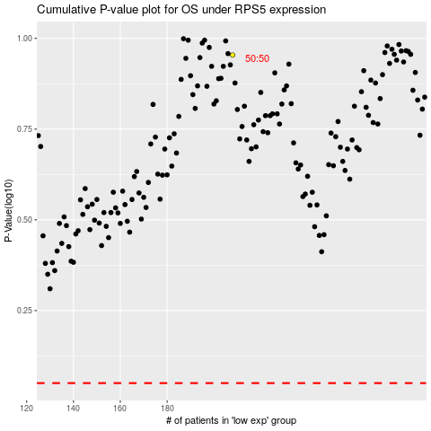

 |  |  |  |  |  | cases_OS | p_OS | rank | exp
 |  |  |  |  |  |  | cases_RFS | p_RFS | rank | exp

