RPS6KA2 _multivariate
Reported by Tex Li-Hsing Chi. tex@gate.sinica.edu.tw 2019-08-16

Table 2. The clinicopathological features of HNSCC cohort and RPS6KA2 expression. (Chi square test)
Cutoff at -0.212 (50.0%)
 |  | RPS6KA2 expression |  | RPS6KA2 expression |  | (Optimised)
 | Features | Low | (%) | High | (%) | Case no | P-value | Remark | Matthews
Gender | Female | 146 | 35.2 | 160 | 38.6 | 415 | 0.1714 | 0 | 0
2 | Male | 61 | 14.7 | 48 | 11.6
Age at diagnosis | <=65y | 130 | 31.3 | 144 | 34.7 | 415 | 0.2009 | 0 | 0
4 | >65y | 77 | 18.6 | 64 | 15.4
Clinical T Status | T1+T2 | 72 | 17.3 | 77 | 18.6 | 415 | 0.7095 | 0 | 0
6 | T3+T4 | 135 | 32.5 | 131 | 31.6
Clinical N Status | N0 | 113 | 27.2 | 103 | 24.8 | 415 | 0.3495 | 1 | 0
8 | N1-3 | 94 | 22.7 | 105 | 25.3
Clinical M Status | M0 | 205 | 49.4 | 207 | 49.9 | 415 | 0.6232 | 0 | 0
10 | M1 | 2 | 0.5 | 1 | 0.2
Clinical Stage | Stage I+II | 47 | 11.3 | 55 | 13.3 | 415 | 0.4413 | 0 | 0
12 | Stage III+IV | 160 | 38.6 | 153 | 36.9
Surgical Margin status | Negative | 155 | 37.3 | 163 | 39.3 | 415 | 0.4187 | 0 | 0
14 | Positive | 52 | 12.5 | 45 | 10.8
Tobacco Exposure | Low | 78 | 18.8 | 83 | 20 | 415 | 0.6873 | 0 | 0
16 | High | 129 | 31.1 | 125 | 30.1

Table 3. Univariate/Multivariate Cox's proportional hazards regression analyses on OS time of RPS6KA2 gene expression in HNSCC

 |  | Univariate |  |  |  | Multivariate
 | Features | HR | CI95%(L) | CI95%(H) | P-value | HR | CI95%(L) | CI95%(H) | P-value
1 | Female | 1 |  |  |  | 1
Gender | Male | 1.157 | 0.843 | 1.587 | 0.367 | 1.193 | 0.851 | 1.674 | 0.306
11 | <=65y | 1 |  |  |  | 1
Age at diagnosis | >65y | 1.329 | 0.99 | 1.784 | 0.058 | 1.387 | 1.02 | 1.888 | 0.037
12 | T1+T2 | 1 |  |  |  | 1
Clinical T Status | T3+T4 | 1.409 | 1.028 | 1.931 | 0.033 | 2.212 | 1.169 | 4.187 | 0.015
13 | N0 | 1 |  |  |  | 1
Clinical N Status | N1-3 | 1.185 | 0.89 | 1.577 | 0.246 | 1.245 | 0.872 | 1.779 | 0.228
14 | M0 | 1 |  |  |  | 1
Clinical M Status | M1 | 4.097 | 1.009 | 16.644 | 0.049 | 9.382 | 2.046 | 43.01 | 0.004
15 | Stage I+II | 1 |  |  |  | 1
Clinical Stage | Stage III+IV | 1.245 | 0.882 | 1.759 | 0.213 | 0.5 | 0.232 | 1.077 | 0.076
16 | Negative | 1 |  |  |  | 1
Surgical Margin status | Positive | 1.591 | 1.155 | 2.191 | 0.004 | 1.666 | 1.205 | 2.304 | 0.002
17 | Low | 1 |  |  |  | 1
Tobacco Exposure | High | 1.364 | 1.008 | 1.844 | 0.044 | 1.447 | 1.049 | 1.997 | 0.024
18 | Low | 1 |  |  |  | 1
RNAseq(z-score) | High | 0.884 | 0.663 | 1.179 | 0.401 | 0.962 | 0.716 | 1.292 | 0.796

Table 4. Univariate/Multivariate Cox's proportional hazards regression analyses on RFS time of RPS6KA2 gene expression in HNSCC

 |  | Univariate |  |  |  | Multivariate
 | Features | HR | CI95%(L) | CI95%(H) | P-value | HR | CI95%(L) | CI95%(H) | P-value
1 | Female | 1 |  |  |  | 1
Gender | Male | 1.157 | 0.843 | 1.587 | 0.367 | 1.193 | 0.851 | 1.674 | 0.306
11 | <=65y | 1 |  |  |  | 1
Age at diagnosis | >65y | 1.329 | 0.99 | 1.784 | 0.058 | 1.387 | 1.02 | 1.888 | 0.037
12 | T1+T2 | 1 |  |  |  | 1
Clinical T Status | T3+T4 | 1.409 | 1.028 | 1.931 | 0.033 | 2.212 | 1.169 | 4.187 | 0.015
13 | N0 | 1 |  |  |  | 1
Clinical N Status | N1-3 | 1.185 | 0.89 | 1.577 | 0.246 | 1.245 | 0.872 | 1.779 | 0.228
14 | M0 | 1 |  |  |  | 1
Clinical M Status | M1 | 4.097 | 1.009 | 16.644 | 0.049 | 9.382 | 2.046 | 43.01 | 0.004
15 | Stage I+II | 1 |  |  |  | 1
Clinical Stage | Stage III+IV | 1.245 | 0.882 | 1.759 | 0.213 | 0.5 | 0.232 | 1.077 | 0.076
16 | Negative | 1 |  |  |  | 1
Surgical Margin status | Positive | 1.591 | 1.155 | 2.191 | 0.004 | 1.666 | 1.205 | 2.304 | 0.002
17 | Low | 1 |  |  |  | 1
Tobacco Exposure | High | 1.364 | 1.008 | 1.844 | 0.044 | 1.447 | 1.049 | 1.997 | 0.024
18 | Low | 1 |  |  |  | 1
RNAseq(z-score) | High | 0.884 | 0.663 | 1.179 | 0.401 | 0.962 | 0.716 | 1.292 | 0.796

Kaplan-Meier survival estimate: Cutoff at -0.212 (50.0%)



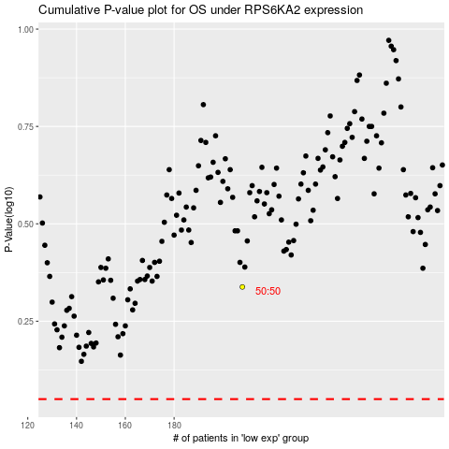

 |  |  |  |  |  | cases_OS | p_OS | rank | exp
 |  |  |  |  |  |  | cases_RFS | p_RFS | rank | exp

