RPS6KA4 _multivariate
Reported by Tex Li-Hsing Chi. tex@gate.sinica.edu.tw 2019-08-16

Table 2. The clinicopathological features of HNSCC cohort and RPS6KA4 expression. (Chi square test)
Cutoff at 0.109 (57.7%)
 |  | RPS6KA4 expression |  | RPS6KA4 expression |  | (Optimised)
 | Features | Low | (%) | High | (%) | Case no | P-value | Remark | Matthews
Gender | Female | 191 | 46 | 115 | 27.7 | 415 | 0.0022 | 1 | 0
2 | Male | 49 | 11.8 | 60 | 14.5
Age at diagnosis | <=65y | 167 | 40.2 | 107 | 25.8 | 415 | 0.0914 | 0 | 0
4 | >65y | 73 | 17.6 | 68 | 16.4
Clinical T Status | T1+T2 | 81 | 19.5 | 68 | 16.4 | 415 | 0.3333 | 0 | 0
6 | T3+T4 | 159 | 38.3 | 107 | 25.8
Clinical N Status | N0 | 120 | 28.9 | 96 | 23.1 | 415 | 0.3796 | 0 | 0
8 | N1-3 | 120 | 28.9 | 79 | 19
Clinical M Status | M0 | 239 | 57.6 | 173 | 41.7 | 415 | 0.5756 | 0 | 0
10 | M1 | 1 | 0.2 | 2 | 0.5
Clinical Stage | Stage I+II | 49 | 11.8 | 53 | 12.8 | 415 | 0.0285 | 1 | 0
12 | Stage III+IV | 191 | 46 | 122 | 29.4
Surgical Margin status | Negative | 179 | 43.1 | 139 | 33.5 | 415 | 0.2907 | 0 | 0
14 | Positive | 61 | 14.7 | 36 | 8.7
Tobacco Exposure | Low | 78 | 18.8 | 83 | 20 | 415 | 0.0023 | 1 | 0
16 | High | 162 | 39 | 92 | 22.2

Table 3. Univariate/Multivariate Cox's proportional hazards regression analyses on OS time of RPS6KA4 gene expression in HNSCC

 |  | Univariate |  |  |  | Multivariate
 | Features | HR | CI95%(L) | CI95%(H) | P-value | HR | CI95%(L) | CI95%(H) | P-value
1 | Female | 1 |  |  |  | 1
Gender | Male | 1.157 | 0.843 | 1.587 | 0.367 | 1.131 | 0.803 | 1.593 | 0.482
11 | <=65y | 1 |  |  |  | 1
Age at diagnosis | >65y | 1.329 | 0.99 | 1.784 | 0.058 | 1.365 | 1.003 | 1.858 | 0.048
12 | T1+T2 | 1 |  |  |  | 1
Clinical T Status | T3+T4 | 1.409 | 1.028 | 1.931 | 0.033 | 2.118 | 1.119 | 4.009 | 0.021
13 | N0 | 1 |  |  |  | 1
Clinical N Status | N1-3 | 1.185 | 0.89 | 1.577 | 0.246 | 1.216 | 0.851 | 1.737 | 0.283
14 | M0 | 1 |  |  |  | 1
Clinical M Status | M1 | 4.097 | 1.009 | 16.644 | 0.049 | 7.939 | 1.716 | 36.731 | 0.008
15 | Stage I+II | 1 |  |  |  | 1
Clinical Stage | Stage III+IV | 1.245 | 0.882 | 1.759 | 0.213 | 0.562 | 0.259 | 1.218 | 0.144
16 | Negative | 1 |  |  |  | 1
Surgical Margin status | Positive | 1.591 | 1.155 | 2.191 | 0.004 | 1.671 | 1.21 | 2.308 | 0.002
17 | Low | 1 |  |  |  | 1
Tobacco Exposure | High | 1.364 | 1.008 | 1.844 | 0.044 | 1.515 | 1.095 | 2.098 | 0.012
18 | Low | 1 |  |  |  | 1
RNAseq(z-score) | High | 1.339 | 1.005 | 1.785 | 0.046 | 1.361 | 1.001 | 1.85 | 0.049

Table 4. Univariate/Multivariate Cox's proportional hazards regression analyses on RFS time of RPS6KA4 gene expression in HNSCC

 |  | Univariate |  |  |  | Multivariate
 | Features | HR | CI95%(L) | CI95%(H) | P-value | HR | CI95%(L) | CI95%(H) | P-value
1 | Female | 1 |  |  |  | 1
Gender | Male | 1.157 | 0.843 | 1.587 | 0.367 | 1.131 | 0.803 | 1.593 | 0.482
11 | <=65y | 1 |  |  |  | 1
Age at diagnosis | >65y | 1.329 | 0.99 | 1.784 | 0.058 | 1.365 | 1.003 | 1.858 | 0.048
12 | T1+T2 | 1 |  |  |  | 1
Clinical T Status | T3+T4 | 1.409 | 1.028 | 1.931 | 0.033 | 2.118 | 1.119 | 4.009 | 0.021
13 | N0 | 1 |  |  |  | 1
Clinical N Status | N1-3 | 1.185 | 0.89 | 1.577 | 0.246 | 1.216 | 0.851 | 1.737 | 0.283
14 | M0 | 1 |  |  |  | 1
Clinical M Status | M1 | 4.097 | 1.009 | 16.644 | 0.049 | 7.939 | 1.716 | 36.731 | 0.008
15 | Stage I+II | 1 |  |  |  | 1
Clinical Stage | Stage III+IV | 1.245 | 0.882 | 1.759 | 0.213 | 0.562 | 0.259 | 1.218 | 0.144
16 | Negative | 1 |  |  |  | 1
Surgical Margin status | Positive | 1.591 | 1.155 | 2.191 | 0.004 | 1.671 | 1.21 | 2.308 | 0.002
17 | Low | 1 |  |  |  | 1
Tobacco Exposure | High | 1.364 | 1.008 | 1.844 | 0.044 | 1.515 | 1.095 | 2.098 | 0.012
18 | Low | 1 |  |  |  | 1
RNAseq(z-score) | High | 1.339 | 1.005 | 1.785 | 0.046 | 1.361 | 1.001 | 1.85 | 0.049

Kaplan-Meier survival estimate: Cutoff at 0.109 (57.7%)

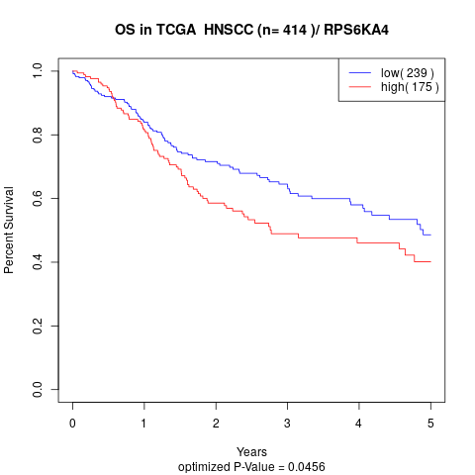

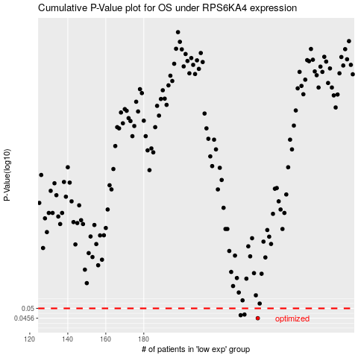

 |  |  |  |  |  | cases_OS | p_OS | rank | exp
 |  |  |  |  |  | 240 | 0.0456 | 3 | 0.10893971349
 |  |  |  |  |  | 231 | 0.0469 | 322 | 0.055439519892
 |  |  |  |  |  | 233 | 0.0472 | 274 | 0.060633558441
 |  |  |  |  |  |  | cases_RFS | p_RFS | rank | exp
 |  |  |  |  |  |  | 239 | 0.0456 | 126 | 0.10549692334
 |  |  |  |  |  |  | 230 | 0.0469 | 130 | 0.053441717425
 |  |  |  |  |  |  | 232 | 0.0472 | 294 | 0.057049338681

