RPS6KB1 _multivariate
Reported by Tex Li-Hsing Chi. tex@gate.sinica.edu.tw 2019-08-16

Table 2. The clinicopathological features of HNSCC cohort and RPS6KB1 expression. (Chi square test)
Cutoff at -0.088 (50.0%)
 |  | RPS6KB1 expression |  | RPS6KB1 expression |  | (Optimised)
 | Features | Low | (%) | High | (%) | Case no | P-value | Remark | Matthews
Gender | Female | 155 | 37.3 | 151 | 36.4 | 415 | 0.6768 | 0 | 0
2 | Male | 52 | 12.5 | 57 | 13.7
Age at diagnosis | <=65y | 130 | 31.3 | 144 | 34.7 | 415 | 0.2009 | 0 | 0
4 | >65y | 77 | 18.6 | 64 | 15.4
Clinical T Status | T1+T2 | 82 | 19.8 | 67 | 16.1 | 415 | 0.1417 | 0 | 0
6 | T3+T4 | 125 | 30.1 | 141 | 34
Clinical N Status | N0 | 110 | 26.5 | 106 | 25.5 | 415 | 0.7294 | 0 | 0
8 | N1-3 | 97 | 23.4 | 102 | 24.6
Clinical M Status | M0 | 205 | 49.4 | 207 | 49.9 | 415 | 0.6232 | 0 | 0
10 | M1 | 2 | 0.5 | 1 | 0.2
Clinical Stage | Stage I+II | 60 | 14.5 | 42 | 10.1 | 415 | 0.0493 | 1 | 0
12 | Stage III+IV | 147 | 35.4 | 166 | 40
Surgical Margin status | Negative | 161 | 38.8 | 157 | 37.8 | 415 | 0.6429 | 0 | 0
14 | Positive | 46 | 11.1 | 51 | 12.3
Tobacco Exposure | Low | 79 | 19 | 82 | 19.8 | 415 | 0.8405 | 0 | 0
16 | High | 128 | 30.8 | 126 | 30.4

Table 3. Univariate/Multivariate Cox's proportional hazards regression analyses on OS time of RPS6KB1 gene expression in HNSCC

 |  | Univariate |  |  |  | Multivariate
 | Features | HR | CI95%(L) | CI95%(H) | P-value | HR | CI95%(L) | CI95%(H) | P-value
1 | Female | 1 |  |  |  | 1
Gender | Male | 1.157 | 0.843 | 1.587 | 0.367 | 1.202 | 0.86 | 1.679 | 0.282
11 | <=65y | 1 |  |  |  | 1
Age at diagnosis | >65y | 1.329 | 0.99 | 1.784 | 0.058 | 1.392 | 1.022 | 1.894 | 0.036
12 | T1+T2 | 1 |  |  |  | 1
Clinical T Status | T3+T4 | 1.409 | 1.028 | 1.931 | 0.033 | 2.202 | 1.164 | 4.165 | 0.015
13 | N0 | 1 |  |  |  | 1
Clinical N Status | N1-3 | 1.185 | 0.89 | 1.577 | 0.246 | 1.241 | 0.87 | 1.77 | 0.234
14 | M0 | 1 |  |  |  | 1
Clinical M Status | M1 | 4.097 | 1.009 | 16.644 | 0.049 | 9.401 | 2.042 | 43.285 | 0.004
15 | Stage I+II | 1 |  |  |  | 1
Clinical Stage | Stage III+IV | 1.245 | 0.882 | 1.759 | 0.213 | 0.505 | 0.235 | 1.085 | 0.08
16 | Negative | 1 |  |  |  | 1
Surgical Margin status | Positive | 1.591 | 1.155 | 2.191 | 0.004 | 1.671 | 1.208 | 2.312 | 0.002
17 | Low | 1 |  |  |  | 1
Tobacco Exposure | High | 1.364 | 1.008 | 1.844 | 0.044 | 1.453 | 1.054 | 2.003 | 0.023
18 | Low | 1 |  |  |  | 1
RNAseq(z-score) | High | 0.915 | 0.687 | 1.218 | 0.541 | 0.999 | 0.747 | 1.335 | 0.992

Table 4. Univariate/Multivariate Cox's proportional hazards regression analyses on RFS time of RPS6KB1 gene expression in HNSCC

 |  | Univariate |  |  |  | Multivariate
 | Features | HR | CI95%(L) | CI95%(H) | P-value | HR | CI95%(L) | CI95%(H) | P-value
1 | Female | 1 |  |  |  | 1
Gender | Male | 1.157 | 0.843 | 1.587 | 0.367 | 1.202 | 0.86 | 1.679 | 0.282
11 | <=65y | 1 |  |  |  | 1
Age at diagnosis | >65y | 1.329 | 0.99 | 1.784 | 0.058 | 1.392 | 1.022 | 1.894 | 0.036
12 | T1+T2 | 1 |  |  |  | 1
Clinical T Status | T3+T4 | 1.409 | 1.028 | 1.931 | 0.033 | 2.202 | 1.164 | 4.165 | 0.015
13 | N0 | 1 |  |  |  | 1
Clinical N Status | N1-3 | 1.185 | 0.89 | 1.577 | 0.246 | 1.241 | 0.87 | 1.77 | 0.234
14 | M0 | 1 |  |  |  | 1
Clinical M Status | M1 | 4.097 | 1.009 | 16.644 | 0.049 | 9.401 | 2.042 | 43.285 | 0.004
15 | Stage I+II | 1 |  |  |  | 1
Clinical Stage | Stage III+IV | 1.245 | 0.882 | 1.759 | 0.213 | 0.505 | 0.235 | 1.085 | 0.08
16 | Negative | 1 |  |  |  | 1
Surgical Margin status | Positive | 1.591 | 1.155 | 2.191 | 0.004 | 1.671 | 1.208 | 2.312 | 0.002
17 | Low | 1 |  |  |  | 1
Tobacco Exposure | High | 1.364 | 1.008 | 1.844 | 0.044 | 1.453 | 1.054 | 2.003 | 0.023
18 | Low | 1 |  |  |  | 1
RNAseq(z-score) | High | 0.915 | 0.687 | 1.218 | 0.541 | 0.999 | 0.747 | 1.335 | 0.992

Kaplan-Meier survival estimate: Cutoff at -0.088 (50.0%)



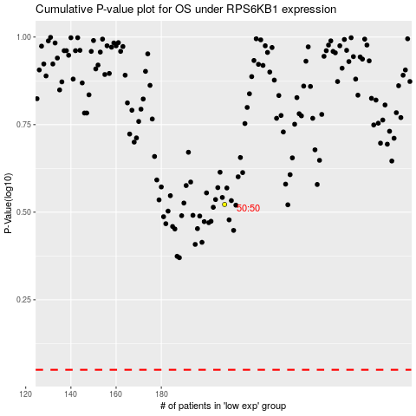

 |  |  |  |  |  | cases_OS | p_OS | rank | exp
 |  |  |  |  |  |  | cases_RFS | p_RFS | rank | exp

