RPS6KB2 _multivariate
Reported by Tex Li-Hsing Chi. tex@gate.sinica.edu.tw 2019-08-16

Table 2. The clinicopathological features of HNSCC cohort and RPS6KB2 expression. (Chi square test)
Cutoff at -0.325 (49.8%)
 |  | RPS6KB2 expression |  | RPS6KB2 expression |  | (Optimised)
 | Features | Low | (%) | High | (%) | Case no | P-value | Remark | Matthews
Gender | Female | 157 | 37.8 | 149 | 35.9 | 415 | 0.3881 | 0 | 0
2 | Male | 50 | 12 | 59 | 14.2
Age at diagnosis | <=65y | 134 | 32.3 | 140 | 33.7 | 415 | 0.6529 | 0 | 0
4 | >65y | 73 | 17.6 | 68 | 16.4
Clinical T Status | T1+T2 | 71 | 17.1 | 78 | 18.8 | 415 | 0.5638 | 0 | 0
6 | T3+T4 | 136 | 32.8 | 130 | 31.3
Clinical N Status | N0 | 104 | 25.1 | 112 | 27 | 415 | 0.5243 | 0 | 0
8 | N1-3 | 103 | 24.8 | 96 | 23.1
Clinical M Status | M0 | 206 | 49.6 | 206 | 49.6 | 415 | 1 | 0 | 0
10 | M1 | 1 | 0.2 | 2 | 0.5
Clinical Stage | Stage I+II | 47 | 11.3 | 55 | 13.3 | 415 | 0.4413 | 0 | 0
12 | Stage III+IV | 160 | 38.6 | 153 | 36.9
Surgical Margin status | Negative | 157 | 37.8 | 161 | 38.8 | 415 | 0.729 | 0 | 0
14 | Positive | 50 | 12 | 47 | 11.3
Tobacco Exposure | Low | 76 | 18.3 | 85 | 20.5 | 415 | 0.4207 | 0 | 0
16 | High | 131 | 31.6 | 123 | 29.6

Table 3. Univariate/Multivariate Cox's proportional hazards regression analyses on OS time of RPS6KB2 gene expression in HNSCC

 |  | Univariate |  |  |  | Multivariate
 | Features | HR | CI95%(L) | CI95%(H) | P-value | HR | CI95%(L) | CI95%(H) | P-value
1 | Female | 1 |  |  |  | 1
Gender | Male | 1.157 | 0.843 | 1.587 | 0.367 | 1.232 | 0.879 | 1.727 | 0.227
11 | <=65y | 1 |  |  |  | 1
Age at diagnosis | >65y | 1.329 | 0.99 | 1.784 | 0.058 | 1.378 | 1.013 | 1.874 | 0.041
12 | T1+T2 | 1 |  |  |  | 1
Clinical T Status | T3+T4 | 1.409 | 1.028 | 1.931 | 0.033 | 2.215 | 1.172 | 4.187 | 0.014
13 | N0 | 1 |  |  |  | 1
Clinical N Status | N1-3 | 1.185 | 0.89 | 1.577 | 0.246 | 1.236 | 0.866 | 1.764 | 0.242
14 | M0 | 1 |  |  |  | 1
Clinical M Status | M1 | 4.097 | 1.009 | 16.644 | 0.049 | 9.963 | 2.164 | 45.861 | 0.003
15 | Stage I+II | 1 |  |  |  | 1
Clinical Stage | Stage III+IV | 1.245 | 0.882 | 1.759 | 0.213 | 0.501 | 0.233 | 1.076 | 0.076
16 | Negative | 1 |  |  |  | 1
Surgical Margin status | Positive | 1.591 | 1.155 | 2.191 | 0.004 | 1.68 | 1.216 | 2.322 | 0.002
17 | Low | 1 |  |  |  | 1
Tobacco Exposure | High | 1.364 | 1.008 | 1.844 | 0.044 | 1.456 | 1.056 | 2.006 | 0.022
18 | Low | 1 |  |  |  | 1
RNAseq(z-score) | High | 0.894 | 0.671 | 1.191 | 0.444 | 0.862 | 0.643 | 1.154 | 0.318

Table 4. Univariate/Multivariate Cox's proportional hazards regression analyses on RFS time of RPS6KB2 gene expression in HNSCC

 |  | Univariate |  |  |  | Multivariate
 | Features | HR | CI95%(L) | CI95%(H) | P-value | HR | CI95%(L) | CI95%(H) | P-value
1 | Female | 1 |  |  |  | 1
Gender | Male | 1.157 | 0.843 | 1.587 | 0.367 | 1.232 | 0.879 | 1.727 | 0.227
11 | <=65y | 1 |  |  |  | 1
Age at diagnosis | >65y | 1.329 | 0.99 | 1.784 | 0.058 | 1.378 | 1.013 | 1.874 | 0.041
12 | T1+T2 | 1 |  |  |  | 1
Clinical T Status | T3+T4 | 1.409 | 1.028 | 1.931 | 0.033 | 2.215 | 1.172 | 4.187 | 0.014
13 | N0 | 1 |  |  |  | 1
Clinical N Status | N1-3 | 1.185 | 0.89 | 1.577 | 0.246 | 1.236 | 0.866 | 1.764 | 0.242
14 | M0 | 1 |  |  |  | 1
Clinical M Status | M1 | 4.097 | 1.009 | 16.644 | 0.049 | 9.963 | 2.164 | 45.861 | 0.003
15 | Stage I+II | 1 |  |  |  | 1
Clinical Stage | Stage III+IV | 1.245 | 0.882 | 1.759 | 0.213 | 0.501 | 0.233 | 1.076 | 0.076
16 | Negative | 1 |  |  |  | 1
Surgical Margin status | Positive | 1.591 | 1.155 | 2.191 | 0.004 | 1.68 | 1.216 | 2.322 | 0.002
17 | Low | 1 |  |  |  | 1
Tobacco Exposure | High | 1.364 | 1.008 | 1.844 | 0.044 | 1.456 | 1.056 | 2.006 | 0.022
18 | Low | 1 |  |  |  | 1
RNAseq(z-score) | High | 0.894 | 0.671 | 1.191 | 0.444 | 0.862 | 0.643 | 1.154 | 0.318

Kaplan-Meier survival estimate: Cutoff at -0.325 (49.8%)



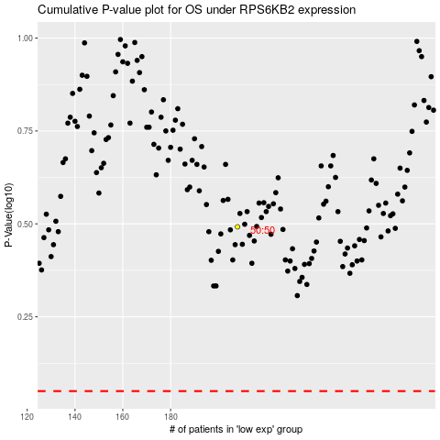

 |  |  |  |  |  | cases_OS | p_OS | rank | exp
 |  |  |  |  |  |  | cases_RFS | p_RFS | rank | exp

