RPS6KC1 _multivariate
Reported by Tex Li-Hsing Chi. tex@gate.sinica.edu.tw 2019-08-16

Table 2. The clinicopathological features of HNSCC cohort and RPS6KC1 expression. (Chi square test)
Cutoff at -0.051 (49.8%)
 |  | RPS6KC1 expression |  | RPS6KC1 expression |  | (Optimised)
 | Features | Low | (%) | High | (%) | Case no | P-value | Remark | Matthews
Gender | Female | 158 | 38.1 | 148 | 35.7 | 415 | 0.2774 | 0 | 0
2 | Male | 49 | 11.8 | 60 | 14.5
Age at diagnosis | <=65y | 144 | 34.7 | 130 | 31.3 | 415 | 0.1568 | 0 | 0
4 | >65y | 63 | 15.2 | 78 | 18.8
Clinical T Status | T1+T2 | 72 | 17.3 | 77 | 18.6 | 415 | 0.7095 | 0 | 0
6 | T3+T4 | 135 | 32.5 | 131 | 31.6
Clinical N Status | N0 | 108 | 26 | 108 | 26 | 415 | 1 | 0 | 0
8 | N1-3 | 99 | 23.9 | 100 | 24.1
Clinical M Status | M0 | 205 | 49.4 | 207 | 49.9 | 415 | 0.6232 | 0 | 0
10 | M1 | 2 | 0.5 | 1 | 0.2
Clinical Stage | Stage I+II | 45 | 10.8 | 57 | 13.7 | 415 | 0.2202 | 0 | 0
12 | Stage III+IV | 162 | 39 | 151 | 36.4
Surgical Margin status | Negative | 160 | 38.6 | 158 | 38.1 | 415 | 0.8167 | 0 | 0
14 | Positive | 47 | 11.3 | 50 | 12
Tobacco Exposure | Low | 88 | 21.2 | 73 | 17.6 | 415 | 0.1314 | 0 | 0
16 | High | 119 | 28.7 | 135 | 32.5

Table 3. Univariate/Multivariate Cox's proportional hazards regression analyses on OS time of RPS6KC1 gene expression in HNSCC

 |  | Univariate |  |  |  | Multivariate
 | Features | HR | CI95%(L) | CI95%(H) | P-value | HR | CI95%(L) | CI95%(H) | P-value
1 | Female | 1 |  |  |  | 1
Gender | Male | 1.157 | 0.843 | 1.587 | 0.367 | 1.201 | 0.859 | 1.677 | 0.284
11 | <=65y | 1 |  |  |  | 1
Age at diagnosis | >65y | 1.329 | 0.99 | 1.784 | 0.058 | 1.386 | 1.019 | 1.886 | 0.037
12 | T1+T2 | 1 |  |  |  | 1
Clinical T Status | T3+T4 | 1.409 | 1.028 | 1.931 | 0.033 | 2.201 | 1.164 | 4.162 | 0.015
13 | N0 | 1 |  |  |  | 1
Clinical N Status | N1-3 | 1.185 | 0.89 | 1.577 | 0.246 | 1.233 | 0.862 | 1.762 | 0.251
14 | M0 | 1 |  |  |  | 1
Clinical M Status | M1 | 4.097 | 1.009 | 16.644 | 0.049 | 9.462 | 2.063 | 43.395 | 0.004
15 | Stage I+II | 1 |  |  |  | 1
Clinical Stage | Stage III+IV | 1.245 | 0.882 | 1.759 | 0.213 | 0.508 | 0.236 | 1.091 | 0.083
16 | Negative | 1 |  |  |  | 1
Surgical Margin status | Positive | 1.591 | 1.155 | 2.191 | 0.004 | 1.681 | 1.214 | 2.326 | 0.002
17 | Low | 1 |  |  |  | 1
Tobacco Exposure | High | 1.364 | 1.008 | 1.844 | 0.044 | 1.445 | 1.047 | 1.994 | 0.025
18 | Low | 1 |  |  |  | 1
RNAseq(z-score) | High | 1.092 | 0.819 | 1.456 | 0.55 | 1.054 | 0.787 | 1.413 | 0.722

Table 4. Univariate/Multivariate Cox's proportional hazards regression analyses on RFS time of RPS6KC1 gene expression in HNSCC

 |  | Univariate |  |  |  | Multivariate
 | Features | HR | CI95%(L) | CI95%(H) | P-value | HR | CI95%(L) | CI95%(H) | P-value
1 | Female | 1 |  |  |  | 1
Gender | Male | 1.157 | 0.843 | 1.587 | 0.367 | 1.201 | 0.859 | 1.677 | 0.284
11 | <=65y | 1 |  |  |  | 1
Age at diagnosis | >65y | 1.329 | 0.99 | 1.784 | 0.058 | 1.386 | 1.019 | 1.886 | 0.037
12 | T1+T2 | 1 |  |  |  | 1
Clinical T Status | T3+T4 | 1.409 | 1.028 | 1.931 | 0.033 | 2.201 | 1.164 | 4.162 | 0.015
13 | N0 | 1 |  |  |  | 1
Clinical N Status | N1-3 | 1.185 | 0.89 | 1.577 | 0.246 | 1.233 | 0.862 | 1.762 | 0.251
14 | M0 | 1 |  |  |  | 1
Clinical M Status | M1 | 4.097 | 1.009 | 16.644 | 0.049 | 9.462 | 2.063 | 43.395 | 0.004
15 | Stage I+II | 1 |  |  |  | 1
Clinical Stage | Stage III+IV | 1.245 | 0.882 | 1.759 | 0.213 | 0.508 | 0.236 | 1.091 | 0.083
16 | Negative | 1 |  |  |  | 1
Surgical Margin status | Positive | 1.591 | 1.155 | 2.191 | 0.004 | 1.681 | 1.214 | 2.326 | 0.002
17 | Low | 1 |  |  |  | 1
Tobacco Exposure | High | 1.364 | 1.008 | 1.844 | 0.044 | 1.445 | 1.047 | 1.994 | 0.025
18 | Low | 1 |  |  |  | 1
RNAseq(z-score) | High | 1.092 | 0.819 | 1.456 | 0.55 | 1.054 | 0.787 | 1.413 | 0.722

Kaplan-Meier survival estimate: Cutoff at -0.051 (49.8%)



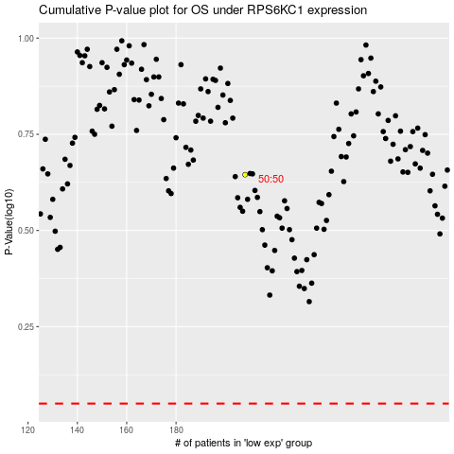

 |  |  |  |  |  | cases_OS | p_OS | rank | exp
 |  |  |  |  |  |  | cases_RFS | p_RFS | rank | exp

