RPS6KL1 _multivariate
Reported by Tex Li-Hsing Chi. tex@gate.sinica.edu.tw 2019-08-16

Table 2. The clinicopathological features of HNSCC cohort and RPS6KL1 expression. (Chi square test)
Cutoff at -0.248 (60.6%)
 |  | RPS6KL1 expression |  | RPS6KL1 expression |  | (Optimised)
 | Features | Low | (%) | High | (%) | Case no | P-value | Remark | Matthews
Gender | Female | 177 | 42.7 | 129 | 31.1 | 415 | 0.0576 | 0 | 0
2 | Male | 75 | 18.1 | 34 | 8.2
Age at diagnosis | <=65y | 154 | 37.1 | 120 | 28.9 | 415 | 0.0117 | 1 | 0
4 | >65y | 98 | 23.6 | 43 | 10.4
Clinical T Status | T1+T2 | 87 | 21 | 62 | 14.9 | 415 | 0.5328 | 0 | 0
6 | T3+T4 | 165 | 39.8 | 101 | 24.3
Clinical N Status | N0 | 136 | 32.8 | 80 | 19.3 | 415 | 0.3827 | 0 | 0
8 | N1-3 | 116 | 28 | 83 | 20
Clinical M Status | M0 | 251 | 60.5 | 161 | 38.8 | 415 | 0.5641 | 0 | 0
10 | M1 | 1 | 0.2 | 2 | 0.5
Clinical Stage | Stage I+II | 67 | 16.1 | 35 | 8.4 | 415 | 0.2868 | 0 | 0
12 | Stage III+IV | 185 | 44.6 | 128 | 30.8
Surgical Margin status | Negative | 192 | 46.3 | 126 | 30.4 | 415 | 0.8134 | 0 | 0
14 | Positive | 60 | 14.5 | 37 | 8.9
Tobacco Exposure | Low | 105 | 25.3 | 56 | 13.5 | 415 | 0.1493 | 0 | 0
16 | High | 147 | 35.4 | 107 | 25.8

Table 3. Univariate/Multivariate Cox's proportional hazards regression analyses on OS time of RPS6KL1 gene expression in HNSCC

 |  | Univariate |  |  |  | Multivariate
 | Features | HR | CI95%(L) | CI95%(H) | P-value | HR | CI95%(L) | CI95%(H) | P-value
1 | Female | 1 |  |  |  | 1
Gender | Male | 1.157 | 0.843 | 1.587 | 0.367 | 1.159 | 0.828 | 1.623 | 0.39
11 | <=65y | 1 |  |  |  | 1
Age at diagnosis | >65y | 1.329 | 0.99 | 1.784 | 0.058 | 1.338 | 0.984 | 1.82 | 0.063
12 | T1+T2 | 1 |  |  |  | 1
Clinical T Status | T3+T4 | 1.409 | 1.028 | 1.931 | 0.033 | 2.123 | 1.122 | 4.019 | 0.021
13 | N0 | 1 |  |  |  | 1
Clinical N Status | N1-3 | 1.185 | 0.89 | 1.577 | 0.246 | 1.214 | 0.851 | 1.732 | 0.285
14 | M0 | 1 |  |  |  | 1
Clinical M Status | M1 | 4.097 | 1.009 | 16.644 | 0.049 | 10.454 | 2.272 | 48.107 | 0.003
15 | Stage I+II | 1 |  |  |  | 1
Clinical Stage | Stage III+IV | 1.245 | 0.882 | 1.759 | 0.213 | 0.536 | 0.249 | 1.153 | 0.11
16 | Negative | 1 |  |  |  | 1
Surgical Margin status | Positive | 1.591 | 1.155 | 2.191 | 0.004 | 1.707 | 1.234 | 2.36 | 0.001
17 | Low | 1 |  |  |  | 1
Tobacco Exposure | High | 1.364 | 1.008 | 1.844 | 0.044 | 1.505 | 1.09 | 2.078 | 0.013
18 | Low | 1 |  |  |  | 1
RNAseq(z-score) | High | 0.719 | 0.532 | 0.971 | 0.032 | 0.709 | 0.519 | 0.968 | 0.03

Table 4. Univariate/Multivariate Cox's proportional hazards regression analyses on RFS time of RPS6KL1 gene expression in HNSCC

 |  | Univariate |  |  |  | Multivariate
 | Features | HR | CI95%(L) | CI95%(H) | P-value | HR | CI95%(L) | CI95%(H) | P-value
1 | Female | 1 |  |  |  | 1
Gender | Male | 1.157 | 0.843 | 1.587 | 0.367 | 1.159 | 0.828 | 1.623 | 0.39
11 | <=65y | 1 |  |  |  | 1
Age at diagnosis | >65y | 1.329 | 0.99 | 1.784 | 0.058 | 1.338 | 0.984 | 1.82 | 0.063
12 | T1+T2 | 1 |  |  |  | 1
Clinical T Status | T3+T4 | 1.409 | 1.028 | 1.931 | 0.033 | 2.123 | 1.122 | 4.019 | 0.021
13 | N0 | 1 |  |  |  | 1
Clinical N Status | N1-3 | 1.185 | 0.89 | 1.577 | 0.246 | 1.214 | 0.851 | 1.732 | 0.285
14 | M0 | 1 |  |  |  | 1
Clinical M Status | M1 | 4.097 | 1.009 | 16.644 | 0.049 | 10.454 | 2.272 | 48.107 | 0.003
15 | Stage I+II | 1 |  |  |  | 1
Clinical Stage | Stage III+IV | 1.245 | 0.882 | 1.759 | 0.213 | 0.536 | 0.249 | 1.153 | 0.11
16 | Negative | 1 |  |  |  | 1
Surgical Margin status | Positive | 1.591 | 1.155 | 2.191 | 0.004 | 1.707 | 1.234 | 2.36 | 0.001
17 | Low | 1 |  |  |  | 1
Tobacco Exposure | High | 1.364 | 1.008 | 1.844 | 0.044 | 1.505 | 1.09 | 2.078 | 0.013
18 | Low | 1 |  |  |  | 1
RNAseq(z-score) | High | 0.719 | 0.532 | 0.971 | 0.032 | 0.709 | 0.519 | 0.968 | 0.03

Kaplan-Meier survival estimate: Cutoff at -0.248 (60.6%)



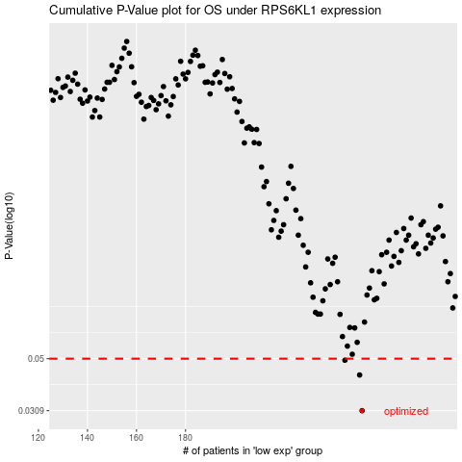

 |  |  |  |  |  | cases_OS | p_OS | rank | exp
 |  |  |  |  |  | 252 | 0.0309 | 245 | -0.24835729432
 |  |  |  |  |  | 251 | 0.043 | 283 | -0.25298229853
 |  |  |  |  |  | 245 | 0.0493 | 292 | -0.27989190893
 |  |  |  |  |  |  | cases_RFS | p_RFS | rank | exp
 |  |  |  |  |  |  | 251 | 0.0309 | 283 | -0.25298229853
 |  |  |  |  |  |  | 250 | 0.043 | 79 | -0.2581137298
 |  |  |  |  |  |  | 244 | 0.0493 | 77 | -0.28165805064

