RPS7 _multivariate
Reported by Tex Li-Hsing Chi. tex@gate.sinica.edu.tw 2019-08-16

Table 2. The clinicopathological features of HNSCC cohort and RPS7 expression. (Chi square test)
Cutoff at -0.279 (50.0%)
 |  | RPS7 expression |  | RPS7 expression |  | (Optimised)
 | Features | Low | (%) | High | (%) | Case no | P-value | Remark | Matthews
Gender | Female | 153 | 36.9 | 153 | 36.9 | 415 | 1 | 0 | 0
2 | Male | 54 | 13 | 55 | 13.3
Age at diagnosis | <=65y | 139 | 33.5 | 135 | 32.5 | 415 | 0.7044 | 0 | 0
4 | >65y | 68 | 16.4 | 73 | 17.6
Clinical T Status | T1+T2 | 79 | 19 | 70 | 16.9 | 415 | 0.3924 | 0 | 0
6 | T3+T4 | 128 | 30.8 | 138 | 33.3
Clinical N Status | N0 | 111 | 26.7 | 105 | 25.3 | 415 | 0.5875 | 0 | 0
8 | N1-3 | 96 | 23.1 | 103 | 24.8
Clinical M Status | M0 | 207 | 49.9 | 205 | 49.4 | 415 | 0.2482 | 0 | 0
10 | M1 | 0 | 0 | 3 | 0.7
Clinical Stage | Stage I+II | 55 | 13.3 | 47 | 11.3 | 415 | 0.4087 | 0 | 0
12 | Stage III+IV | 152 | 36.6 | 161 | 38.8
Surgical Margin status | Negative | 166 | 40 | 152 | 36.6 | 415 | 0.1042 | 0 | 0
14 | Positive | 41 | 9.9 | 56 | 13.5
Tobacco Exposure | Low | 85 | 20.5 | 76 | 18.3 | 415 | 0.3655 | 0 | 0
16 | High | 122 | 29.4 | 132 | 31.8

Table 3. Univariate/Multivariate Cox's proportional hazards regression analyses on OS time of RPS7 gene expression in HNSCC

 |  | Univariate |  |  |  | Multivariate
 | Features | HR | CI95%(L) | CI95%(H) | P-value | HR | CI95%(L) | CI95%(H) | P-value
1 | Female | 1 |  |  |  | 1
Gender | Male | 1.157 | 0.843 | 1.587 | 0.367 | 1.209 | 0.865 | 1.688 | 0.267
11 | <=65y | 1 |  |  |  | 1
Age at diagnosis | >65y | 1.329 | 0.99 | 1.784 | 0.058 | 1.389 | 1.022 | 1.889 | 0.036
12 | T1+T2 | 1 |  |  |  | 1
Clinical T Status | T3+T4 | 1.409 | 1.028 | 1.931 | 0.033 | 2.223 | 1.174 | 4.208 | 0.014
13 | N0 | 1 |  |  |  | 1
Clinical N Status | N1-3 | 1.185 | 0.89 | 1.577 | 0.246 | 1.243 | 0.871 | 1.774 | 0.23
14 | M0 | 1 |  |  |  | 1
Clinical M Status | M1 | 4.097 | 1.009 | 16.644 | 0.049 | 9.922 | 2.14 | 46.009 | 0.003
15 | Stage I+II | 1 |  |  |  | 1
Clinical Stage | Stage III+IV | 1.245 | 0.882 | 1.759 | 0.213 | 0.501 | 0.233 | 1.076 | 0.076
16 | Negative | 1 |  |  |  | 1
Surgical Margin status | Positive | 1.591 | 1.155 | 2.191 | 0.004 | 1.703 | 1.224 | 2.368 | 0.002
17 | Low | 1 |  |  |  | 1
Tobacco Exposure | High | 1.364 | 1.008 | 1.844 | 0.044 | 1.46 | 1.06 | 2.011 | 0.021
18 | Low | 1 |  |  |  | 1
RNAseq(z-score) | High | 1.057 | 0.793 | 1.409 | 0.704 | 0.918 | 0.683 | 1.234 | 0.572

Table 4. Univariate/Multivariate Cox's proportional hazards regression analyses on RFS time of RPS7 gene expression in HNSCC

 |  | Univariate |  |  |  | Multivariate
 | Features | HR | CI95%(L) | CI95%(H) | P-value | HR | CI95%(L) | CI95%(H) | P-value
1 | Female | 1 |  |  |  | 1
Gender | Male | 1.157 | 0.843 | 1.587 | 0.367 | 1.209 | 0.865 | 1.688 | 0.267
11 | <=65y | 1 |  |  |  | 1
Age at diagnosis | >65y | 1.329 | 0.99 | 1.784 | 0.058 | 1.389 | 1.022 | 1.889 | 0.036
12 | T1+T2 | 1 |  |  |  | 1
Clinical T Status | T3+T4 | 1.409 | 1.028 | 1.931 | 0.033 | 2.223 | 1.174 | 4.208 | 0.014
13 | N0 | 1 |  |  |  | 1
Clinical N Status | N1-3 | 1.185 | 0.89 | 1.577 | 0.246 | 1.243 | 0.871 | 1.774 | 0.23
14 | M0 | 1 |  |  |  | 1
Clinical M Status | M1 | 4.097 | 1.009 | 16.644 | 0.049 | 9.922 | 2.14 | 46.009 | 0.003
15 | Stage I+II | 1 |  |  |  | 1
Clinical Stage | Stage III+IV | 1.245 | 0.882 | 1.759 | 0.213 | 0.501 | 0.233 | 1.076 | 0.076
16 | Negative | 1 |  |  |  | 1
Surgical Margin status | Positive | 1.591 | 1.155 | 2.191 | 0.004 | 1.703 | 1.224 | 2.368 | 0.002
17 | Low | 1 |  |  |  | 1
Tobacco Exposure | High | 1.364 | 1.008 | 1.844 | 0.044 | 1.46 | 1.06 | 2.011 | 0.021
18 | Low | 1 |  |  |  | 1
RNAseq(z-score) | High | 1.057 | 0.793 | 1.409 | 0.704 | 0.918 | 0.683 | 1.234 | 0.572

Kaplan-Meier survival estimate: Cutoff at -0.279 (50.0%)



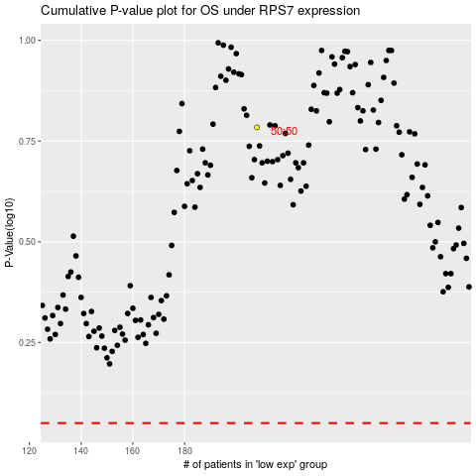

 |  |  |  |  |  | cases_OS | p_OS | rank | exp
 |  |  |  |  |  |  | cases_RFS | p_RFS | rank | exp

