RPSAP58 _multivariate
Reported by Tex Li-Hsing Chi. tex@gate.sinica.edu.tw 2019-08-16

Table 2. The clinicopathological features of HNSCC cohort and RPSAP58 expression. (Chi square test)
Cutoff at -0.39 (49.8%)
 |  | RPSAP58 expression |  | RPSAP58 expression |  | (Optimised)
 | Features | Low | (%) | High | (%) | Case no | P-value | Remark | Matthews
Gender | Female | 158 | 38.1 | 148 | 35.7 | 415 | 0.2774 | 0 | 0
2 | Male | 49 | 11.8 | 60 | 14.5
Age at diagnosis | <=65y | 146 | 35.2 | 128 | 30.8 | 415 | 0.0672 | 0 | 0
4 | >65y | 61 | 14.7 | 80 | 19.3
Clinical T Status | T1+T2 | 69 | 16.6 | 80 | 19.3 | 415 | 0.3239 | 0 | 0
6 | T3+T4 | 138 | 33.3 | 128 | 30.8
Clinical N Status | N0 | 102 | 24.6 | 114 | 27.5 | 415 | 0.3031 | 0 | 0
8 | N1-3 | 105 | 25.3 | 94 | 22.7
Clinical M Status | M0 | 206 | 49.6 | 206 | 49.6 | 415 | 1 | 0 | 0
10 | M1 | 1 | 0.2 | 2 | 0.5
Clinical Stage | Stage I+II | 46 | 11.1 | 56 | 13.5 | 415 | 0.3182 | 0 | 0
12 | Stage III+IV | 161 | 38.8 | 152 | 36.6
Surgical Margin status | Negative | 164 | 39.5 | 154 | 37.1 | 415 | 0.2462 | 0 | 0
14 | Positive | 43 | 10.4 | 54 | 13
Tobacco Exposure | Low | 75 | 18.1 | 86 | 20.7 | 415 | 0.3141 | 0 | 0
16 | High | 132 | 31.8 | 122 | 29.4

Table 3. Univariate/Multivariate Cox's proportional hazards regression analyses on OS time of RPSAP58 gene expression in HNSCC

 |  | Univariate |  |  |  | Multivariate
 | Features | HR | CI95%(L) | CI95%(H) | P-value | HR | CI95%(L) | CI95%(H) | P-value
1 | Female | 1 |  |  |  | 1
Gender | Male | 1.157 | 0.843 | 1.587 | 0.367 | 1.216 | 0.869 | 1.7 | 0.253
11 | <=65y | 1 |  |  |  | 1
Age at diagnosis | >65y | 1.329 | 0.99 | 1.784 | 0.058 | 1.407 | 1.034 | 1.915 | 0.03
12 | T1+T2 | 1 |  |  |  | 1
Clinical T Status | T3+T4 | 1.409 | 1.028 | 1.931 | 0.033 | 2.187 | 1.156 | 4.138 | 0.016
13 | N0 | 1 |  |  |  | 1
Clinical N Status | N1-3 | 1.185 | 0.89 | 1.577 | 0.246 | 1.235 | 0.865 | 1.763 | 0.245
14 | M0 | 1 |  |  |  | 1
Clinical M Status | M1 | 4.097 | 1.009 | 16.644 | 0.049 | 9.54 | 2.08 | 43.754 | 0.004
15 | Stage I+II | 1 |  |  |  | 1
Clinical Stage | Stage III+IV | 1.245 | 0.882 | 1.759 | 0.213 | 0.501 | 0.233 | 1.075 | 0.076
16 | Negative | 1 |  |  |  | 1
Surgical Margin status | Positive | 1.591 | 1.155 | 2.191 | 0.004 | 1.681 | 1.216 | 2.324 | 0.002
17 | Low | 1 |  |  |  | 1
Tobacco Exposure | High | 1.364 | 1.008 | 1.844 | 0.044 | 1.455 | 1.056 | 2.004 | 0.022
18 | Low | 1 |  |  |  | 1
RNAseq(z-score) | High | 0.907 | 0.68 | 1.21 | 0.507 | 0.89 | 0.663 | 1.194 | 0.437

Table 4. Univariate/Multivariate Cox's proportional hazards regression analyses on RFS time of RPSAP58 gene expression in HNSCC

 |  | Univariate |  |  |  | Multivariate
 | Features | HR | CI95%(L) | CI95%(H) | P-value | HR | CI95%(L) | CI95%(H) | P-value
1 | Female | 1 |  |  |  | 1
Gender | Male | 1.157 | 0.843 | 1.587 | 0.367 | 1.216 | 0.869 | 1.7 | 0.253
11 | <=65y | 1 |  |  |  | 1
Age at diagnosis | >65y | 1.329 | 0.99 | 1.784 | 0.058 | 1.407 | 1.034 | 1.915 | 0.03
12 | T1+T2 | 1 |  |  |  | 1
Clinical T Status | T3+T4 | 1.409 | 1.028 | 1.931 | 0.033 | 2.187 | 1.156 | 4.138 | 0.016
13 | N0 | 1 |  |  |  | 1
Clinical N Status | N1-3 | 1.185 | 0.89 | 1.577 | 0.246 | 1.235 | 0.865 | 1.763 | 0.245
14 | M0 | 1 |  |  |  | 1
Clinical M Status | M1 | 4.097 | 1.009 | 16.644 | 0.049 | 9.54 | 2.08 | 43.754 | 0.004
15 | Stage I+II | 1 |  |  |  | 1
Clinical Stage | Stage III+IV | 1.245 | 0.882 | 1.759 | 0.213 | 0.501 | 0.233 | 1.075 | 0.076
16 | Negative | 1 |  |  |  | 1
Surgical Margin status | Positive | 1.591 | 1.155 | 2.191 | 0.004 | 1.681 | 1.216 | 2.324 | 0.002
17 | Low | 1 |  |  |  | 1
Tobacco Exposure | High | 1.364 | 1.008 | 1.844 | 0.044 | 1.455 | 1.056 | 2.004 | 0.022
18 | Low | 1 |  |  |  | 1
RNAseq(z-score) | High | 0.907 | 0.68 | 1.21 | 0.507 | 0.89 | 0.663 | 1.194 | 0.437

Kaplan-Meier survival estimate: Cutoff at -0.39 (49.8%)

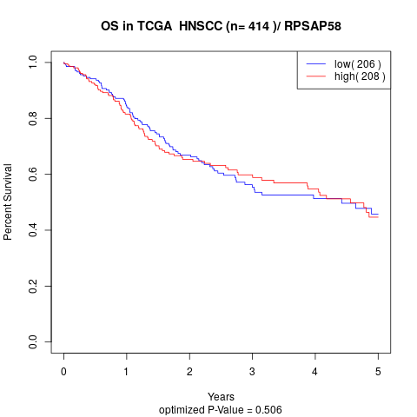

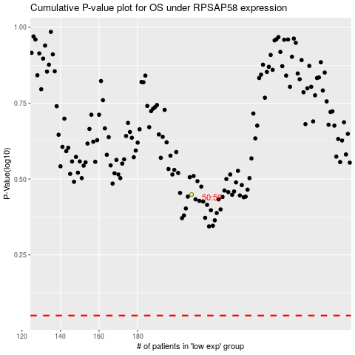

 |  |  |  |  |  | cases_OS | p_OS | rank | exp
 |  |  |  |  |  |  | cases_RFS | p_RFS | rank | exp

