RPSAP9 _multivariate
Reported by Tex Li-Hsing Chi. tex@gate.sinica.edu.tw 2019-08-16

Table 2. The clinicopathological features of HNSCC cohort and RPSAP9 expression. (Chi square test)
Cutoff at -0.364 (49.8%)
 |  | RPSAP9 expression |  | RPSAP9 expression |  | (Optimised)
 | Features | Low | (%) | High | (%) | Case no | P-value | Remark | Matthews
Gender | Female | 159 | 38.3 | 147 | 35.4 | 415 | 0.1905 | 0 | 0
2 | Male | 48 | 11.6 | 61 | 14.7
Age at diagnosis | <=65y | 146 | 35.2 | 128 | 30.8 | 415 | 0.0672 | 0 | 0
4 | >65y | 61 | 14.7 | 80 | 19.3
Clinical T Status | T1+T2 | 74 | 17.8 | 75 | 18.1 | 415 | 1 | 0 | 0
6 | T3+T4 | 133 | 32 | 133 | 32
Clinical N Status | N0 | 104 | 25.1 | 112 | 27 | 415 | 0.5243 | 0 | 0
8 | N1-3 | 103 | 24.8 | 96 | 23.1
Clinical M Status | M0 | 207 | 49.9 | 205 | 49.4 | 415 | 0.2482 | 0 | 0
10 | M1 | 0 | 0 | 3 | 0.7
Clinical Stage | Stage I+II | 49 | 11.8 | 53 | 12.8 | 415 | 0.7535 | 0 | 0
12 | Stage III+IV | 158 | 38.1 | 155 | 37.3
Surgical Margin status | Negative | 167 | 40.2 | 151 | 36.4 | 415 | 0.0632 | 0 | 0
14 | Positive | 40 | 9.6 | 57 | 13.7
Tobacco Exposure | Low | 80 | 19.3 | 81 | 19.5 | 415 | 1 | 0 | 0
16 | High | 127 | 30.6 | 127 | 30.6

Table 3. Univariate/Multivariate Cox's proportional hazards regression analyses on OS time of RPSAP9 gene expression in HNSCC

 |  | Univariate |  |  |  | Multivariate
 | Features | HR | CI95%(L) | CI95%(H) | P-value | HR | CI95%(L) | CI95%(H) | P-value
1 | Female | 1 |  |  |  | 1
Gender | Male | 1.157 | 0.843 | 1.587 | 0.367 | 1.22 | 0.871 | 1.709 | 0.246
11 | <=65y | 1 |  |  |  | 1
Age at diagnosis | >65y | 1.329 | 0.99 | 1.784 | 0.058 | 1.408 | 1.034 | 1.917 | 0.03
12 | T1+T2 | 1 |  |  |  | 1
Clinical T Status | T3+T4 | 1.409 | 1.028 | 1.931 | 0.033 | 2.208 | 1.168 | 4.174 | 0.015
13 | N0 | 1 |  |  |  | 1
Clinical N Status | N1-3 | 1.185 | 0.89 | 1.577 | 0.246 | 1.237 | 0.867 | 1.765 | 0.242
14 | M0 | 1 |  |  |  | 1
Clinical M Status | M1 | 4.097 | 1.009 | 16.644 | 0.049 | 10.071 | 2.171 | 46.712 | 0.003
15 | Stage I+II | 1 |  |  |  | 1
Clinical Stage | Stage III+IV | 1.245 | 0.882 | 1.759 | 0.213 | 0.501 | 0.233 | 1.075 | 0.076
16 | Negative | 1 |  |  |  | 1
Surgical Margin status | Positive | 1.591 | 1.155 | 2.191 | 0.004 | 1.689 | 1.221 | 2.336 | 0.002
17 | Low | 1 |  |  |  | 1
Tobacco Exposure | High | 1.364 | 1.008 | 1.844 | 0.044 | 1.466 | 1.063 | 2.021 | 0.02
18 | Low | 1 |  |  |  | 1
RNAseq(z-score) | High | 1.001 | 0.751 | 1.334 | 0.995 | 0.898 | 0.669 | 1.206 | 0.474

Table 4. Univariate/Multivariate Cox's proportional hazards regression analyses on RFS time of RPSAP9 gene expression in HNSCC

 |  | Univariate |  |  |  | Multivariate
 | Features | HR | CI95%(L) | CI95%(H) | P-value | HR | CI95%(L) | CI95%(H) | P-value
1 | Female | 1 |  |  |  | 1
Gender | Male | 1.157 | 0.843 | 1.587 | 0.367 | 1.22 | 0.871 | 1.709 | 0.246
11 | <=65y | 1 |  |  |  | 1
Age at diagnosis | >65y | 1.329 | 0.99 | 1.784 | 0.058 | 1.408 | 1.034 | 1.917 | 0.03
12 | T1+T2 | 1 |  |  |  | 1
Clinical T Status | T3+T4 | 1.409 | 1.028 | 1.931 | 0.033 | 2.208 | 1.168 | 4.174 | 0.015
13 | N0 | 1 |  |  |  | 1
Clinical N Status | N1-3 | 1.185 | 0.89 | 1.577 | 0.246 | 1.237 | 0.867 | 1.765 | 0.242
14 | M0 | 1 |  |  |  | 1
Clinical M Status | M1 | 4.097 | 1.009 | 16.644 | 0.049 | 10.071 | 2.171 | 46.712 | 0.003
15 | Stage I+II | 1 |  |  |  | 1
Clinical Stage | Stage III+IV | 1.245 | 0.882 | 1.759 | 0.213 | 0.501 | 0.233 | 1.075 | 0.076
16 | Negative | 1 |  |  |  | 1
Surgical Margin status | Positive | 1.591 | 1.155 | 2.191 | 0.004 | 1.689 | 1.221 | 2.336 | 0.002
17 | Low | 1 |  |  |  | 1
Tobacco Exposure | High | 1.364 | 1.008 | 1.844 | 0.044 | 1.466 | 1.063 | 2.021 | 0.02
18 | Low | 1 |  |  |  | 1
RNAseq(z-score) | High | 1.001 | 0.751 | 1.334 | 0.995 | 0.898 | 0.669 | 1.206 | 0.474

Kaplan-Meier survival estimate: Cutoff at -0.364 (49.8%)



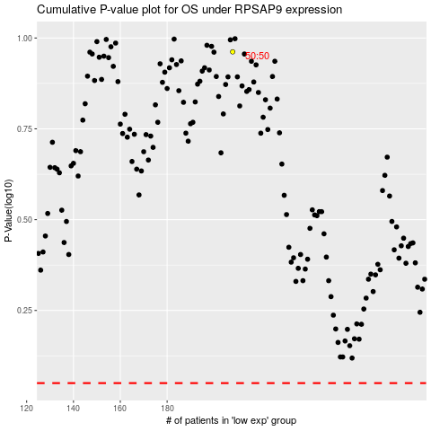

 |  |  |  |  |  | cases_OS | p_OS | rank | exp
 |  |  |  |  |  |  | cases_RFS | p_RFS | rank | exp

