RPUSD2 _multivariate
Reported by Tex Li-Hsing Chi. tex@gate.sinica.edu.tw 2019-08-16

Table 2. The clinicopathological features of HNSCC cohort and RPUSD2 expression. (Chi square test)
Cutoff at -0.531 (30.2%)
 |  | RPUSD2 expression |  | RPUSD2 expression |  | (Optimised)
 | Features | Low | (%) | High | (%) | Case no | P-value | Remark | Matthews
Gender | Female | 89 | 21.4 | 217 | 52.3 | 415 | 0.4087 | 0 | 0
2 | Male | 37 | 8.9 | 72 | 17.3
Age at diagnosis | <=65y | 83 | 20 | 191 | 46 | 415 | 1 | 0 | 0
4 | >65y | 43 | 10.4 | 98 | 23.6
Clinical T Status | T1+T2 | 45 | 10.8 | 104 | 25.1 | 415 | 1 | 0 | 0
6 | T3+T4 | 81 | 19.5 | 185 | 44.6
Clinical N Status | N0 | 66 | 15.9 | 150 | 36.1 | 415 | 1 | 0 | 0
8 | N1-3 | 60 | 14.5 | 139 | 33.5
Clinical M Status | M0 | 126 | 30.4 | 286 | 68.9 | 415 | 0.5566 | 0 | 0
10 | M1 | 0 | 0 | 3 | 0.7
Clinical Stage | Stage I+II | 31 | 7.5 | 71 | 17.1 | 415 | 1 | 0 | 0
12 | Stage III+IV | 95 | 22.9 | 218 | 52.5
Surgical Margin status | Negative | 94 | 22.7 | 224 | 54 | 415 | 0.53 | 0 | 0
14 | Positive | 32 | 7.7 | 65 | 15.7
Tobacco Exposure | Low | 51 | 12.3 | 110 | 26.5 | 415 | 0.6622 | 0 | 0
16 | High | 75 | 18.1 | 179 | 43.1

Table 3. Univariate/Multivariate Cox's proportional hazards regression analyses on OS time of RPUSD2 gene expression in HNSCC

 |  | Univariate |  |  |  | Multivariate
 | Features | HR | CI95%(L) | CI95%(H) | P-value | HR | CI95%(L) | CI95%(H) | P-value
1 | Female | 1 |  |  |  | 1
Gender | Male | 1.157 | 0.843 | 1.587 | 0.367 | 1.194 | 0.852 | 1.673 | 0.303
11 | <=65y | 1 |  |  |  | 1
Age at diagnosis | >65y | 1.329 | 0.99 | 1.784 | 0.058 | 1.389 | 1.021 | 1.89 | 0.036
12 | T1+T2 | 1 |  |  |  | 1
Clinical T Status | T3+T4 | 1.409 | 1.028 | 1.931 | 0.033 | 2.171 | 1.148 | 4.107 | 0.017
13 | N0 | 1 |  |  |  | 1
Clinical N Status | N1-3 | 1.185 | 0.89 | 1.577 | 0.246 | 1.231 | 0.862 | 1.758 | 0.254
14 | M0 | 1 |  |  |  | 1
Clinical M Status | M1 | 4.097 | 1.009 | 16.644 | 0.049 | 8.454 | 1.839 | 38.866 | 0.006
15 | Stage I+II | 1 |  |  |  | 1
Clinical Stage | Stage III+IV | 1.245 | 0.882 | 1.759 | 0.213 | 0.516 | 0.24 | 1.107 | 0.089
16 | Negative | 1 |  |  |  | 1
Surgical Margin status | Positive | 1.591 | 1.155 | 2.191 | 0.004 | 1.67 | 1.209 | 2.307 | 0.002
17 | Low | 1 |  |  |  | 1
Tobacco Exposure | High | 1.364 | 1.008 | 1.844 | 0.044 | 1.46 | 1.058 | 2.016 | 0.021
18 | Low | 1 |  |  |  | 1
RNAseq(z-score) | High | 1.445 | 1.042 | 2.005 | 0.027 | 1.405 | 1.012 | 1.95 | 0.042

Table 4. Univariate/Multivariate Cox's proportional hazards regression analyses on RFS time of RPUSD2 gene expression in HNSCC

 |  | Univariate |  |  |  | Multivariate
 | Features | HR | CI95%(L) | CI95%(H) | P-value | HR | CI95%(L) | CI95%(H) | P-value
1 | Female | 1 |  |  |  | 1
Gender | Male | 1.157 | 0.843 | 1.587 | 0.367 | 1.194 | 0.852 | 1.673 | 0.303
11 | <=65y | 1 |  |  |  | 1
Age at diagnosis | >65y | 1.329 | 0.99 | 1.784 | 0.058 | 1.389 | 1.021 | 1.89 | 0.036
12 | T1+T2 | 1 |  |  |  | 1
Clinical T Status | T3+T4 | 1.409 | 1.028 | 1.931 | 0.033 | 2.171 | 1.148 | 4.107 | 0.017
13 | N0 | 1 |  |  |  | 1
Clinical N Status | N1-3 | 1.185 | 0.89 | 1.577 | 0.246 | 1.231 | 0.862 | 1.758 | 0.254
14 | M0 | 1 |  |  |  | 1
Clinical M Status | M1 | 4.097 | 1.009 | 16.644 | 0.049 | 8.454 | 1.839 | 38.866 | 0.006
15 | Stage I+II | 1 |  |  |  | 1
Clinical Stage | Stage III+IV | 1.245 | 0.882 | 1.759 | 0.213 | 0.516 | 0.24 | 1.107 | 0.089
16 | Negative | 1 |  |  |  | 1
Surgical Margin status | Positive | 1.591 | 1.155 | 2.191 | 0.004 | 1.67 | 1.209 | 2.307 | 0.002
17 | Low | 1 |  |  |  | 1
Tobacco Exposure | High | 1.364 | 1.008 | 1.844 | 0.044 | 1.46 | 1.058 | 2.016 | 0.021
18 | Low | 1 |  |  |  | 1
RNAseq(z-score) | High | 1.445 | 1.042 | 2.005 | 0.027 | 1.405 | 1.012 | 1.95 | 0.042

Kaplan-Meier survival estimate: Cutoff at -0.531 (30.2%)

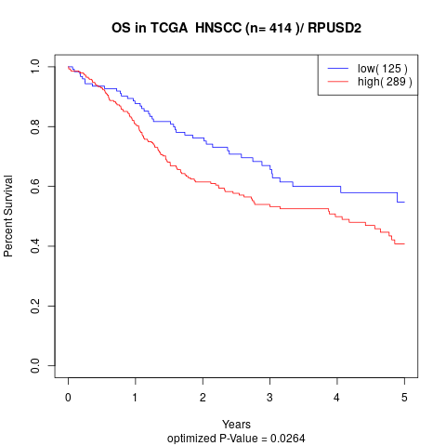

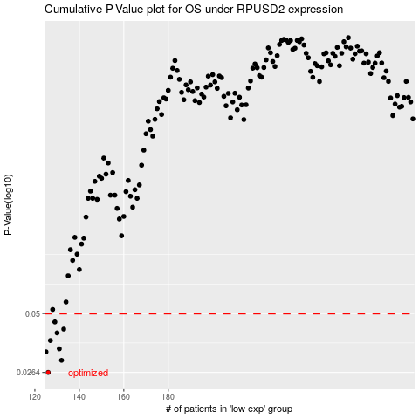

 |  |  |  |  |  | cases_OS | p_OS | rank | exp
 |  |  |  |  |  | 126 | 0.0264 | 61 | -0.53092942319
 |  |  |  |  |  | 132 | 0.0301 | 64 | -0.48496763232
 |  |  |  |  |  | 125 | 0.033 | 152 | -0.53746995877
 |  |  |  |  |  | 131 | 0.0341 | 309 | -0.49843079319
 |  |  |  |  |  | 127 | 0.0373 | 191 | -0.52580822083
 |  |  |  |  |  | 130 | 0.0405 | 167 | -0.50049727836
 |  |  |  |  |  | 133 | 0.0422 | 62 | -0.48016350441
 |  |  |  |  |  | 129 | 0.0456 | 408 | -0.50575251217
 |  |  |  |  |  |  | cases_RFS | p_RFS | rank | exp
 |  |  |  |  |  |  | 125 | 0.0264 | 152 | -0.53746995877
 |  |  |  |  |  |  | 131 | 0.0301 | 309 | -0.49843079319
 |  |  |  |  |  |  |  | 0.033 | 91 | -0.53857021708
 |  |  |  |  |  |  | 130 | 0.0341 | 167 | -0.50049727836
 |  |  |  |  |  |  | 126 | 0.0373 | 61 | -0.53092942319
 |  |  |  |  |  |  | 129 | 0.0405 | 408 | -0.50575251217
 |  |  |  |  |  |  | 132 | 0.0422 | 64 | -0.48496763232
 |  |  |  |  |  |  | 128 | 0.0456 | 269 | -0.511897955

