RPUSD3 _multivariate
Reported by Tex Li-Hsing Chi. tex@gate.sinica.edu.tw 2019-08-16

Table 2. The clinicopathological features of HNSCC cohort and RPUSD3 expression. (Chi square test)
Cutoff at -0.282 (49.8%)
 |  | RPUSD3 expression |  | RPUSD3 expression |  | (Optimised)
 | Features | Low | (%) | High | (%) | Case no | P-value | Remark | Matthews
Gender | Female | 157 | 37.8 | 149 | 35.9 | 415 | 0.3881 | 0 | 0
2 | Male | 50 | 12 | 59 | 14.2
Age at diagnosis | <=65y | 135 | 32.5 | 139 | 33.5 | 415 | 0.8084 | 0 | 0
4 | >65y | 72 | 17.3 | 69 | 16.6
Clinical T Status | T1+T2 | 71 | 17.1 | 78 | 18.8 | 415 | 0.5638 | 0 | 0
6 | T3+T4 | 136 | 32.8 | 130 | 31.3
Clinical N Status | N0 | 107 | 25.8 | 109 | 26.3 | 415 | 0.9624 | 0 | 0
8 | N1-3 | 100 | 24.1 | 99 | 23.9
Clinical M Status | M0 | 206 | 49.6 | 206 | 49.6 | 415 | 1 | 0 | 0
10 | M1 | 1 | 0.2 | 2 | 0.5
Clinical Stage | Stage I+II | 50 | 12 | 52 | 12.5 | 415 | 0.9315 | 0 | 0
12 | Stage III+IV | 157 | 37.8 | 156 | 37.6
Surgical Margin status | Negative | 165 | 39.8 | 153 | 36.9 | 415 | 0.1639 | 0 | 0
14 | Positive | 42 | 10.1 | 55 | 13.3
Tobacco Exposure | Low | 74 | 17.8 | 87 | 21 | 415 | 0.227 | 0 | 0
16 | High | 133 | 32 | 121 | 29.2

Table 3. Univariate/Multivariate Cox's proportional hazards regression analyses on OS time of RPUSD3 gene expression in HNSCC

 |  | Univariate |  |  |  | Multivariate
 | Features | HR | CI95%(L) | CI95%(H) | P-value | HR | CI95%(L) | CI95%(H) | P-value
1 | Female | 1 |  |  |  | 1
Gender | Male | 1.157 | 0.843 | 1.587 | 0.367 | 1.182 | 0.844 | 1.656 | 0.33
11 | <=65y | 1 |  |  |  | 1
Age at diagnosis | >65y | 1.329 | 0.99 | 1.784 | 0.058 | 1.391 | 1.023 | 1.89 | 0.035
12 | T1+T2 | 1 |  |  |  | 1
Clinical T Status | T3+T4 | 1.409 | 1.028 | 1.931 | 0.033 | 2.22 | 1.174 | 4.199 | 0.014
13 | N0 | 1 |  |  |  | 1
Clinical N Status | N1-3 | 1.185 | 0.89 | 1.577 | 0.246 | 1.246 | 0.873 | 1.778 | 0.225
14 | M0 | 1 |  |  |  | 1
Clinical M Status | M1 | 4.097 | 1.009 | 16.644 | 0.049 | 9.293 | 2.027 | 42.607 | 0.004
15 | Stage I+II | 1 |  |  |  | 1
Clinical Stage | Stage III+IV | 1.245 | 0.882 | 1.759 | 0.213 | 0.502 | 0.234 | 1.078 | 0.077
16 | Negative | 1 |  |  |  | 1
Surgical Margin status | Positive | 1.591 | 1.155 | 2.191 | 0.004 | 1.66 | 1.201 | 2.294 | 0.002
17 | Low | 1 |  |  |  | 1
Tobacco Exposure | High | 1.364 | 1.008 | 1.844 | 0.044 | 1.437 | 1.042 | 1.982 | 0.027
18 | Low | 1 |  |  |  | 1
RNAseq(z-score) | High | 1.166 | 0.874 | 1.555 | 0.296 | 1.139 | 0.851 | 1.524 | 0.383

Table 4. Univariate/Multivariate Cox's proportional hazards regression analyses on RFS time of RPUSD3 gene expression in HNSCC

 |  | Univariate |  |  |  | Multivariate
 | Features | HR | CI95%(L) | CI95%(H) | P-value | HR | CI95%(L) | CI95%(H) | P-value
1 | Female | 1 |  |  |  | 1
Gender | Male | 1.157 | 0.843 | 1.587 | 0.367 | 1.182 | 0.844 | 1.656 | 0.33
11 | <=65y | 1 |  |  |  | 1
Age at diagnosis | >65y | 1.329 | 0.99 | 1.784 | 0.058 | 1.391 | 1.023 | 1.89 | 0.035
12 | T1+T2 | 1 |  |  |  | 1
Clinical T Status | T3+T4 | 1.409 | 1.028 | 1.931 | 0.033 | 2.22 | 1.174 | 4.199 | 0.014
13 | N0 | 1 |  |  |  | 1
Clinical N Status | N1-3 | 1.185 | 0.89 | 1.577 | 0.246 | 1.246 | 0.873 | 1.778 | 0.225
14 | M0 | 1 |  |  |  | 1
Clinical M Status | M1 | 4.097 | 1.009 | 16.644 | 0.049 | 9.293 | 2.027 | 42.607 | 0.004
15 | Stage I+II | 1 |  |  |  | 1
Clinical Stage | Stage III+IV | 1.245 | 0.882 | 1.759 | 0.213 | 0.502 | 0.234 | 1.078 | 0.077
16 | Negative | 1 |  |  |  | 1
Surgical Margin status | Positive | 1.591 | 1.155 | 2.191 | 0.004 | 1.66 | 1.201 | 2.294 | 0.002
17 | Low | 1 |  |  |  | 1
Tobacco Exposure | High | 1.364 | 1.008 | 1.844 | 0.044 | 1.437 | 1.042 | 1.982 | 0.027
18 | Low | 1 |  |  |  | 1
RNAseq(z-score) | High | 1.166 | 0.874 | 1.555 | 0.296 | 1.139 | 0.851 | 1.524 | 0.383

Kaplan-Meier survival estimate: Cutoff at -0.282 (49.8%)



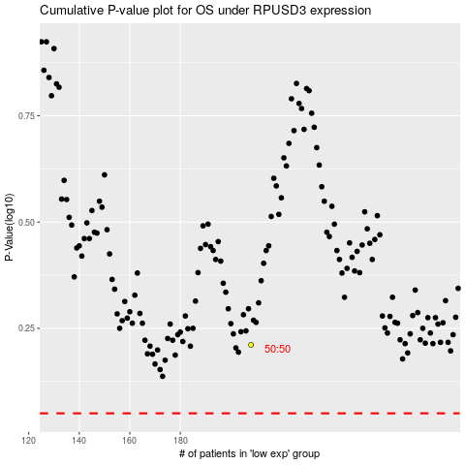

 |  |  |  |  |  | cases_OS | p_OS | rank | exp
 |  |  |  |  |  |  | cases_RFS | p_RFS | rank | exp

