RPUSD4 _multivariate
Reported by Tex Li-Hsing Chi. tex@gate.sinica.edu.tw 2019-08-16

Table 2. The clinicopathological features of HNSCC cohort and RPUSD4 expression. (Chi square test)
Cutoff at -0.142 (49.8%)
 |  | RPUSD4 expression |  | RPUSD4 expression |  | (Optimised)
 | Features | Low | (%) | High | (%) | Case no | P-value | Remark | Matthews
Gender | Female | 159 | 38.3 | 147 | 35.4 | 415 | 0.1905 | 0 | 0
2 | Male | 48 | 11.6 | 61 | 14.7
Age at diagnosis | <=65y | 137 | 33 | 137 | 33 | 415 | 1 | 0 | 0
4 | >65y | 70 | 16.9 | 71 | 17.1
Clinical T Status | T1+T2 | 79 | 19 | 70 | 16.9 | 415 | 0.3924 | 0 | 0
6 | T3+T4 | 128 | 30.8 | 138 | 33.3
Clinical N Status | N0 | 100 | 24.1 | 116 | 28 | 415 | 0.1548 | 0 | 0
8 | N1-3 | 107 | 25.8 | 92 | 22.2
Clinical M Status | M0 | 206 | 49.6 | 206 | 49.6 | 415 | 1 | 0 | 0
10 | M1 | 1 | 0.2 | 2 | 0.5
Clinical Stage | Stage I+II | 49 | 11.8 | 53 | 12.8 | 415 | 0.7535 | 0 | 0
12 | Stage III+IV | 158 | 38.1 | 155 | 37.3
Surgical Margin status | Negative | 158 | 38.1 | 160 | 38.6 | 415 | 0.9081 | 0 | 0
14 | Positive | 49 | 11.8 | 48 | 11.6
Tobacco Exposure | Low | 75 | 18.1 | 86 | 20.7 | 415 | 0.3141 | 0 | 0
16 | High | 132 | 31.8 | 122 | 29.4

Table 3. Univariate/Multivariate Cox's proportional hazards regression analyses on OS time of RPUSD4 gene expression in HNSCC

 |  | Univariate |  |  |  | Multivariate
 | Features | HR | CI95%(L) | CI95%(H) | P-value | HR | CI95%(L) | CI95%(H) | P-value
1 | Female | 1 |  |  |  | 1
Gender | Male | 1.157 | 0.843 | 1.587 | 0.367 | 1.188 | 0.848 | 1.664 | 0.316
11 | <=65y | 1 |  |  |  | 1
Age at diagnosis | >65y | 1.329 | 0.99 | 1.784 | 0.058 | 1.398 | 1.028 | 1.902 | 0.033
12 | T1+T2 | 1 |  |  |  | 1
Clinical T Status | T3+T4 | 1.409 | 1.028 | 1.931 | 0.033 | 2.167 | 1.143 | 4.107 | 0.018
13 | N0 | 1 |  |  |  | 1
Clinical N Status | N1-3 | 1.185 | 0.89 | 1.577 | 0.246 | 1.249 | 0.874 | 1.783 | 0.222
14 | M0 | 1 |  |  |  | 1
Clinical M Status | M1 | 4.097 | 1.009 | 16.644 | 0.049 | 9.141 | 1.988 | 42.036 | 0.004
15 | Stage I+II | 1 |  |  |  | 1
Clinical Stage | Stage III+IV | 1.245 | 0.882 | 1.759 | 0.213 | 0.51 | 0.237 | 1.095 | 0.084
16 | Negative | 1 |  |  |  | 1
Surgical Margin status | Positive | 1.591 | 1.155 | 2.191 | 0.004 | 1.668 | 1.207 | 2.304 | 0.002
17 | Low | 1 |  |  |  | 1
Tobacco Exposure | High | 1.364 | 1.008 | 1.844 | 0.044 | 1.468 | 1.063 | 2.026 | 0.02
18 | Low | 1 |  |  |  | 1
RNAseq(z-score) | High | 1.114 | 0.835 | 1.485 | 0.464 | 1.089 | 0.811 | 1.462 | 0.572

Table 4. Univariate/Multivariate Cox's proportional hazards regression analyses on RFS time of RPUSD4 gene expression in HNSCC

 |  | Univariate |  |  |  | Multivariate
 | Features | HR | CI95%(L) | CI95%(H) | P-value | HR | CI95%(L) | CI95%(H) | P-value
1 | Female | 1 |  |  |  | 1
Gender | Male | 1.157 | 0.843 | 1.587 | 0.367 | 1.188 | 0.848 | 1.664 | 0.316
11 | <=65y | 1 |  |  |  | 1
Age at diagnosis | >65y | 1.329 | 0.99 | 1.784 | 0.058 | 1.398 | 1.028 | 1.902 | 0.033
12 | T1+T2 | 1 |  |  |  | 1
Clinical T Status | T3+T4 | 1.409 | 1.028 | 1.931 | 0.033 | 2.167 | 1.143 | 4.107 | 0.018
13 | N0 | 1 |  |  |  | 1
Clinical N Status | N1-3 | 1.185 | 0.89 | 1.577 | 0.246 | 1.249 | 0.874 | 1.783 | 0.222
14 | M0 | 1 |  |  |  | 1
Clinical M Status | M1 | 4.097 | 1.009 | 16.644 | 0.049 | 9.141 | 1.988 | 42.036 | 0.004
15 | Stage I+II | 1 |  |  |  | 1
Clinical Stage | Stage III+IV | 1.245 | 0.882 | 1.759 | 0.213 | 0.51 | 0.237 | 1.095 | 0.084
16 | Negative | 1 |  |  |  | 1
Surgical Margin status | Positive | 1.591 | 1.155 | 2.191 | 0.004 | 1.668 | 1.207 | 2.304 | 0.002
17 | Low | 1 |  |  |  | 1
Tobacco Exposure | High | 1.364 | 1.008 | 1.844 | 0.044 | 1.468 | 1.063 | 2.026 | 0.02
18 | Low | 1 |  |  |  | 1
RNAseq(z-score) | High | 1.114 | 0.835 | 1.485 | 0.464 | 1.089 | 0.811 | 1.462 | 0.572

Kaplan-Meier survival estimate: Cutoff at -0.142 (49.8%)



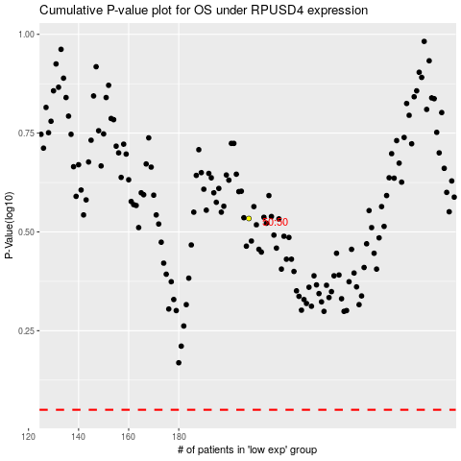

 |  |  |  |  |  | cases_OS | p_OS | rank | exp
 |  |  |  |  |  |  | cases_RFS | p_RFS | rank | exp

