RQCD1 _multivariate
Reported by Tex Li-Hsing Chi. tex@gate.sinica.edu.tw 2019-08-16

Table 2. The clinicopathological features of HNSCC cohort and RQCD1 expression. (Chi square test)
Cutoff at 0.043 (49.8%)
 |  | RQCD1 expression |  | RQCD1 expression |  | (Optimised)
 | Features | Low | (%) | High | (%) | Case no | P-value | Remark | Matthews
Gender | Female | 151 | 36.4 | 155 | 37.3 | 415 | 0.8007 | 0 | 0
2 | Male | 56 | 13.5 | 53 | 12.8
Age at diagnosis | <=65y | 135 | 32.5 | 139 | 33.5 | 415 | 0.8084 | 0 | 0
4 | >65y | 72 | 17.3 | 69 | 16.6
Clinical T Status | T1+T2 | 63 | 15.2 | 86 | 20.7 | 415 | 0.0268 | 1 | 0
6 | T3+T4 | 144 | 34.7 | 122 | 29.4
Clinical N Status | N0 | 110 | 26.5 | 106 | 25.5 | 415 | 0.7294 | 0 | 0
8 | N1-3 | 97 | 23.4 | 102 | 24.6
Clinical M Status | M0 | 204 | 49.2 | 208 | 50.1 | 415 | 0.1232 | 0 | 0
10 | M1 | 3 | 0.7 | 0 | 0
Clinical Stage | Stage I+II | 42 | 10.1 | 60 | 14.5 | 415 | 0.0561 | 0 | 0
12 | Stage III+IV | 165 | 39.8 | 148 | 35.7
Surgical Margin status | Negative | 155 | 37.3 | 163 | 39.3 | 415 | 0.4187 | 0 | 0
14 | Positive | 52 | 12.5 | 45 | 10.8
Tobacco Exposure | Low | 89 | 21.4 | 72 | 17.3 | 415 | 0.0872 | 0 | 0
16 | High | 118 | 28.4 | 136 | 32.8

Table 3. Univariate/Multivariate Cox's proportional hazards regression analyses on OS time of RQCD1 gene expression in HNSCC

 |  | Univariate |  |  |  | Multivariate
 | Features | HR | CI95%(L) | CI95%(H) | P-value | HR | CI95%(L) | CI95%(H) | P-value
1 | Female | 1 |  |  |  | 1
Gender | Male | 1.157 | 0.843 | 1.587 | 0.367 | 1.206 | 0.862 | 1.686 | 0.274
11 | <=65y | 1 |  |  |  | 1
Age at diagnosis | >65y | 1.329 | 0.99 | 1.784 | 0.058 | 1.389 | 1.021 | 1.889 | 0.037
12 | T1+T2 | 1 |  |  |  | 1
Clinical T Status | T3+T4 | 1.409 | 1.028 | 1.931 | 0.033 | 2.213 | 1.169 | 4.189 | 0.015
13 | N0 | 1 |  |  |  | 1
Clinical N Status | N1-3 | 1.185 | 0.89 | 1.577 | 0.246 | 1.239 | 0.868 | 1.768 | 0.237
14 | M0 | 1 |  |  |  | 1
Clinical M Status | M1 | 4.097 | 1.009 | 16.644 | 0.049 | 9.629 | 2.076 | 44.657 | 0.004
15 | Stage I+II | 1 |  |  |  | 1
Clinical Stage | Stage III+IV | 1.245 | 0.882 | 1.759 | 0.213 | 0.504 | 0.235 | 1.083 | 0.079
16 | Negative | 1 |  |  |  | 1
Surgical Margin status | Positive | 1.591 | 1.155 | 2.191 | 0.004 | 1.676 | 1.212 | 2.317 | 0.002
17 | Low | 1 |  |  |  | 1
Tobacco Exposure | High | 1.364 | 1.008 | 1.844 | 0.044 | 1.455 | 1.056 | 2.005 | 0.022
18 | Low | 1 |  |  |  | 1
RNAseq(z-score) | High | 0.961 | 0.722 | 1.279 | 0.785 | 1.037 | 0.775 | 1.388 | 0.807

Table 4. Univariate/Multivariate Cox's proportional hazards regression analyses on RFS time of RQCD1 gene expression in HNSCC

 |  | Univariate |  |  |  | Multivariate
 | Features | HR | CI95%(L) | CI95%(H) | P-value | HR | CI95%(L) | CI95%(H) | P-value
1 | Female | 1 |  |  |  | 1
Gender | Male | 1.157 | 0.843 | 1.587 | 0.367 | 1.206 | 0.862 | 1.686 | 0.274
11 | <=65y | 1 |  |  |  | 1
Age at diagnosis | >65y | 1.329 | 0.99 | 1.784 | 0.058 | 1.389 | 1.021 | 1.889 | 0.037
12 | T1+T2 | 1 |  |  |  | 1
Clinical T Status | T3+T4 | 1.409 | 1.028 | 1.931 | 0.033 | 2.213 | 1.169 | 4.189 | 0.015
13 | N0 | 1 |  |  |  | 1
Clinical N Status | N1-3 | 1.185 | 0.89 | 1.577 | 0.246 | 1.239 | 0.868 | 1.768 | 0.237
14 | M0 | 1 |  |  |  | 1
Clinical M Status | M1 | 4.097 | 1.009 | 16.644 | 0.049 | 9.629 | 2.076 | 44.657 | 0.004
15 | Stage I+II | 1 |  |  |  | 1
Clinical Stage | Stage III+IV | 1.245 | 0.882 | 1.759 | 0.213 | 0.504 | 0.235 | 1.083 | 0.079
16 | Negative | 1 |  |  |  | 1
Surgical Margin status | Positive | 1.591 | 1.155 | 2.191 | 0.004 | 1.676 | 1.212 | 2.317 | 0.002
17 | Low | 1 |  |  |  | 1
Tobacco Exposure | High | 1.364 | 1.008 | 1.844 | 0.044 | 1.455 | 1.056 | 2.005 | 0.022
18 | Low | 1 |  |  |  | 1
RNAseq(z-score) | High | 0.961 | 0.722 | 1.279 | 0.785 | 1.037 | 0.775 | 1.388 | 0.807

Kaplan-Meier survival estimate: Cutoff at 0.043 (49.8%)



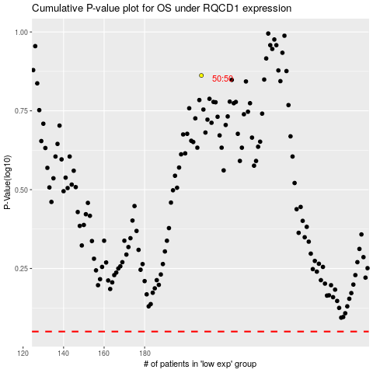

 |  |  |  |  |  | cases_OS | p_OS | rank | exp
 |  |  |  |  |  |  | cases_RFS | p_RFS | rank | exp

