RRAGC _multivariate
Reported by Tex Li-Hsing Chi. tex@gate.sinica.edu.tw 2019-08-16

Table 2. The clinicopathological features of HNSCC cohort and RRAGC expression. (Chi square test)
Cutoff at 0.279 (64.3%)
 |  | RRAGC expression |  | RRAGC expression |  | (Optimised)
 | Features | Low | (%) | High | (%) | Case no | P-value | Remark | Matthews
Gender | Female | 206 | 49.6 | 100 | 24.1 | 415 | 0.0294 | 1 | 0
2 | Male | 60 | 14.5 | 49 | 11.8
Age at diagnosis | <=65y | 175 | 42.2 | 99 | 23.9 | 415 | 0.9786 | 0 | 0
4 | >65y | 91 | 21.9 | 50 | 12
Clinical T Status | T1+T2 | 103 | 24.8 | 46 | 11.1 | 415 | 0.1356 | 0 | 0
6 | T3+T4 | 163 | 39.3 | 103 | 24.8
Clinical N Status | N0 | 136 | 32.8 | 80 | 19.3 | 415 | 0.6899 | 0 | 0
8 | N1-3 | 130 | 31.3 | 69 | 16.6
Clinical M Status | M0 | 264 | 63.6 | 148 | 35.7 | 415 | 1 | 0 | 0
10 | M1 | 2 | 0.5 | 1 | 0.2
Clinical Stage | Stage I+II | 66 | 15.9 | 36 | 8.7 | 415 | 0.9769 | 0 | 0
12 | Stage III+IV | 200 | 48.2 | 113 | 27.2
Surgical Margin status | Negative | 195 | 47 | 123 | 29.6 | 415 | 0.0396 | 1 | 0
14 | Positive | 71 | 17.1 | 26 | 6.3
Tobacco Exposure | Low | 100 | 24.1 | 61 | 14.7 | 415 | 0.5295 | 0 | 0
16 | High | 166 | 40 | 88 | 21.2

Table 3. Univariate/Multivariate Cox's proportional hazards regression analyses on OS time of RRAGC gene expression in HNSCC

 |  | Univariate |  |  |  | Multivariate
 | Features | HR | CI95%(L) | CI95%(H) | P-value | HR | CI95%(L) | CI95%(H) | P-value
1 | Female | 1 |  |  |  | 1
Gender | Male | 1.157 | 0.843 | 1.587 | 0.367 | 1.248 | 0.888 | 1.754 | 0.201
11 | <=65y | 1 |  |  |  | 1
Age at diagnosis | >65y | 1.329 | 0.99 | 1.784 | 0.058 | 1.395 | 1.027 | 1.895 | 0.033
12 | T1+T2 | 1 |  |  |  | 1
Clinical T Status | T3+T4 | 1.409 | 1.028 | 1.931 | 0.033 | 2.313 | 1.221 | 4.379 | 0.01
13 | N0 | 1 |  |  |  | 1
Clinical N Status | N1-3 | 1.185 | 0.89 | 1.577 | 0.246 | 1.238 | 0.868 | 1.767 | 0.239
14 | M0 | 1 |  |  |  | 1
Clinical M Status | M1 | 4.097 | 1.009 | 16.644 | 0.049 | 9.934 | 2.165 | 45.587 | 0.003
15 | Stage I+II | 1 |  |  |  | 1
Clinical Stage | Stage III+IV | 1.245 | 0.882 | 1.759 | 0.213 | 0.486 | 0.226 | 1.043 | 0.064
16 | Negative | 1 |  |  |  | 1
Surgical Margin status | Positive | 1.591 | 1.155 | 2.191 | 0.004 | 1.6 | 1.155 | 2.216 | 0.005
17 | Low | 1 |  |  |  | 1
Tobacco Exposure | High | 1.364 | 1.008 | 1.844 | 0.044 | 1.463 | 1.06 | 2.018 | 0.021
18 | Low | 1 |  |  |  | 1
RNAseq(z-score) | High | 0.716 | 0.527 | 0.973 | 0.033 | 0.709 | 0.519 | 0.967 | 0.03

Table 4. Univariate/Multivariate Cox's proportional hazards regression analyses on RFS time of RRAGC gene expression in HNSCC

 |  | Univariate |  |  |  | Multivariate
 | Features | HR | CI95%(L) | CI95%(H) | P-value | HR | CI95%(L) | CI95%(H) | P-value
1 | Female | 1 |  |  |  | 1
Gender | Male | 1.157 | 0.843 | 1.587 | 0.367 | 1.248 | 0.888 | 1.754 | 0.201
11 | <=65y | 1 |  |  |  | 1
Age at diagnosis | >65y | 1.329 | 0.99 | 1.784 | 0.058 | 1.395 | 1.027 | 1.895 | 0.033
12 | T1+T2 | 1 |  |  |  | 1
Clinical T Status | T3+T4 | 1.409 | 1.028 | 1.931 | 0.033 | 2.313 | 1.221 | 4.379 | 0.01
13 | N0 | 1 |  |  |  | 1
Clinical N Status | N1-3 | 1.185 | 0.89 | 1.577 | 0.246 | 1.238 | 0.868 | 1.767 | 0.239
14 | M0 | 1 |  |  |  | 1
Clinical M Status | M1 | 4.097 | 1.009 | 16.644 | 0.049 | 9.934 | 2.165 | 45.587 | 0.003
15 | Stage I+II | 1 |  |  |  | 1
Clinical Stage | Stage III+IV | 1.245 | 0.882 | 1.759 | 0.213 | 0.486 | 0.226 | 1.043 | 0.064
16 | Negative | 1 |  |  |  | 1
Surgical Margin status | Positive | 1.591 | 1.155 | 2.191 | 0.004 | 1.6 | 1.155 | 2.216 | 0.005
17 | Low | 1 |  |  |  | 1
Tobacco Exposure | High | 1.364 | 1.008 | 1.844 | 0.044 | 1.463 | 1.06 | 2.018 | 0.021
18 | Low | 1 |  |  |  | 1
RNAseq(z-score) | High | 0.716 | 0.527 | 0.973 | 0.033 | 0.709 | 0.519 | 0.967 | 0.03

Kaplan-Meier survival estimate: Cutoff at 0.279 (64.3%)



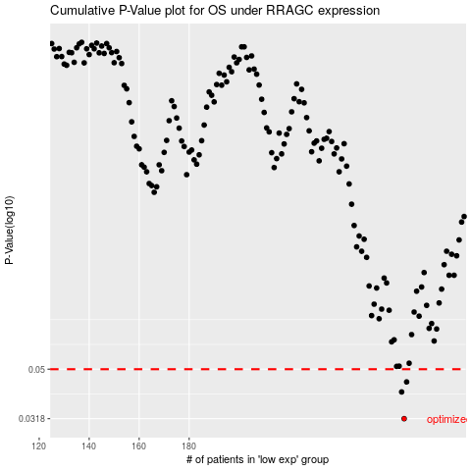

 |  |  |  |  |  | cases_OS | p_OS | rank | exp
 |  |  |  |  |  | 266 | 0.0318 | 403 | 0.27872767054
 |  |  |  |  |  | 265 | 0.0406 | 220 | 0.27573518335
 |  |  |  |  |  | 267 | 0.0445 | 158 | 0.28124726106
 |  |  |  |  |  |  | cases_RFS | p_RFS | rank | exp
 |  |  |  |  |  |  | 265 | 0.0318 | 220 | 0.27573518335
 |  |  |  |  |  |  | 264 | 0.0406 | 143 | 0.27318132495
 |  |  |  |  |  |  | 266 | 0.0445 | 403 | 0.27872767054

