RRM2B _multivariate
Reported by Tex Li-Hsing Chi. tex@gate.sinica.edu.tw 2019-08-16

Table 2. The clinicopathological features of HNSCC cohort and RRM2B expression. (Chi square test)
Cutoff at -0.163 (50.0%)
 |  | RRM2B expression |  | RRM2B expression |  | (Optimised)
 | Features | Low | (%) | High | (%) | Case no | P-value | Remark | Matthews
Gender | Female | 163 | 39.3 | 143 | 34.5 | 415 | 0.0277 | 1 | 0
2 | Male | 44 | 10.6 | 65 | 15.7
Age at diagnosis | <=65y | 139 | 33.5 | 135 | 32.5 | 415 | 0.7044 | 0 | 0
4 | >65y | 68 | 16.4 | 73 | 17.6
Clinical T Status | T1+T2 | 65 | 15.7 | 84 | 20.2 | 415 | 0.0711 | 0 | 0
6 | T3+T4 | 142 | 34.2 | 124 | 29.9
Clinical N Status | N0 | 106 | 25.5 | 110 | 26.5 | 415 | 0.8075 | 0 | 0
8 | N1-3 | 101 | 24.3 | 98 | 23.6
Clinical M Status | M0 | 204 | 49.2 | 208 | 50.1 | 415 | 0.1232 | 0 | 0
10 | M1 | 3 | 0.7 | 0 | 0
Clinical Stage | Stage I+II | 39 | 9.4 | 63 | 15.2 | 415 | 0.0095 | 1 | 0
12 | Stage III+IV | 168 | 40.5 | 145 | 34.9
Surgical Margin status | Negative | 159 | 38.3 | 159 | 38.3 | 415 | 1 | 0 | 0
14 | Positive | 48 | 11.6 | 49 | 11.8
Tobacco Exposure | Low | 76 | 18.3 | 85 | 20.5 | 415 | 0.4207 | 0 | 0
16 | High | 131 | 31.6 | 123 | 29.6

Table 3. Univariate/Multivariate Cox's proportional hazards regression analyses on OS time of RRM2B gene expression in HNSCC

 |  | Univariate |  |  |  | Multivariate
 | Features | HR | CI95%(L) | CI95%(H) | P-value | HR | CI95%(L) | CI95%(H) | P-value
1 | Female | 1 |  |  |  | 1
Gender | Male | 1.157 | 0.843 | 1.587 | 0.367 | 1.201 | 0.859 | 1.678 | 0.284
11 | <=65y | 1 |  |  |  | 1
Age at diagnosis | >65y | 1.329 | 0.99 | 1.784 | 0.058 | 1.39 | 1.022 | 1.89 | 0.036
12 | T1+T2 | 1 |  |  |  | 1
Clinical T Status | T3+T4 | 1.409 | 1.028 | 1.931 | 0.033 | 2.205 | 1.166 | 4.169 | 0.015
13 | N0 | 1 |  |  |  | 1
Clinical N Status | N1-3 | 1.185 | 0.89 | 1.577 | 0.246 | 1.247 | 0.872 | 1.785 | 0.227
14 | M0 | 1 |  |  |  | 1
Clinical M Status | M1 | 4.097 | 1.009 | 16.644 | 0.049 | 9.249 | 2.003 | 42.711 | 0.004
15 | Stage I+II | 1 |  |  |  | 1
Clinical Stage | Stage III+IV | 1.245 | 0.882 | 1.759 | 0.213 | 0.5 | 0.232 | 1.078 | 0.077
16 | Negative | 1 |  |  |  | 1
Surgical Margin status | Positive | 1.591 | 1.155 | 2.191 | 0.004 | 1.673 | 1.211 | 2.312 | 0.002
17 | Low | 1 |  |  |  | 1
Tobacco Exposure | High | 1.364 | 1.008 | 1.844 | 0.044 | 1.45 | 1.051 | 1.999 | 0.024
18 | Low | 1 |  |  |  | 1
RNAseq(z-score) | High | 0.921 | 0.692 | 1.226 | 0.573 | 0.968 | 0.721 | 1.299 | 0.827

Table 4. Univariate/Multivariate Cox's proportional hazards regression analyses on RFS time of RRM2B gene expression in HNSCC

 |  | Univariate |  |  |  | Multivariate
 | Features | HR | CI95%(L) | CI95%(H) | P-value | HR | CI95%(L) | CI95%(H) | P-value
1 | Female | 1 |  |  |  | 1
Gender | Male | 1.157 | 0.843 | 1.587 | 0.367 | 1.201 | 0.859 | 1.678 | 0.284
11 | <=65y | 1 |  |  |  | 1
Age at diagnosis | >65y | 1.329 | 0.99 | 1.784 | 0.058 | 1.39 | 1.022 | 1.89 | 0.036
12 | T1+T2 | 1 |  |  |  | 1
Clinical T Status | T3+T4 | 1.409 | 1.028 | 1.931 | 0.033 | 2.205 | 1.166 | 4.169 | 0.015
13 | N0 | 1 |  |  |  | 1
Clinical N Status | N1-3 | 1.185 | 0.89 | 1.577 | 0.246 | 1.247 | 0.872 | 1.785 | 0.227
14 | M0 | 1 |  |  |  | 1
Clinical M Status | M1 | 4.097 | 1.009 | 16.644 | 0.049 | 9.249 | 2.003 | 42.711 | 0.004
15 | Stage I+II | 1 |  |  |  | 1
Clinical Stage | Stage III+IV | 1.245 | 0.882 | 1.759 | 0.213 | 0.5 | 0.232 | 1.078 | 0.077
16 | Negative | 1 |  |  |  | 1
Surgical Margin status | Positive | 1.591 | 1.155 | 2.191 | 0.004 | 1.673 | 1.211 | 2.312 | 0.002
17 | Low | 1 |  |  |  | 1
Tobacco Exposure | High | 1.364 | 1.008 | 1.844 | 0.044 | 1.45 | 1.051 | 1.999 | 0.024
18 | Low | 1 |  |  |  | 1
RNAseq(z-score) | High | 0.921 | 0.692 | 1.226 | 0.573 | 0.968 | 0.721 | 1.299 | 0.827

Kaplan-Meier survival estimate: Cutoff at -0.163 (50.0%)



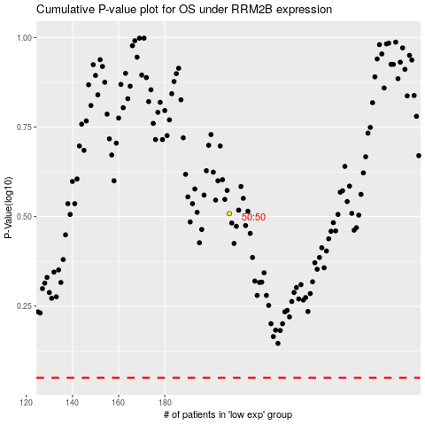

 |  |  |  |  |  | cases_OS | p_OS | rank | exp
 |  |  |  |  |  |  | cases_RFS | p_RFS | rank | exp

