RRN3 _multivariate
Reported by Tex Li-Hsing Chi. tex@gate.sinica.edu.tw 2019-08-16

Table 2. The clinicopathological features of HNSCC cohort and RRN3 expression. (Chi square test)
Cutoff at -0.331 (35.3%)
 |  | RRN3 expression |  | RRN3 expression |  | (Optimised)
 | Features | Low | (%) | High | (%) | Case no | P-value | Remark | Matthews
Gender | Female | 103 | 24.8 | 203 | 48.9 | 415 | 0.332 | 0 | 0
2 | Male | 43 | 10.4 | 66 | 15.9
Age at diagnosis | <=65y | 90 | 21.7 | 184 | 44.3 | 415 | 0.2007 | 0 | 0
4 | >65y | 56 | 13.5 | 85 | 20.5
Clinical T Status | T1+T2 | 57 | 13.7 | 92 | 22.2 | 415 | 0.3819 | 0 | 0
6 | T3+T4 | 89 | 21.4 | 177 | 42.7
Clinical N Status | N0 | 85 | 20.5 | 131 | 31.6 | 415 | 0.08 | 0 | 0
8 | N1-3 | 61 | 14.7 | 138 | 33.3
Clinical M Status | M0 | 146 | 35.2 | 266 | 64.1 | 415 | 0.555 | 0 | 0
10 | M1 | 0 | 0 | 3 | 0.7
Clinical Stage | Stage I+II | 39 | 9.4 | 63 | 15.2 | 415 | 0.5323 | 0 | 0
12 | Stage III+IV | 107 | 25.8 | 206 | 49.6
Surgical Margin status | Negative | 108 | 26 | 210 | 50.6 | 415 | 0.3953 | 0 | 0
14 | Positive | 38 | 9.2 | 59 | 14.2
Tobacco Exposure | Low | 65 | 15.7 | 96 | 23.1 | 415 | 0.0914 | 0 | 0
16 | High | 81 | 19.5 | 173 | 41.7

Table 3. Univariate/Multivariate Cox's proportional hazards regression analyses on OS time of RRN3 gene expression in HNSCC

 |  | Univariate |  |  |  | Multivariate
 | Features | HR | CI95%(L) | CI95%(H) | P-value | HR | CI95%(L) | CI95%(H) | P-value
1 | Female | 1 |  |  |  | 1
Gender | Male | 1.157 | 0.843 | 1.587 | 0.367 | 1.208 | 0.865 | 1.686 | 0.267
11 | <=65y | 1 |  |  |  | 1
Age at diagnosis | >65y | 1.329 | 0.99 | 1.784 | 0.058 | 1.446 | 1.063 | 1.967 | 0.019
12 | T1+T2 | 1 |  |  |  | 1
Clinical T Status | T3+T4 | 1.409 | 1.028 | 1.931 | 0.033 | 2.131 | 1.127 | 4.028 | 0.02
13 | N0 | 1 |  |  |  | 1
Clinical N Status | N1-3 | 1.185 | 0.89 | 1.577 | 0.246 | 1.22 | 0.855 | 1.74 | 0.274
14 | M0 | 1 |  |  |  | 1
Clinical M Status | M1 | 4.097 | 1.009 | 16.644 | 0.049 | 8.294 | 1.805 | 38.118 | 0.007
15 | Stage I+II | 1 |  |  |  | 1
Clinical Stage | Stage III+IV | 1.245 | 0.882 | 1.759 | 0.213 | 0.521 | 0.242 | 1.12 | 0.095
16 | Negative | 1 |  |  |  | 1
Surgical Margin status | Positive | 1.591 | 1.155 | 2.191 | 0.004 | 1.708 | 1.236 | 2.36 | 0.001
17 | Low | 1 |  |  |  | 1
Tobacco Exposure | High | 1.364 | 1.008 | 1.844 | 0.044 | 1.444 | 1.05 | 1.987 | 0.024
18 | Low | 1 |  |  |  | 1
RNAseq(z-score) | High | 1.389 | 1.014 | 1.904 | 0.041 | 1.429 | 1.038 | 1.968 | 0.029

Table 4. Univariate/Multivariate Cox's proportional hazards regression analyses on RFS time of RRN3 gene expression in HNSCC

 |  | Univariate |  |  |  | Multivariate
 | Features | HR | CI95%(L) | CI95%(H) | P-value | HR | CI95%(L) | CI95%(H) | P-value
1 | Female | 1 |  |  |  | 1
Gender | Male | 1.157 | 0.843 | 1.587 | 0.367 | 1.208 | 0.865 | 1.686 | 0.267
11 | <=65y | 1 |  |  |  | 1
Age at diagnosis | >65y | 1.329 | 0.99 | 1.784 | 0.058 | 1.446 | 1.063 | 1.967 | 0.019
12 | T1+T2 | 1 |  |  |  | 1
Clinical T Status | T3+T4 | 1.409 | 1.028 | 1.931 | 0.033 | 2.131 | 1.127 | 4.028 | 0.02
13 | N0 | 1 |  |  |  | 1
Clinical N Status | N1-3 | 1.185 | 0.89 | 1.577 | 0.246 | 1.22 | 0.855 | 1.74 | 0.274
14 | M0 | 1 |  |  |  | 1
Clinical M Status | M1 | 4.097 | 1.009 | 16.644 | 0.049 | 8.294 | 1.805 | 38.118 | 0.007
15 | Stage I+II | 1 |  |  |  | 1
Clinical Stage | Stage III+IV | 1.245 | 0.882 | 1.759 | 0.213 | 0.521 | 0.242 | 1.12 | 0.095
16 | Negative | 1 |  |  |  | 1
Surgical Margin status | Positive | 1.591 | 1.155 | 2.191 | 0.004 | 1.708 | 1.236 | 2.36 | 0.001
17 | Low | 1 |  |  |  | 1
Tobacco Exposure | High | 1.364 | 1.008 | 1.844 | 0.044 | 1.444 | 1.05 | 1.987 | 0.024
18 | Low | 1 |  |  |  | 1
RNAseq(z-score) | High | 1.389 | 1.014 | 1.904 | 0.041 | 1.429 | 1.038 | 1.968 | 0.029

Kaplan-Meier survival estimate: Cutoff at -0.331 (35.3%)



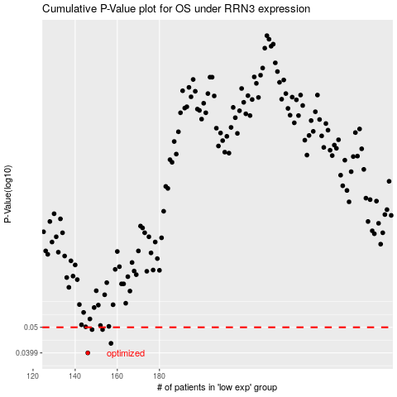

 |  |  |  |  |  | cases_OS | p_OS | rank | exp
 |  |  |  |  |  | 146 | 0.0399 | 66 | -0.33074619598
 |  |  |  |  |  | 157 | 0.0434 | 198 | -0.27044526185
 |  |  |  |  |  | 148 | 0.049 | 56 | -0.32398751106
 |  |  |  |  |  | 153 | 0.049 | 214 | -0.29569113668
 |  |  |  |  |  |  | cases_RFS | p_RFS | rank | exp
 |  |  |  |  |  |  | 145 | 0.0399 | 105 | -0.33249484264
 |  |  |  |  |  |  | 156 | 0.0434 | 235 | -0.27328723512
 |  |  |  |  |  |  | 147 | 0.049 | 352 | -0.32402333568
 |  |  |  |  |  |  | 152 | 0.049 | 356 | -0.32071868415

