RRN3P3 _multivariate
Reported by Tex Li-Hsing Chi. tex@gate.sinica.edu.tw 2019-08-16

Table 2. The clinicopathological features of HNSCC cohort and RRN3P3 expression. (Chi square test)
Cutoff at -0.167 (50.0%)
 |  | RRN3P3 expression |  | RRN3P3 expression |  | (Optimised)
 | Features | Low | (%) | High | (%) | Case no | P-value | Remark | Matthews
Gender | Female | 152 | 36.6 | 154 | 37.1 | 415 | 0.9766 | 0 | 0
2 | Male | 55 | 13.3 | 54 | 13
Age at diagnosis | <=65y | 134 | 32.3 | 140 | 33.7 | 415 | 0.6529 | 0 | 0
4 | >65y | 73 | 17.6 | 68 | 16.4
Clinical T Status | T1+T2 | 74 | 17.8 | 75 | 18.1 | 415 | 1 | 0 | 0
6 | T3+T4 | 133 | 32 | 133 | 32
Clinical N Status | N0 | 104 | 25.1 | 112 | 27 | 415 | 0.5243 | 0 | 0
8 | N1-3 | 103 | 24.8 | 96 | 23.1
Clinical M Status | M0 | 207 | 49.9 | 205 | 49.4 | 415 | 0.2482 | 0 | 0
10 | M1 | 0 | 0 | 3 | 0.7
Clinical Stage | Stage I+II | 50 | 12 | 52 | 12.5 | 415 | 0.9315 | 0 | 0
12 | Stage III+IV | 157 | 37.8 | 156 | 37.6
Surgical Margin status | Negative | 158 | 38.1 | 160 | 38.6 | 415 | 0.9081 | 0 | 0
14 | Positive | 49 | 11.8 | 48 | 11.6
Tobacco Exposure | Low | 81 | 19.5 | 80 | 19.3 | 415 | 0.9199 | 0 | 0
16 | High | 126 | 30.4 | 128 | 30.8

Table 3. Univariate/Multivariate Cox's proportional hazards regression analyses on OS time of RRN3P3 gene expression in HNSCC

 |  | Univariate |  |  |  | Multivariate
 | Features | HR | CI95%(L) | CI95%(H) | P-value | HR | CI95%(L) | CI95%(H) | P-value
1 | Female | 1 |  |  |  | 1
Gender | Male | 1.157 | 0.843 | 1.587 | 0.367 | 1.203 | 0.862 | 1.68 | 0.278
11 | <=65y | 1 |  |  |  | 1
Age at diagnosis | >65y | 1.329 | 0.99 | 1.784 | 0.058 | 1.388 | 1.021 | 1.886 | 0.036
12 | T1+T2 | 1 |  |  |  | 1
Clinical T Status | T3+T4 | 1.409 | 1.028 | 1.931 | 0.033 | 2.206 | 1.167 | 4.171 | 0.015
13 | N0 | 1 |  |  |  | 1
Clinical N Status | N1-3 | 1.185 | 0.89 | 1.577 | 0.246 | 1.228 | 0.86 | 1.753 | 0.258
14 | M0 | 1 |  |  |  | 1
Clinical M Status | M1 | 4.097 | 1.009 | 16.644 | 0.049 | 10.433 | 2.255 | 48.273 | 0.003
15 | Stage I+II | 1 |  |  |  | 1
Clinical Stage | Stage III+IV | 1.245 | 0.882 | 1.759 | 0.213 | 0.503 | 0.234 | 1.08 | 0.078
16 | Negative | 1 |  |  |  | 1
Surgical Margin status | Positive | 1.591 | 1.155 | 2.191 | 0.004 | 1.677 | 1.214 | 2.318 | 0.002
17 | Low | 1 |  |  |  | 1
Tobacco Exposure | High | 1.364 | 1.008 | 1.844 | 0.044 | 1.453 | 1.054 | 2.003 | 0.022
18 | Low | 1 |  |  |  | 1
RNAseq(z-score) | High | 0.833 | 0.625 | 1.11 | 0.213 | 0.832 | 0.623 | 1.111 | 0.211

Table 4. Univariate/Multivariate Cox's proportional hazards regression analyses on RFS time of RRN3P3 gene expression in HNSCC

 |  | Univariate |  |  |  | Multivariate
 | Features | HR | CI95%(L) | CI95%(H) | P-value | HR | CI95%(L) | CI95%(H) | P-value
1 | Female | 1 |  |  |  | 1
Gender | Male | 1.157 | 0.843 | 1.587 | 0.367 | 1.203 | 0.862 | 1.68 | 0.278
11 | <=65y | 1 |  |  |  | 1
Age at diagnosis | >65y | 1.329 | 0.99 | 1.784 | 0.058 | 1.388 | 1.021 | 1.886 | 0.036
12 | T1+T2 | 1 |  |  |  | 1
Clinical T Status | T3+T4 | 1.409 | 1.028 | 1.931 | 0.033 | 2.206 | 1.167 | 4.171 | 0.015
13 | N0 | 1 |  |  |  | 1
Clinical N Status | N1-3 | 1.185 | 0.89 | 1.577 | 0.246 | 1.228 | 0.86 | 1.753 | 0.258
14 | M0 | 1 |  |  |  | 1
Clinical M Status | M1 | 4.097 | 1.009 | 16.644 | 0.049 | 10.433 | 2.255 | 48.273 | 0.003
15 | Stage I+II | 1 |  |  |  | 1
Clinical Stage | Stage III+IV | 1.245 | 0.882 | 1.759 | 0.213 | 0.503 | 0.234 | 1.08 | 0.078
16 | Negative | 1 |  |  |  | 1
Surgical Margin status | Positive | 1.591 | 1.155 | 2.191 | 0.004 | 1.677 | 1.214 | 2.318 | 0.002
17 | Low | 1 |  |  |  | 1
Tobacco Exposure | High | 1.364 | 1.008 | 1.844 | 0.044 | 1.453 | 1.054 | 2.003 | 0.022
18 | Low | 1 |  |  |  | 1
RNAseq(z-score) | High | 0.833 | 0.625 | 1.11 | 0.213 | 0.832 | 0.623 | 1.111 | 0.211

Kaplan-Meier survival estimate: Cutoff at -0.167 (50.0%)



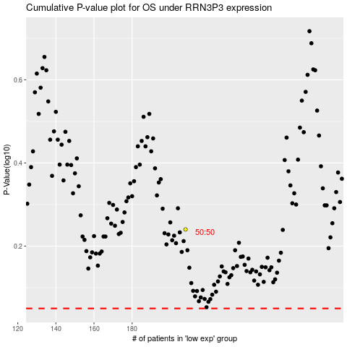

 |  |  |  |  |  | cases_OS | p_OS | rank | exp
 |  |  |  |  |  |  | cases_RFS | p_RFS | rank | exp

