RRP1 _multivariate
Reported by Tex Li-Hsing Chi. tex@gate.sinica.edu.tw 2019-08-16

Table 2. The clinicopathological features of HNSCC cohort and RRP1 expression. (Chi square test)
Cutoff at -0.136 (57.5%)
 |  | RRP1 expression |  | RRP1 expression |  | (Optimised)
 | Features | Low | (%) | High | (%) | Case no | P-value | Remark | Matthews
Gender | Female | 170 | 41 | 136 | 32.8 | 415 | 0.2605 | 0 | 0
2 | Male | 68 | 16.4 | 41 | 9.9
Age at diagnosis | <=65y | 148 | 35.7 | 126 | 30.4 | 415 | 0.0703 | 0 | 0
4 | >65y | 90 | 21.7 | 51 | 12.3
Clinical T Status | T1+T2 | 95 | 22.9 | 54 | 13 | 415 | 0.0612 | 0 | 0
6 | T3+T4 | 143 | 34.5 | 123 | 29.6
Clinical N Status | N0 | 128 | 30.8 | 88 | 21.2 | 415 | 0.4714 | 0 | 0
8 | N1-3 | 110 | 26.5 | 89 | 21.4
Clinical M Status | M0 | 236 | 56.9 | 176 | 42.4 | 415 | 1 | 0 | 0
10 | M1 | 2 | 0.5 | 1 | 0.2
Clinical Stage | Stage I+II | 71 | 17.1 | 31 | 7.5 | 415 | 0.0057 | 1 | 0
12 | Stage III+IV | 167 | 40.2 | 146 | 35.2
Surgical Margin status | Negative | 182 | 43.9 | 136 | 32.8 | 415 | 1 | 0 | 0
14 | Positive | 56 | 13.5 | 41 | 9.9
Tobacco Exposure | Low | 102 | 24.6 | 59 | 14.2 | 415 | 0.0533 | 0 | 0
16 | High | 136 | 32.8 | 118 | 28.4

Table 3. Univariate/Multivariate Cox's proportional hazards regression analyses on OS time of RRP1 gene expression in HNSCC

 |  | Univariate |  |  |  | Multivariate
 | Features | HR | CI95%(L) | CI95%(H) | P-value | HR | CI95%(L) | CI95%(H) | P-value
1 | Female | 1 |  |  |  | 1
Gender | Male | 1.157 | 0.843 | 1.587 | 0.367 | 1.171 | 0.84 | 1.633 | 0.352
11 | <=65y | 1 |  |  |  | 1
Age at diagnosis | >65y | 1.329 | 0.99 | 1.784 | 0.058 | 1.373 | 1.01 | 1.866 | 0.043
12 | T1+T2 | 1 |  |  |  | 1
Clinical T Status | T3+T4 | 1.409 | 1.028 | 1.931 | 0.033 | 2.14 | 1.131 | 4.05 | 0.019
13 | N0 | 1 |  |  |  | 1
Clinical N Status | N1-3 | 1.185 | 0.89 | 1.577 | 0.246 | 1.227 | 0.86 | 1.751 | 0.259
14 | M0 | 1 |  |  |  | 1
Clinical M Status | M1 | 4.097 | 1.009 | 16.644 | 0.049 | 8.977 | 1.958 | 41.157 | 0.005
15 | Stage I+II | 1 |  |  |  | 1
Clinical Stage | Stage III+IV | 1.245 | 0.882 | 1.759 | 0.213 | 0.548 | 0.254 | 1.181 | 0.125
16 | Negative | 1 |  |  |  | 1
Surgical Margin status | Positive | 1.591 | 1.155 | 2.191 | 0.004 | 1.656 | 1.199 | 2.289 | 0.002
17 | Low | 1 |  |  |  | 1
Tobacco Exposure | High | 1.364 | 1.008 | 1.844 | 0.044 | 1.468 | 1.067 | 2.018 | 0.018
18 | Low | 1 |  |  |  | 1
RNAseq(z-score) | High | 0.732 | 0.544 | 0.985 | 0.04 | 0.724 | 0.535 | 0.978 | 0.036

Table 4. Univariate/Multivariate Cox's proportional hazards regression analyses on RFS time of RRP1 gene expression in HNSCC

 |  | Univariate |  |  |  | Multivariate
 | Features | HR | CI95%(L) | CI95%(H) | P-value | HR | CI95%(L) | CI95%(H) | P-value
1 | Female | 1 |  |  |  | 1
Gender | Male | 1.157 | 0.843 | 1.587 | 0.367 | 1.171 | 0.84 | 1.633 | 0.352
11 | <=65y | 1 |  |  |  | 1
Age at diagnosis | >65y | 1.329 | 0.99 | 1.784 | 0.058 | 1.373 | 1.01 | 1.866 | 0.043
12 | T1+T2 | 1 |  |  |  | 1
Clinical T Status | T3+T4 | 1.409 | 1.028 | 1.931 | 0.033 | 2.14 | 1.131 | 4.05 | 0.019
13 | N0 | 1 |  |  |  | 1
Clinical N Status | N1-3 | 1.185 | 0.89 | 1.577 | 0.246 | 1.227 | 0.86 | 1.751 | 0.259
14 | M0 | 1 |  |  |  | 1
Clinical M Status | M1 | 4.097 | 1.009 | 16.644 | 0.049 | 8.977 | 1.958 | 41.157 | 0.005
15 | Stage I+II | 1 |  |  |  | 1
Clinical Stage | Stage III+IV | 1.245 | 0.882 | 1.759 | 0.213 | 0.548 | 0.254 | 1.181 | 0.125
16 | Negative | 1 |  |  |  | 1
Surgical Margin status | Positive | 1.591 | 1.155 | 2.191 | 0.004 | 1.656 | 1.199 | 2.289 | 0.002
17 | Low | 1 |  |  |  | 1
Tobacco Exposure | High | 1.364 | 1.008 | 1.844 | 0.044 | 1.468 | 1.067 | 2.018 | 0.018
18 | Low | 1 |  |  |  | 1
RNAseq(z-score) | High | 0.732 | 0.544 | 0.985 | 0.04 | 0.724 | 0.535 | 0.978 | 0.036

Kaplan-Meier survival estimate: Cutoff at -0.136 (57.5%)



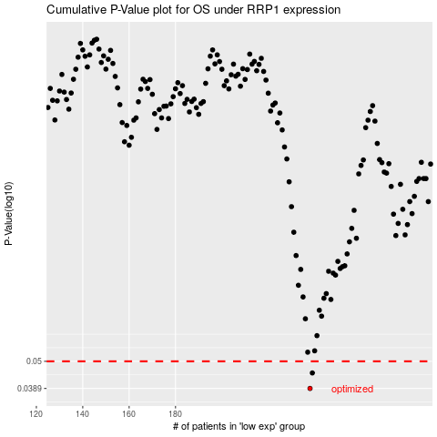

 |  |  |  |  |  | cases_OS | p_OS | rank | exp
 |  |  |  |  |  | 238 | 0.0389 | 91 | -0.13601610232
 |  |  |  |  |  | 239 | 0.0449 | 6 | -0.13089554126
 |  |  |  |  |  |  | cases_RFS | p_RFS | rank | exp
 |  |  |  |  |  |  | 237 | 0.0389 | 394 | -0.14018517378
 |  |  |  |  |  |  | 238 | 0.0449 | 91 | -0.13601610232

