RRP12 _multivariate
Reported by Tex Li-Hsing Chi. tex@gate.sinica.edu.tw 2019-08-16

Table 2. The clinicopathological features of HNSCC cohort and RRP12 expression. (Chi square test)
Cutoff at -0.039 (50.0%)
 |  | RRP12 expression |  | RRP12 expression |  | (Optimised)
 | Features | Low | (%) | High | (%) | Case no | P-value | Remark | Matthews
Gender | Female | 152 | 36.6 | 154 | 37.1 | 415 | 0.9766 | 0 | 0
2 | Male | 55 | 13.3 | 54 | 13
Age at diagnosis | <=65y | 135 | 32.5 | 139 | 33.5 | 415 | 0.8084 | 0 | 0
4 | >65y | 72 | 17.3 | 69 | 16.6
Clinical T Status | T1+T2 | 85 | 20.5 | 64 | 15.4 | 415 | 0.0372 | 1 | 0
6 | T3+T4 | 122 | 29.4 | 144 | 34.7
Clinical N Status | N0 | 113 | 27.2 | 103 | 24.8 | 415 | 0.3495 | 1 | 0
8 | N1-3 | 94 | 22.7 | 105 | 25.3
Clinical M Status | M0 | 206 | 49.6 | 206 | 49.6 | 415 | 1 | 0 | 0
10 | M1 | 1 | 0.2 | 2 | 0.5
Clinical Stage | Stage I+II | 59 | 14.2 | 43 | 10.4 | 415 | 0.0822 | 0 | 0
12 | Stage III+IV | 148 | 35.7 | 165 | 39.8
Surgical Margin status | Negative | 158 | 38.1 | 160 | 38.6 | 415 | 0.9081 | 0 | 0
14 | Positive | 49 | 11.8 | 48 | 11.6
Tobacco Exposure | Low | 84 | 20.2 | 77 | 18.6 | 415 | 0.4816 | 0 | 0
16 | High | 123 | 29.6 | 131 | 31.6

Table 3. Univariate/Multivariate Cox's proportional hazards regression analyses on OS time of RRP12 gene expression in HNSCC

 |  | Univariate |  |  |  | Multivariate
 | Features | HR | CI95%(L) | CI95%(H) | P-value | HR | CI95%(L) | CI95%(H) | P-value
1 | Female | 1 |  |  |  | 1
Gender | Male | 1.157 | 0.843 | 1.587 | 0.367 | 1.205 | 0.862 | 1.685 | 0.276
11 | <=65y | 1 |  |  |  | 1
Age at diagnosis | >65y | 1.329 | 0.99 | 1.784 | 0.058 | 1.392 | 1.024 | 1.892 | 0.035
12 | T1+T2 | 1 |  |  |  | 1
Clinical T Status | T3+T4 | 1.409 | 1.028 | 1.931 | 0.033 | 2.213 | 1.168 | 4.193 | 0.015
13 | N0 | 1 |  |  |  | 1
Clinical N Status | N1-3 | 1.185 | 0.89 | 1.577 | 0.246 | 1.244 | 0.871 | 1.777 | 0.23
14 | M0 | 1 |  |  |  | 1
Clinical M Status | M1 | 4.097 | 1.009 | 16.644 | 0.049 | 9.475 | 2.063 | 43.52 | 0.004
15 | Stage I+II | 1 |  |  |  | 1
Clinical Stage | Stage III+IV | 1.245 | 0.882 | 1.759 | 0.213 | 0.502 | 0.234 | 1.079 | 0.078
16 | Negative | 1 |  |  |  | 1
Surgical Margin status | Positive | 1.591 | 1.155 | 2.191 | 0.004 | 1.672 | 1.21 | 2.311 | 0.002
17 | Low | 1 |  |  |  | 1
Tobacco Exposure | High | 1.364 | 1.008 | 1.844 | 0.044 | 1.453 | 1.055 | 2.002 | 0.022
18 | Low | 1 |  |  |  | 1
RNAseq(z-score) | High | 1.05 | 0.788 | 1.397 | 0.741 | 0.973 | 0.728 | 1.299 | 0.851

Table 4. Univariate/Multivariate Cox's proportional hazards regression analyses on RFS time of RRP12 gene expression in HNSCC

 |  | Univariate |  |  |  | Multivariate
 | Features | HR | CI95%(L) | CI95%(H) | P-value | HR | CI95%(L) | CI95%(H) | P-value
1 | Female | 1 |  |  |  | 1
Gender | Male | 1.157 | 0.843 | 1.587 | 0.367 | 1.205 | 0.862 | 1.685 | 0.276
11 | <=65y | 1 |  |  |  | 1
Age at diagnosis | >65y | 1.329 | 0.99 | 1.784 | 0.058 | 1.392 | 1.024 | 1.892 | 0.035
12 | T1+T2 | 1 |  |  |  | 1
Clinical T Status | T3+T4 | 1.409 | 1.028 | 1.931 | 0.033 | 2.213 | 1.168 | 4.193 | 0.015
13 | N0 | 1 |  |  |  | 1
Clinical N Status | N1-3 | 1.185 | 0.89 | 1.577 | 0.246 | 1.244 | 0.871 | 1.777 | 0.23
14 | M0 | 1 |  |  |  | 1
Clinical M Status | M1 | 4.097 | 1.009 | 16.644 | 0.049 | 9.475 | 2.063 | 43.52 | 0.004
15 | Stage I+II | 1 |  |  |  | 1
Clinical Stage | Stage III+IV | 1.245 | 0.882 | 1.759 | 0.213 | 0.502 | 0.234 | 1.079 | 0.078
16 | Negative | 1 |  |  |  | 1
Surgical Margin status | Positive | 1.591 | 1.155 | 2.191 | 0.004 | 1.672 | 1.21 | 2.311 | 0.002
17 | Low | 1 |  |  |  | 1
Tobacco Exposure | High | 1.364 | 1.008 | 1.844 | 0.044 | 1.453 | 1.055 | 2.002 | 0.022
18 | Low | 1 |  |  |  | 1
RNAseq(z-score) | High | 1.05 | 0.788 | 1.397 | 0.741 | 0.973 | 0.728 | 1.299 | 0.851

Kaplan-Meier survival estimate: Cutoff at -0.039 (50.0%)



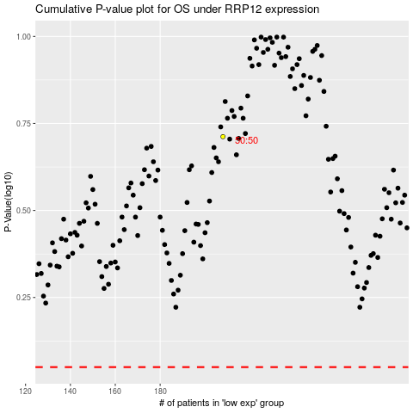

 |  |  |  |  |  | cases_OS | p_OS | rank | exp
 |  |  |  |  |  |  | cases_RFS | p_RFS | rank | exp

