RRP7B _multivariate
Reported by Tex Li-Hsing Chi. tex@gate.sinica.edu.tw 2019-08-16

Table 2. The clinicopathological features of HNSCC cohort and RRP7B expression. (Chi square test)
Cutoff at -0.195 (49.8%)
 |  | RRP7B expression |  | RRP7B expression |  | (Optimised)
 | Features | Low | (%) | High | (%) | Case no | P-value | Remark | Matthews
Gender | Female | 138 | 33.3 | 168 | 40.5 | 415 | 0.0016 | 1 | 0
2 | Male | 69 | 16.6 | 40 | 9.6
Age at diagnosis | <=65y | 132 | 31.8 | 142 | 34.2 | 415 | 0.3874 | 0 | 0
4 | >65y | 75 | 18.1 | 66 | 15.9
Clinical T Status | T1+T2 | 83 | 20 | 66 | 15.9 | 415 | 0.0941 | 0 | 0
6 | T3+T4 | 124 | 29.9 | 142 | 34.2
Clinical N Status | N0 | 114 | 27.5 | 102 | 24.6 | 415 | 0.2576 | 1 | 0
8 | N1-3 | 93 | 22.4 | 106 | 25.5
Clinical M Status | M0 | 206 | 49.6 | 206 | 49.6 | 415 | 1 | 0 | 0
10 | M1 | 1 | 0.2 | 2 | 0.5
Clinical Stage | Stage I+II | 62 | 14.9 | 40 | 9.6 | 415 | 0.0154 | 1 | 0
12 | Stage III+IV | 145 | 34.9 | 168 | 40.5
Surgical Margin status | Negative | 171 | 41.2 | 147 | 35.4 | 415 | 0.0052 | 1 | 0
14 | Positive | 36 | 8.7 | 61 | 14.7
Tobacco Exposure | Low | 95 | 22.9 | 66 | 15.9 | 415 | 0.0035 | 1 | 0
16 | High | 112 | 27 | 142 | 34.2

Table 3. Univariate/Multivariate Cox's proportional hazards regression analyses on OS time of RRP7B gene expression in HNSCC

 |  | Univariate |  |  |  | Multivariate
 | Features | HR | CI95%(L) | CI95%(H) | P-value | HR | CI95%(L) | CI95%(H) | P-value
1 | Female | 1 |  |  |  | 1
Gender | Male | 1.157 | 0.843 | 1.587 | 0.367 | 1.209 | 0.864 | 1.692 | 0.268
11 | <=65y | 1 |  |  |  | 1
Age at diagnosis | >65y | 1.329 | 0.99 | 1.784 | 0.058 | 1.389 | 1.022 | 1.889 | 0.036
12 | T1+T2 | 1 |  |  |  | 1
Clinical T Status | T3+T4 | 1.409 | 1.028 | 1.931 | 0.033 | 2.207 | 1.167 | 4.173 | 0.015
13 | N0 | 1 |  |  |  | 1
Clinical N Status | N1-3 | 1.185 | 0.89 | 1.577 | 0.246 | 1.249 | 0.874 | 1.784 | 0.223
14 | M0 | 1 |  |  |  | 1
Clinical M Status | M1 | 4.097 | 1.009 | 16.644 | 0.049 | 9.371 | 2.044 | 42.963 | 0.004
15 | Stage I+II | 1 |  |  |  | 1
Clinical Stage | Stage III+IV | 1.245 | 0.882 | 1.759 | 0.213 | 0.496 | 0.23 | 1.07 | 0.074
16 | Negative | 1 |  |  |  | 1
Surgical Margin status | Positive | 1.591 | 1.155 | 2.191 | 0.004 | 1.656 | 1.194 | 2.295 | 0.002
17 | Low | 1 |  |  |  | 1
Tobacco Exposure | High | 1.364 | 1.008 | 1.844 | 0.044 | 1.448 | 1.05 | 1.996 | 0.024
18 | Low | 1 |  |  |  | 1
RNAseq(z-score) | High | 1.149 | 0.862 | 1.533 | 0.342 | 1.064 | 0.79 | 1.433 | 0.684

Table 4. Univariate/Multivariate Cox's proportional hazards regression analyses on RFS time of RRP7B gene expression in HNSCC

 |  | Univariate |  |  |  | Multivariate
 | Features | HR | CI95%(L) | CI95%(H) | P-value | HR | CI95%(L) | CI95%(H) | P-value
1 | Female | 1 |  |  |  | 1
Gender | Male | 1.157 | 0.843 | 1.587 | 0.367 | 1.209 | 0.864 | 1.692 | 0.268
11 | <=65y | 1 |  |  |  | 1
Age at diagnosis | >65y | 1.329 | 0.99 | 1.784 | 0.058 | 1.389 | 1.022 | 1.889 | 0.036
12 | T1+T2 | 1 |  |  |  | 1
Clinical T Status | T3+T4 | 1.409 | 1.028 | 1.931 | 0.033 | 2.207 | 1.167 | 4.173 | 0.015
13 | N0 | 1 |  |  |  | 1
Clinical N Status | N1-3 | 1.185 | 0.89 | 1.577 | 0.246 | 1.249 | 0.874 | 1.784 | 0.223
14 | M0 | 1 |  |  |  | 1
Clinical M Status | M1 | 4.097 | 1.009 | 16.644 | 0.049 | 9.371 | 2.044 | 42.963 | 0.004
15 | Stage I+II | 1 |  |  |  | 1
Clinical Stage | Stage III+IV | 1.245 | 0.882 | 1.759 | 0.213 | 0.496 | 0.23 | 1.07 | 0.074
16 | Negative | 1 |  |  |  | 1
Surgical Margin status | Positive | 1.591 | 1.155 | 2.191 | 0.004 | 1.656 | 1.194 | 2.295 | 0.002
17 | Low | 1 |  |  |  | 1
Tobacco Exposure | High | 1.364 | 1.008 | 1.844 | 0.044 | 1.448 | 1.05 | 1.996 | 0.024
18 | Low | 1 |  |  |  | 1
RNAseq(z-score) | High | 1.149 | 0.862 | 1.533 | 0.342 | 1.064 | 0.79 | 1.433 | 0.684

Kaplan-Meier survival estimate: Cutoff at -0.195 (49.8%)



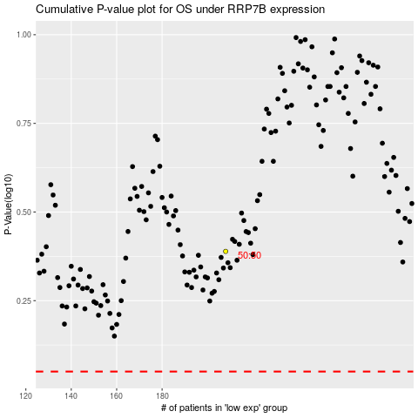

 |  |  |  |  |  | cases_OS | p_OS | rank | exp
 |  |  |  |  |  |  | cases_RFS | p_RFS | rank | exp

