RRP8 _multivariate
Reported by Tex Li-Hsing Chi. tex@gate.sinica.edu.tw 2019-08-16

Table 2. The clinicopathological features of HNSCC cohort and RRP8 expression. (Chi square test)
Cutoff at -0.17 (49.8%)
 |  | RRP8 expression |  | RRP8 expression |  | (Optimised)
 | Features | Low | (%) | High | (%) | Case no | P-value | Remark | Matthews
Gender | Female | 151 | 36.4 | 155 | 37.3 | 415 | 0.8007 | 0 | 0
2 | Male | 56 | 13.5 | 53 | 12.8
Age at diagnosis | <=65y | 135 | 32.5 | 139 | 33.5 | 415 | 0.8084 | 0 | 0
4 | >65y | 72 | 17.3 | 69 | 16.6
Clinical T Status | T1+T2 | 79 | 19 | 70 | 16.9 | 415 | 0.3924 | 0 | 0
6 | T3+T4 | 128 | 30.8 | 138 | 33.3
Clinical N Status | N0 | 108 | 26 | 108 | 26 | 415 | 1 | 0 | 0
8 | N1-3 | 99 | 23.9 | 100 | 24.1
Clinical M Status | M0 | 206 | 49.6 | 206 | 49.6 | 415 | 1 | 0 | 0
10 | M1 | 1 | 0.2 | 2 | 0.5
Clinical Stage | Stage I+II | 51 | 12.3 | 51 | 12.3 | 415 | 1 | 0 | 0
12 | Stage III+IV | 156 | 37.6 | 157 | 37.8
Surgical Margin status | Negative | 160 | 38.6 | 158 | 38.1 | 415 | 0.8167 | 0 | 0
14 | Positive | 47 | 11.3 | 50 | 12
Tobacco Exposure | Low | 78 | 18.8 | 83 | 20 | 415 | 0.6873 | 0 | 0
16 | High | 129 | 31.1 | 125 | 30.1

Table 3. Univariate/Multivariate Cox's proportional hazards regression analyses on OS time of RRP8 gene expression in HNSCC

 |  | Univariate |  |  |  | Multivariate
 | Features | HR | CI95%(L) | CI95%(H) | P-value | HR | CI95%(L) | CI95%(H) | P-value
1 | Female | 1 |  |  |  | 1
Gender | Male | 1.157 | 0.843 | 1.587 | 0.367 | 1.199 | 0.858 | 1.675 | 0.287
11 | <=65y | 1 |  |  |  | 1
Age at diagnosis | >65y | 1.329 | 0.99 | 1.784 | 0.058 | 1.393 | 1.025 | 1.893 | 0.034
12 | T1+T2 | 1 |  |  |  | 1
Clinical T Status | T3+T4 | 1.409 | 1.028 | 1.931 | 0.033 | 2.147 | 1.132 | 4.075 | 0.019
13 | N0 | 1 |  |  |  | 1
Clinical N Status | N1-3 | 1.185 | 0.89 | 1.577 | 0.246 | 1.228 | 0.86 | 1.753 | 0.259
14 | M0 | 1 |  |  |  | 1
Clinical M Status | M1 | 4.097 | 1.009 | 16.644 | 0.049 | 8.965 | 1.944 | 41.337 | 0.005
15 | Stage I+II | 1 |  |  |  | 1
Clinical Stage | Stage III+IV | 1.245 | 0.882 | 1.759 | 0.213 | 0.515 | 0.24 | 1.109 | 0.09
16 | Negative | 1 |  |  |  | 1
Surgical Margin status | Positive | 1.591 | 1.155 | 2.191 | 0.004 | 1.643 | 1.185 | 2.278 | 0.003
17 | Low | 1 |  |  |  | 1
Tobacco Exposure | High | 1.364 | 1.008 | 1.844 | 0.044 | 1.462 | 1.061 | 2.016 | 0.02
18 | Low | 1 |  |  |  | 1
RNAseq(z-score) | High | 1.223 | 0.917 | 1.63 | 0.171 | 1.11 | 0.827 | 1.49 | 0.488

Table 4. Univariate/Multivariate Cox's proportional hazards regression analyses on RFS time of RRP8 gene expression in HNSCC

 |  | Univariate |  |  |  | Multivariate
 | Features | HR | CI95%(L) | CI95%(H) | P-value | HR | CI95%(L) | CI95%(H) | P-value
1 | Female | 1 |  |  |  | 1
Gender | Male | 1.157 | 0.843 | 1.587 | 0.367 | 1.199 | 0.858 | 1.675 | 0.287
11 | <=65y | 1 |  |  |  | 1
Age at diagnosis | >65y | 1.329 | 0.99 | 1.784 | 0.058 | 1.393 | 1.025 | 1.893 | 0.034
12 | T1+T2 | 1 |  |  |  | 1
Clinical T Status | T3+T4 | 1.409 | 1.028 | 1.931 | 0.033 | 2.147 | 1.132 | 4.075 | 0.019
13 | N0 | 1 |  |  |  | 1
Clinical N Status | N1-3 | 1.185 | 0.89 | 1.577 | 0.246 | 1.228 | 0.86 | 1.753 | 0.259
14 | M0 | 1 |  |  |  | 1
Clinical M Status | M1 | 4.097 | 1.009 | 16.644 | 0.049 | 8.965 | 1.944 | 41.337 | 0.005
15 | Stage I+II | 1 |  |  |  | 1
Clinical Stage | Stage III+IV | 1.245 | 0.882 | 1.759 | 0.213 | 0.515 | 0.24 | 1.109 | 0.09
16 | Negative | 1 |  |  |  | 1
Surgical Margin status | Positive | 1.591 | 1.155 | 2.191 | 0.004 | 1.643 | 1.185 | 2.278 | 0.003
17 | Low | 1 |  |  |  | 1
Tobacco Exposure | High | 1.364 | 1.008 | 1.844 | 0.044 | 1.462 | 1.061 | 2.016 | 0.02
18 | Low | 1 |  |  |  | 1
RNAseq(z-score) | High | 1.223 | 0.917 | 1.63 | 0.171 | 1.11 | 0.827 | 1.49 | 0.488

Kaplan-Meier survival estimate: Cutoff at -0.17 (49.8%)



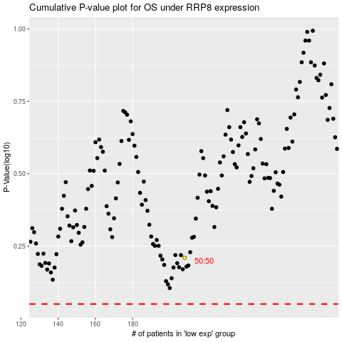

 |  |  |  |  |  | cases_OS | p_OS | rank | exp
 |  |  |  |  |  |  | cases_RFS | p_RFS | rank | exp

