RSAD1 _multivariate
Reported by Tex Li-Hsing Chi. tex@gate.sinica.edu.tw 2019-08-16

Table 2. The clinicopathological features of HNSCC cohort and RSAD1 expression. (Chi square test)
Cutoff at -0.308 (50.0%)
 |  | RSAD1 expression |  | RSAD1 expression |  | (Optimised)
 | Features | Low | (%) | High | (%) | Case no | P-value | Remark | Matthews
Gender | Female | 148 | 35.7 | 158 | 38.1 | 415 | 0.3567 | 0 | 0
2 | Male | 59 | 14.2 | 50 | 12
Age at diagnosis | <=65y | 125 | 30.1 | 149 | 35.9 | 415 | 0.0206 | 1 | 0
4 | >65y | 82 | 19.8 | 59 | 14.2
Clinical T Status | T1+T2 | 75 | 18.1 | 74 | 17.8 | 415 | 0.9707 | 0 | 0
6 | T3+T4 | 132 | 31.8 | 134 | 32.3
Clinical N Status | N0 | 112 | 27 | 104 | 25.1 | 415 | 0.4599 | 0 | 0
8 | N1-3 | 95 | 22.9 | 104 | 25.1
Clinical M Status | M0 | 204 | 49.2 | 208 | 50.1 | 415 | 0.1232 | 0 | 0
10 | M1 | 3 | 0.7 | 0 | 0
Clinical Stage | Stage I+II | 54 | 13 | 48 | 11.6 | 415 | 0.5498 | 0 | 0
12 | Stage III+IV | 153 | 36.9 | 160 | 38.6
Surgical Margin status | Negative | 161 | 38.8 | 157 | 37.8 | 415 | 0.6429 | 0 | 0
14 | Positive | 46 | 11.1 | 51 | 12.3
Tobacco Exposure | Low | 88 | 21.2 | 73 | 17.6 | 415 | 0.1314 | 0 | 0
16 | High | 119 | 28.7 | 135 | 32.5

Table 3. Univariate/Multivariate Cox's proportional hazards regression analyses on OS time of RSAD1 gene expression in HNSCC

 |  | Univariate |  |  |  | Multivariate
 | Features | HR | CI95%(L) | CI95%(H) | P-value | HR | CI95%(L) | CI95%(H) | P-value
1 | Female | 1 |  |  |  | 1
Gender | Male | 1.157 | 0.843 | 1.587 | 0.367 | 1.188 | 0.85 | 1.66 | 0.314
11 | <=65y | 1 |  |  |  | 1
Age at diagnosis | >65y | 1.329 | 0.99 | 1.784 | 0.058 | 1.358 | 0.996 | 1.852 | 0.053
12 | T1+T2 | 1 |  |  |  | 1
Clinical T Status | T3+T4 | 1.409 | 1.028 | 1.931 | 0.033 | 2.175 | 1.15 | 4.115 | 0.017
13 | N0 | 1 |  |  |  | 1
Clinical N Status | N1-3 | 1.185 | 0.89 | 1.577 | 0.246 | 1.249 | 0.875 | 1.781 | 0.221
14 | M0 | 1 |  |  |  | 1
Clinical M Status | M1 | 4.097 | 1.009 | 16.644 | 0.049 | 8.558 | 1.849 | 39.611 | 0.006
15 | Stage I+II | 1 |  |  |  | 1
Clinical Stage | Stage III+IV | 1.245 | 0.882 | 1.759 | 0.213 | 0.51 | 0.238 | 1.095 | 0.084
16 | Negative | 1 |  |  |  | 1
Surgical Margin status | Positive | 1.591 | 1.155 | 2.191 | 0.004 | 1.691 | 1.223 | 2.338 | 0.001
17 | Low | 1 |  |  |  | 1
Tobacco Exposure | High | 1.364 | 1.008 | 1.844 | 0.044 | 1.464 | 1.062 | 2.019 | 0.02
18 | Low | 1 |  |  |  | 1
RNAseq(z-score) | High | 0.834 | 0.625 | 1.113 | 0.218 | 0.854 | 0.635 | 1.149 | 0.297

Table 4. Univariate/Multivariate Cox's proportional hazards regression analyses on RFS time of RSAD1 gene expression in HNSCC

 |  | Univariate |  |  |  | Multivariate
 | Features | HR | CI95%(L) | CI95%(H) | P-value | HR | CI95%(L) | CI95%(H) | P-value
1 | Female | 1 |  |  |  | 1
Gender | Male | 1.157 | 0.843 | 1.587 | 0.367 | 1.188 | 0.85 | 1.66 | 0.314
11 | <=65y | 1 |  |  |  | 1
Age at diagnosis | >65y | 1.329 | 0.99 | 1.784 | 0.058 | 1.358 | 0.996 | 1.852 | 0.053
12 | T1+T2 | 1 |  |  |  | 1
Clinical T Status | T3+T4 | 1.409 | 1.028 | 1.931 | 0.033 | 2.175 | 1.15 | 4.115 | 0.017
13 | N0 | 1 |  |  |  | 1
Clinical N Status | N1-3 | 1.185 | 0.89 | 1.577 | 0.246 | 1.249 | 0.875 | 1.781 | 0.221
14 | M0 | 1 |  |  |  | 1
Clinical M Status | M1 | 4.097 | 1.009 | 16.644 | 0.049 | 8.558 | 1.849 | 39.611 | 0.006
15 | Stage I+II | 1 |  |  |  | 1
Clinical Stage | Stage III+IV | 1.245 | 0.882 | 1.759 | 0.213 | 0.51 | 0.238 | 1.095 | 0.084
16 | Negative | 1 |  |  |  | 1
Surgical Margin status | Positive | 1.591 | 1.155 | 2.191 | 0.004 | 1.691 | 1.223 | 2.338 | 0.001
17 | Low | 1 |  |  |  | 1
Tobacco Exposure | High | 1.364 | 1.008 | 1.844 | 0.044 | 1.464 | 1.062 | 2.019 | 0.02
18 | Low | 1 |  |  |  | 1
RNAseq(z-score) | High | 0.834 | 0.625 | 1.113 | 0.218 | 0.854 | 0.635 | 1.149 | 0.297

Kaplan-Meier survival estimate: Cutoff at -0.308 (50.0%)



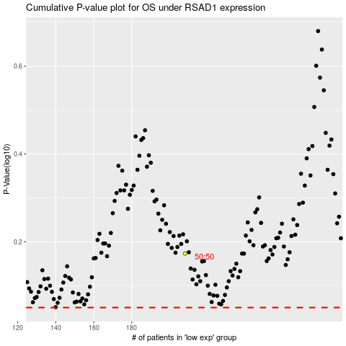

 |  |  |  |  |  | cases_OS | p_OS | rank | exp
 |  |  |  |  |  |  | cases_RFS | p_RFS | rank | exp

