RSAD2 _multivariate
Reported by Tex Li-Hsing Chi. tex@gate.sinica.edu.tw 2019-08-16

Table 2. The clinicopathological features of HNSCC cohort and RSAD2 expression. (Chi square test)
Cutoff at -0.325 (50.0%)
 |  | RSAD2 expression |  | RSAD2 expression |  | (Optimised)
 | Features | Low | (%) | High | (%) | Case no | P-value | Remark | Matthews
Gender | Female | 169 | 40.7 | 137 | 33 | 415 | 4e-04 | 1 | 0
2 | Male | 38 | 9.2 | 71 | 17.1
Age at diagnosis | <=65y | 139 | 33.5 | 135 | 32.5 | 415 | 0.7044 | 0 | 0
4 | >65y | 68 | 16.4 | 73 | 17.6
Clinical T Status | T1+T2 | 72 | 17.3 | 77 | 18.6 | 415 | 0.7095 | 0 | 0
6 | T3+T4 | 135 | 32.5 | 131 | 31.6
Clinical N Status | N0 | 117 | 28.2 | 99 | 23.9 | 415 | 0.0852 | 1 | 0
8 | N1-3 | 90 | 21.7 | 109 | 26.3
Clinical M Status | M0 | 207 | 49.9 | 205 | 49.4 | 415 | 0.2482 | 0 | 0
10 | M1 | 0 | 0 | 3 | 0.7
Clinical Stage | Stage I+II | 50 | 12 | 52 | 12.5 | 415 | 0.9315 | 0 | 0
12 | Stage III+IV | 157 | 37.8 | 156 | 37.6
Surgical Margin status | Negative | 158 | 38.1 | 160 | 38.6 | 415 | 0.9081 | 0 | 0
14 | Positive | 49 | 11.8 | 48 | 11.6
Tobacco Exposure | Low | 64 | 15.4 | 97 | 23.4 | 415 | 0.0012 | 1 | 0
16 | High | 143 | 34.5 | 111 | 26.7

Table 3. Univariate/Multivariate Cox's proportional hazards regression analyses on OS time of RSAD2 gene expression in HNSCC

 |  | Univariate |  |  |  | Multivariate
 | Features | HR | CI95%(L) | CI95%(H) | P-value | HR | CI95%(L) | CI95%(H) | P-value
1 | Female | 1 |  |  |  | 1
Gender | Male | 1.157 | 0.843 | 1.587 | 0.367 | 1.193 | 0.852 | 1.671 | 0.305
11 | <=65y | 1 |  |  |  | 1
Age at diagnosis | >65y | 1.329 | 0.99 | 1.784 | 0.058 | 1.395 | 1.026 | 1.898 | 0.034
12 | T1+T2 | 1 |  |  |  | 1
Clinical T Status | T3+T4 | 1.409 | 1.028 | 1.931 | 0.033 | 2.188 | 1.156 | 4.142 | 0.016
13 | N0 | 1 |  |  |  | 1
Clinical N Status | N1-3 | 1.185 | 0.89 | 1.577 | 0.246 | 1.231 | 0.86 | 1.762 | 0.256
14 | M0 | 1 |  |  |  | 1
Clinical M Status | M1 | 4.097 | 1.009 | 16.644 | 0.049 | 9.128 | 1.972 | 42.245 | 0.005
15 | Stage I+II | 1 |  |  |  | 1
Clinical Stage | Stage III+IV | 1.245 | 0.882 | 1.759 | 0.213 | 0.511 | 0.237 | 1.101 | 0.086
16 | Negative | 1 |  |  |  | 1
Surgical Margin status | Positive | 1.591 | 1.155 | 2.191 | 0.004 | 1.668 | 1.207 | 2.305 | 0.002
17 | Low | 1 |  |  |  | 1
Tobacco Exposure | High | 1.364 | 1.008 | 1.844 | 0.044 | 1.464 | 1.059 | 2.023 | 0.021
18 | Low | 1 |  |  |  | 1
RNAseq(z-score) | High | 1.088 | 0.816 | 1.45 | 0.565 | 1.053 | 0.781 | 1.42 | 0.734

Table 4. Univariate/Multivariate Cox's proportional hazards regression analyses on RFS time of RSAD2 gene expression in HNSCC

 |  | Univariate |  |  |  | Multivariate
 | Features | HR | CI95%(L) | CI95%(H) | P-value | HR | CI95%(L) | CI95%(H) | P-value
1 | Female | 1 |  |  |  | 1
Gender | Male | 1.157 | 0.843 | 1.587 | 0.367 | 1.193 | 0.852 | 1.671 | 0.305
11 | <=65y | 1 |  |  |  | 1
Age at diagnosis | >65y | 1.329 | 0.99 | 1.784 | 0.058 | 1.395 | 1.026 | 1.898 | 0.034
12 | T1+T2 | 1 |  |  |  | 1
Clinical T Status | T3+T4 | 1.409 | 1.028 | 1.931 | 0.033 | 2.188 | 1.156 | 4.142 | 0.016
13 | N0 | 1 |  |  |  | 1
Clinical N Status | N1-3 | 1.185 | 0.89 | 1.577 | 0.246 | 1.231 | 0.86 | 1.762 | 0.256
14 | M0 | 1 |  |  |  | 1
Clinical M Status | M1 | 4.097 | 1.009 | 16.644 | 0.049 | 9.128 | 1.972 | 42.245 | 0.005
15 | Stage I+II | 1 |  |  |  | 1
Clinical Stage | Stage III+IV | 1.245 | 0.882 | 1.759 | 0.213 | 0.511 | 0.237 | 1.101 | 0.086
16 | Negative | 1 |  |  |  | 1
Surgical Margin status | Positive | 1.591 | 1.155 | 2.191 | 0.004 | 1.668 | 1.207 | 2.305 | 0.002
17 | Low | 1 |  |  |  | 1
Tobacco Exposure | High | 1.364 | 1.008 | 1.844 | 0.044 | 1.464 | 1.059 | 2.023 | 0.021
18 | Low | 1 |  |  |  | 1
RNAseq(z-score) | High | 1.088 | 0.816 | 1.45 | 0.565 | 1.053 | 0.781 | 1.42 | 0.734

Kaplan-Meier survival estimate: Cutoff at -0.325 (50.0%)



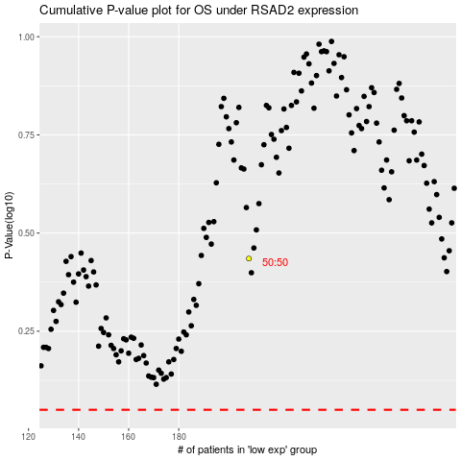

 |  |  |  |  |  | cases_OS | p_OS | rank | exp
 |  |  |  |  |  |  | cases_RFS | p_RFS | rank | exp

