RSL1D1 _multivariate
Reported by Tex Li-Hsing Chi. tex@gate.sinica.edu.tw 2019-08-16

Table 2. The clinicopathological features of HNSCC cohort and RSL1D1 expression. (Chi square test)
Cutoff at -0.052 (51.7%)
 |  | RSL1D1 expression |  | RSL1D1 expression |  | (Optimised)
 | Features | Low | (%) | High | (%) | Case no | P-value | Remark | Matthews
Gender | Female | 159 | 38.3 | 147 | 35.4 | 415 | 1 | 0 | 0
2 | Male | 56 | 13.5 | 53 | 12.8
Age at diagnosis | <=65y | 146 | 35.2 | 128 | 30.8 | 415 | 0.4617 | 0 | 0
4 | >65y | 69 | 16.6 | 72 | 17.3
Clinical T Status | T1+T2 | 90 | 21.7 | 59 | 14.2 | 415 | 0.0117 | 1 | 0
6 | T3+T4 | 125 | 30.1 | 141 | 34
Clinical N Status | N0 | 112 | 27 | 104 | 25.1 | 415 | 1 | 0 | 0
8 | N1-3 | 103 | 24.8 | 96 | 23.1
Clinical M Status | M0 | 215 | 51.8 | 197 | 47.5 | 415 | 0.1111 | 0 | 0
10 | M1 | 0 | 0 | 3 | 0.7
Clinical Stage | Stage I+II | 62 | 14.9 | 40 | 9.6 | 415 | 0.0482 | 1 | 0
12 | Stage III+IV | 153 | 36.9 | 160 | 38.6
Surgical Margin status | Negative | 167 | 40.2 | 151 | 36.4 | 415 | 0.6431 | 0 | 0
14 | Positive | 48 | 11.6 | 49 | 11.8
Tobacco Exposure | Low | 99 | 23.9 | 62 | 14.9 | 415 | 0.0018 | 1 | 0
16 | High | 116 | 28 | 138 | 33.3

Table 3. Univariate/Multivariate Cox's proportional hazards regression analyses on OS time of RSL1D1 gene expression in HNSCC

 |  | Univariate |  |  |  | Multivariate
 | Features | HR | CI95%(L) | CI95%(H) | P-value | HR | CI95%(L) | CI95%(H) | P-value
1 | Female | 1 |  |  |  | 1
Gender | Male | 1.157 | 0.843 | 1.587 | 0.367 | 1.178 | 0.84 | 1.651 | 0.342
11 | <=65y | 1 |  |  |  | 1
Age at diagnosis | >65y | 1.329 | 0.99 | 1.784 | 0.058 | 1.385 | 1.019 | 1.883 | 0.037
12 | T1+T2 | 1 |  |  |  | 1
Clinical T Status | T3+T4 | 1.409 | 1.028 | 1.931 | 0.033 | 2.16 | 1.142 | 4.085 | 0.018
13 | N0 | 1 |  |  |  | 1
Clinical N Status | N1-3 | 1.185 | 0.89 | 1.577 | 0.246 | 1.246 | 0.873 | 1.778 | 0.226
14 | M0 | 1 |  |  |  | 1
Clinical M Status | M1 | 4.097 | 1.009 | 16.644 | 0.049 | 8.505 | 1.836 | 39.409 | 0.006
15 | Stage I+II | 1 |  |  |  | 1
Clinical Stage | Stage III+IV | 1.245 | 0.882 | 1.759 | 0.213 | 0.503 | 0.234 | 1.08 | 0.078
16 | Negative | 1 |  |  |  | 1
Surgical Margin status | Positive | 1.591 | 1.155 | 2.191 | 0.004 | 1.645 | 1.19 | 2.275 | 0.003
17 | Low | 1 |  |  |  | 1
Tobacco Exposure | High | 1.364 | 1.008 | 1.844 | 0.044 | 1.427 | 1.033 | 1.971 | 0.031
18 | Low | 1 |  |  |  | 1
RNAseq(z-score) | High | 1.358 | 1.019 | 1.81 | 0.037 | 1.172 | 0.873 | 1.574 | 0.29

Table 4. Univariate/Multivariate Cox's proportional hazards regression analyses on RFS time of RSL1D1 gene expression in HNSCC

 |  | Univariate |  |  |  | Multivariate
 | Features | HR | CI95%(L) | CI95%(H) | P-value | HR | CI95%(L) | CI95%(H) | P-value
1 | Female | 1 |  |  |  | 1
Gender | Male | 1.157 | 0.843 | 1.587 | 0.367 | 1.178 | 0.84 | 1.651 | 0.342
11 | <=65y | 1 |  |  |  | 1
Age at diagnosis | >65y | 1.329 | 0.99 | 1.784 | 0.058 | 1.385 | 1.019 | 1.883 | 0.037
12 | T1+T2 | 1 |  |  |  | 1
Clinical T Status | T3+T4 | 1.409 | 1.028 | 1.931 | 0.033 | 2.16 | 1.142 | 4.085 | 0.018
13 | N0 | 1 |  |  |  | 1
Clinical N Status | N1-3 | 1.185 | 0.89 | 1.577 | 0.246 | 1.246 | 0.873 | 1.778 | 0.226
14 | M0 | 1 |  |  |  | 1
Clinical M Status | M1 | 4.097 | 1.009 | 16.644 | 0.049 | 8.505 | 1.836 | 39.409 | 0.006
15 | Stage I+II | 1 |  |  |  | 1
Clinical Stage | Stage III+IV | 1.245 | 0.882 | 1.759 | 0.213 | 0.503 | 0.234 | 1.08 | 0.078
16 | Negative | 1 |  |  |  | 1
Surgical Margin status | Positive | 1.591 | 1.155 | 2.191 | 0.004 | 1.645 | 1.19 | 2.275 | 0.003
17 | Low | 1 |  |  |  | 1
Tobacco Exposure | High | 1.364 | 1.008 | 1.844 | 0.044 | 1.427 | 1.033 | 1.971 | 0.031
18 | Low | 1 |  |  |  | 1
RNAseq(z-score) | High | 1.358 | 1.019 | 1.81 | 0.037 | 1.172 | 0.873 | 1.574 | 0.29

Kaplan-Meier survival estimate: Cutoff at -0.052 (51.7%)

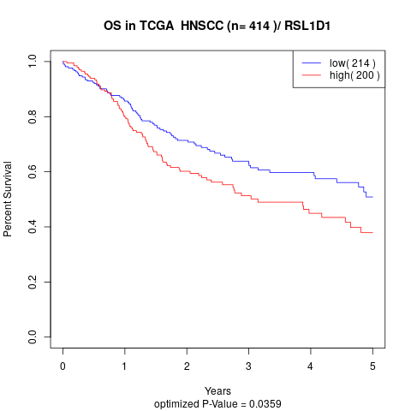

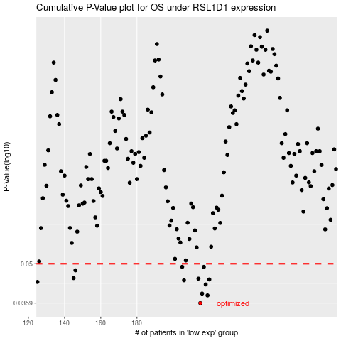

 |  |  |  |  |  | cases_OS | p_OS | rank | exp
 |  |  |  |  |  | 215 | 0.0359 | 72 | -0.052142195895
 |  |  |  |  |  | 219 | 0.0383 | 55 | -0.032174509324
 |  |  |  |  |  | 216 | 0.0389 | 77 | -0.050912580449
 |  |  |  |  |  | 218 | 0.042 | 415 | -0.040179217709
 |  |  |  |  |  | 125 | 0.0429 | 244 | -0.55086825248
 |  |  |  |  |  | 206 | 0.0435 | 118 | -0.11058317977
 |  |  |  |  |  | 220 | 0.0438 | 138 | -0.030110257635
 |  |  |  |  |  | 214 | 0.0441 | 262 | -0.06070448707
 |  |  |  |  |  | 145 | 0.0443 | 218 | -0.44687164407
 |  |  |  |  |  | 146 | 0.0473 | 124 | -0.43565250523
 |  |  |  |  |  | 217 | 0.0487 | 178 | -0.04437079568
 |  |  |  |  |  | 205 | 0.0487 | 312 | -0.1151691435
 |  |  |  |  |  |  | cases_RFS | p_RFS | rank | exp
 |  |  |  |  |  |  | 214 | 0.0359 | 262 | -0.06070448707
 |  |  |  |  |  |  | 218 | 0.0383 | 415 | -0.040179217709
 |  |  |  |  |  |  | 215 | 0.0389 | 72 | -0.052142195895
 |  |  |  |  |  |  | 217 | 0.042 | 178 | -0.04437079568
 |  |  |  |  |  |  |  | 0.0429 | 240 | -0.5557076167
 |  |  |  |  |  |  | 205 | 0.0435 | 312 | -0.1151691435
 |  |  |  |  |  |  | 219 | 0.0438 | 55 | -0.032174509324
 |  |  |  |  |  |  | 213 | 0.0441 | 51 | -0.06123468667
 |  |  |  |  |  |  | 144 | 0.0443 | 120 | -0.45071656611
 |  |  |  |  |  |  | 145 | 0.0473 | 218 | -0.44687164407
 |  |  |  |  |  |  | 216 | 0.0487 | 77 | -0.050912580449
 |  |  |  |  |  |  | 204 | 0.0487 | 128 | -0.1195151864

