RSPH10B2 _multivariate
Reported by Tex Li-Hsing Chi. tex@gate.sinica.edu.tw 2019-08-16

Table 2. The clinicopathological features of HNSCC cohort and RSPH10B2 expression. (Chi square test)
Cutoff at -0.096 (49.8%)
 |  | RSPH10B2 expression |  | RSPH10B2 expression |  | (Optimised)
 | Features | Low | (%) | High | (%) | Case no | P-value | Remark | Matthews
Gender | Female | 148 | 35.7 | 158 | 38.1 | 415 | 0.3567 | 0 | 0
2 | Male | 59 | 14.2 | 50 | 12
Age at diagnosis | <=65y | 135 | 32.5 | 139 | 33.5 | 415 | 0.8084 | 0 | 0
4 | >65y | 72 | 17.3 | 69 | 16.6
Clinical T Status | T1+T2 | 75 | 18.1 | 74 | 17.8 | 415 | 0.9707 | 0 | 0
6 | T3+T4 | 132 | 31.8 | 134 | 32.3
Clinical N Status | N0 | 97 | 23.4 | 119 | 28.7 | 415 | 0.0442 | 1 | 0
8 | N1-3 | 110 | 26.5 | 89 | 21.4
Clinical M Status | M0 | 207 | 49.9 | 205 | 49.4 | 415 | 0.2482 | 0 | 0
10 | M1 | 0 | 0 | 3 | 0.7
Clinical Stage | Stage I+II | 51 | 12.3 | 51 | 12.3 | 415 | 1 | 0 | 0
12 | Stage III+IV | 156 | 37.6 | 157 | 37.8
Surgical Margin status | Negative | 165 | 39.8 | 153 | 36.9 | 415 | 0.1639 | 0 | 0
14 | Positive | 42 | 10.1 | 55 | 13.3
Tobacco Exposure | Low | 89 | 21.4 | 72 | 17.3 | 415 | 0.0872 | 0 | 0
16 | High | 118 | 28.4 | 136 | 32.8

Table 3. Univariate/Multivariate Cox's proportional hazards regression analyses on OS time of RSPH10B2 gene expression in HNSCC

 |  | Univariate |  |  |  | Multivariate
 | Features | HR | CI95%(L) | CI95%(H) | P-value | HR | CI95%(L) | CI95%(H) | P-value
1 | Female | 1 |  |  |  | 1
Gender | Male | 1.157 | 0.843 | 1.587 | 0.367 | 1.195 | 0.856 | 1.669 | 0.296
11 | <=65y | 1 |  |  |  | 1
Age at diagnosis | >65y | 1.329 | 0.99 | 1.784 | 0.058 | 1.393 | 1.025 | 1.894 | 0.034
12 | T1+T2 | 1 |  |  |  | 1
Clinical T Status | T3+T4 | 1.409 | 1.028 | 1.931 | 0.033 | 2.219 | 1.173 | 4.197 | 0.014
13 | N0 | 1 |  |  |  | 1
Clinical N Status | N1-3 | 1.185 | 0.89 | 1.577 | 0.246 | 1.208 | 0.843 | 1.732 | 0.303
14 | M0 | 1 |  |  |  | 1
Clinical M Status | M1 | 4.097 | 1.009 | 16.644 | 0.049 | 10.277 | 2.212 | 47.74 | 0.003
15 | Stage I+II | 1 |  |  |  | 1
Clinical Stage | Stage III+IV | 1.245 | 0.882 | 1.759 | 0.213 | 0.507 | 0.236 | 1.089 | 0.082
16 | Negative | 1 |  |  |  | 1
Surgical Margin status | Positive | 1.591 | 1.155 | 2.191 | 0.004 | 1.699 | 1.227 | 2.352 | 0.001
17 | Low | 1 |  |  |  | 1
Tobacco Exposure | High | 1.364 | 1.008 | 1.844 | 0.044 | 1.481 | 1.072 | 2.047 | 0.017
18 | Low | 1 |  |  |  | 1
RNAseq(z-score) | High | 0.945 | 0.709 | 1.259 | 0.698 | 0.873 | 0.648 | 1.176 | 0.372

Table 4. Univariate/Multivariate Cox's proportional hazards regression analyses on RFS time of RSPH10B2 gene expression in HNSCC

 |  | Univariate |  |  |  | Multivariate
 | Features | HR | CI95%(L) | CI95%(H) | P-value | HR | CI95%(L) | CI95%(H) | P-value
1 | Female | 1 |  |  |  | 1
Gender | Male | 1.157 | 0.843 | 1.587 | 0.367 | 1.195 | 0.856 | 1.669 | 0.296
11 | <=65y | 1 |  |  |  | 1
Age at diagnosis | >65y | 1.329 | 0.99 | 1.784 | 0.058 | 1.393 | 1.025 | 1.894 | 0.034
12 | T1+T2 | 1 |  |  |  | 1
Clinical T Status | T3+T4 | 1.409 | 1.028 | 1.931 | 0.033 | 2.219 | 1.173 | 4.197 | 0.014
13 | N0 | 1 |  |  |  | 1
Clinical N Status | N1-3 | 1.185 | 0.89 | 1.577 | 0.246 | 1.208 | 0.843 | 1.732 | 0.303
14 | M0 | 1 |  |  |  | 1
Clinical M Status | M1 | 4.097 | 1.009 | 16.644 | 0.049 | 10.277 | 2.212 | 47.74 | 0.003
15 | Stage I+II | 1 |  |  |  | 1
Clinical Stage | Stage III+IV | 1.245 | 0.882 | 1.759 | 0.213 | 0.507 | 0.236 | 1.089 | 0.082
16 | Negative | 1 |  |  |  | 1
Surgical Margin status | Positive | 1.591 | 1.155 | 2.191 | 0.004 | 1.699 | 1.227 | 2.352 | 0.001
17 | Low | 1 |  |  |  | 1
Tobacco Exposure | High | 1.364 | 1.008 | 1.844 | 0.044 | 1.481 | 1.072 | 2.047 | 0.017
18 | Low | 1 |  |  |  | 1
RNAseq(z-score) | High | 0.945 | 0.709 | 1.259 | 0.698 | 0.873 | 0.648 | 1.176 | 0.372

Kaplan-Meier survival estimate: Cutoff at -0.096 (49.8%)



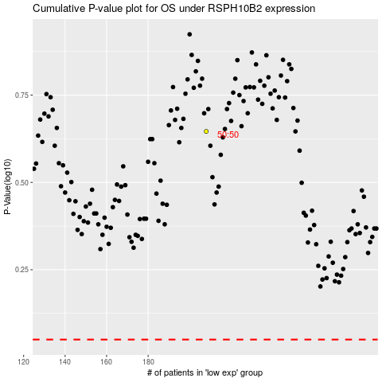

 |  |  |  |  |  | cases_OS | p_OS | rank | exp
 |  |  |  |  |  |  | cases_RFS | p_RFS | rank | exp

