RSPH3 _multivariate
Reported by Tex Li-Hsing Chi. tex@gate.sinica.edu.tw 2019-08-16

Table 2. The clinicopathological features of HNSCC cohort and RSPH3 expression. (Chi square test)
Cutoff at -0.099 (49.8%)
 |  | RSPH3 expression |  | RSPH3 expression |  | (Optimised)
 | Features | Low | (%) | High | (%) | Case no | P-value | Remark | Matthews
Gender | Female | 164 | 39.5 | 142 | 34.2 | 415 | 0.0153 | 1 | 0
2 | Male | 43 | 10.4 | 66 | 15.9
Age at diagnosis | <=65y | 147 | 35.4 | 127 | 30.6 | 415 | 0.0416 | 1 | 0
4 | >65y | 60 | 14.5 | 81 | 19.5
Clinical T Status | T1+T2 | 72 | 17.3 | 77 | 18.6 | 415 | 0.7095 | 0 | 0
6 | T3+T4 | 135 | 32.5 | 131 | 31.6
Clinical N Status | N0 | 98 | 23.6 | 118 | 28.4 | 415 | 0.0694 | 0 | 0
8 | N1-3 | 109 | 26.3 | 90 | 21.7
Clinical M Status | M0 | 206 | 49.6 | 206 | 49.6 | 415 | 1 | 0 | 0
10 | M1 | 1 | 0.2 | 2 | 0.5
Clinical Stage | Stage I+II | 45 | 10.8 | 57 | 13.7 | 415 | 0.2202 | 0 | 0
12 | Stage III+IV | 162 | 39 | 151 | 36.4
Surgical Margin status | Negative | 158 | 38.1 | 160 | 38.6 | 415 | 0.9081 | 0 | 0
14 | Positive | 49 | 11.8 | 48 | 11.6
Tobacco Exposure | Low | 71 | 17.1 | 90 | 21.7 | 415 | 0.0698 | 0 | 0
16 | High | 136 | 32.8 | 118 | 28.4

Table 3. Univariate/Multivariate Cox's proportional hazards regression analyses on OS time of RSPH3 gene expression in HNSCC

 |  | Univariate |  |  |  | Multivariate
 | Features | HR | CI95%(L) | CI95%(H) | P-value | HR | CI95%(L) | CI95%(H) | P-value
1 | Female | 1 |  |  |  | 1
Gender | Male | 1.157 | 0.843 | 1.587 | 0.367 | 1.211 | 0.865 | 1.696 | 0.265
11 | <=65y | 1 |  |  |  | 1
Age at diagnosis | >65y | 1.329 | 0.99 | 1.784 | 0.058 | 1.398 | 1.028 | 1.902 | 0.033
12 | T1+T2 | 1 |  |  |  | 1
Clinical T Status | T3+T4 | 1.409 | 1.028 | 1.931 | 0.033 | 2.202 | 1.165 | 4.164 | 0.015
13 | N0 | 1 |  |  |  | 1
Clinical N Status | N1-3 | 1.185 | 0.89 | 1.577 | 0.246 | 1.236 | 0.865 | 1.764 | 0.244
14 | M0 | 1 |  |  |  | 1
Clinical M Status | M1 | 4.097 | 1.009 | 16.644 | 0.049 | 9.629 | 2.092 | 44.32 | 0.004
15 | Stage I+II | 1 |  |  |  | 1
Clinical Stage | Stage III+IV | 1.245 | 0.882 | 1.759 | 0.213 | 0.503 | 0.235 | 1.08 | 0.078
16 | Negative | 1 |  |  |  | 1
Surgical Margin status | Positive | 1.591 | 1.155 | 2.191 | 0.004 | 1.66 | 1.2 | 2.297 | 0.002
17 | Low | 1 |  |  |  | 1
Tobacco Exposure | High | 1.364 | 1.008 | 1.844 | 0.044 | 1.455 | 1.056 | 2.005 | 0.022
18 | Low | 1 |  |  |  | 1
RNAseq(z-score) | High | 0.938 | 0.704 | 1.249 | 0.662 | 0.941 | 0.702 | 1.261 | 0.681

Table 4. Univariate/Multivariate Cox's proportional hazards regression analyses on RFS time of RSPH3 gene expression in HNSCC

 |  | Univariate |  |  |  | Multivariate
 | Features | HR | CI95%(L) | CI95%(H) | P-value | HR | CI95%(L) | CI95%(H) | P-value
1 | Female | 1 |  |  |  | 1
Gender | Male | 1.157 | 0.843 | 1.587 | 0.367 | 1.211 | 0.865 | 1.696 | 0.265
11 | <=65y | 1 |  |  |  | 1
Age at diagnosis | >65y | 1.329 | 0.99 | 1.784 | 0.058 | 1.398 | 1.028 | 1.902 | 0.033
12 | T1+T2 | 1 |  |  |  | 1
Clinical T Status | T3+T4 | 1.409 | 1.028 | 1.931 | 0.033 | 2.202 | 1.165 | 4.164 | 0.015
13 | N0 | 1 |  |  |  | 1
Clinical N Status | N1-3 | 1.185 | 0.89 | 1.577 | 0.246 | 1.236 | 0.865 | 1.764 | 0.244
14 | M0 | 1 |  |  |  | 1
Clinical M Status | M1 | 4.097 | 1.009 | 16.644 | 0.049 | 9.629 | 2.092 | 44.32 | 0.004
15 | Stage I+II | 1 |  |  |  | 1
Clinical Stage | Stage III+IV | 1.245 | 0.882 | 1.759 | 0.213 | 0.503 | 0.235 | 1.08 | 0.078
16 | Negative | 1 |  |  |  | 1
Surgical Margin status | Positive | 1.591 | 1.155 | 2.191 | 0.004 | 1.66 | 1.2 | 2.297 | 0.002
17 | Low | 1 |  |  |  | 1
Tobacco Exposure | High | 1.364 | 1.008 | 1.844 | 0.044 | 1.455 | 1.056 | 2.005 | 0.022
18 | Low | 1 |  |  |  | 1
RNAseq(z-score) | High | 0.938 | 0.704 | 1.249 | 0.662 | 0.941 | 0.702 | 1.261 | 0.681

Kaplan-Meier survival estimate: Cutoff at -0.099 (49.8%)



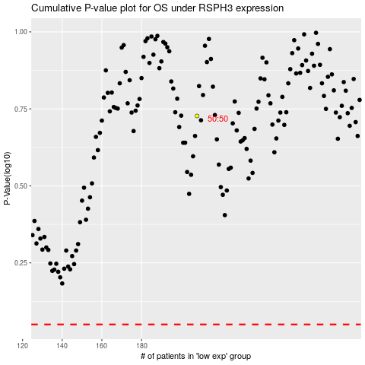

 |  |  |  |  |  | cases_OS | p_OS | rank | exp
 |  |  |  |  |  |  | cases_RFS | p_RFS | rank | exp

