RSPH9 _multivariate
Reported by Tex Li-Hsing Chi. tex@gate.sinica.edu.tw 2019-08-16

Table 2. The clinicopathological features of HNSCC cohort and RSPH9 expression. (Chi square test)
Cutoff at -0.09 (49.8%)
 |  | RSPH9 expression |  | RSPH9 expression |  | (Optimised)
 | Features | Low | (%) | High | (%) | Case no | P-value | Remark | Matthews
Gender | Female | 146 | 35.2 | 160 | 38.6 | 415 | 0.1714 | 0 | 0
2 | Male | 61 | 14.7 | 48 | 11.6
Age at diagnosis | <=65y | 129 | 31.1 | 145 | 34.9 | 415 | 0.1372 | 0 | 0
4 | >65y | 78 | 18.8 | 63 | 15.2
Clinical T Status | T1+T2 | 83 | 20 | 66 | 15.9 | 415 | 0.0941 | 0 | 0
6 | T3+T4 | 124 | 29.9 | 142 | 34.2
Clinical N Status | N0 | 117 | 28.2 | 99 | 23.9 | 415 | 0.0852 | 1 | 0
8 | N1-3 | 90 | 21.7 | 109 | 26.3
Clinical M Status | M0 | 205 | 49.4 | 207 | 49.9 | 415 | 0.6232 | 0 | 0
10 | M1 | 2 | 0.5 | 1 | 0.2
Clinical Stage | Stage I+II | 61 | 14.7 | 41 | 9.9 | 415 | 0.0282 | 1 | 0
12 | Stage III+IV | 146 | 35.2 | 167 | 40.2
Surgical Margin status | Negative | 159 | 38.3 | 159 | 38.3 | 415 | 1 | 0 | 0
14 | Positive | 48 | 11.6 | 49 | 11.8
Tobacco Exposure | Low | 91 | 21.9 | 70 | 16.9 | 415 | 0.0346 | 1 | 0
16 | High | 116 | 28 | 138 | 33.3

Table 3. Univariate/Multivariate Cox's proportional hazards regression analyses on OS time of RSPH9 gene expression in HNSCC

 |  | Univariate |  |  |  | Multivariate
 | Features | HR | CI95%(L) | CI95%(H) | P-value | HR | CI95%(L) | CI95%(H) | P-value
1 | Female | 1 |  |  |  | 1
Gender | Male | 1.157 | 0.843 | 1.587 | 0.367 | 1.202 | 0.86 | 1.68 | 0.281
11 | <=65y | 1 |  |  |  | 1
Age at diagnosis | >65y | 1.329 | 0.99 | 1.784 | 0.058 | 1.393 | 1.023 | 1.897 | 0.036
12 | T1+T2 | 1 |  |  |  | 1
Clinical T Status | T3+T4 | 1.409 | 1.028 | 1.931 | 0.033 | 2.204 | 1.165 | 4.168 | 0.015
13 | N0 | 1 |  |  |  | 1
Clinical N Status | N1-3 | 1.185 | 0.89 | 1.577 | 0.246 | 1.241 | 0.869 | 1.773 | 0.234
14 | M0 | 1 |  |  |  | 1
Clinical M Status | M1 | 4.097 | 1.009 | 16.644 | 0.049 | 9.418 | 2.053 | 43.212 | 0.004
15 | Stage I+II | 1 |  |  |  | 1
Clinical Stage | Stage III+IV | 1.245 | 0.882 | 1.759 | 0.213 | 0.504 | 0.234 | 1.085 | 0.08
16 | Negative | 1 |  |  |  | 1
Surgical Margin status | Positive | 1.591 | 1.155 | 2.191 | 0.004 | 1.672 | 1.21 | 2.312 | 0.002
17 | Low | 1 |  |  |  | 1
Tobacco Exposure | High | 1.364 | 1.008 | 1.844 | 0.044 | 1.452 | 1.052 | 2.003 | 0.023
18 | Low | 1 |  |  |  | 1
RNAseq(z-score) | High | 0.974 | 0.73 | 1.299 | 0.856 | 1.007 | 0.749 | 1.353 | 0.963

Table 4. Univariate/Multivariate Cox's proportional hazards regression analyses on RFS time of RSPH9 gene expression in HNSCC

 |  | Univariate |  |  |  | Multivariate
 | Features | HR | CI95%(L) | CI95%(H) | P-value | HR | CI95%(L) | CI95%(H) | P-value
1 | Female | 1 |  |  |  | 1
Gender | Male | 1.157 | 0.843 | 1.587 | 0.367 | 1.202 | 0.86 | 1.68 | 0.281
11 | <=65y | 1 |  |  |  | 1
Age at diagnosis | >65y | 1.329 | 0.99 | 1.784 | 0.058 | 1.393 | 1.023 | 1.897 | 0.036
12 | T1+T2 | 1 |  |  |  | 1
Clinical T Status | T3+T4 | 1.409 | 1.028 | 1.931 | 0.033 | 2.204 | 1.165 | 4.168 | 0.015
13 | N0 | 1 |  |  |  | 1
Clinical N Status | N1-3 | 1.185 | 0.89 | 1.577 | 0.246 | 1.241 | 0.869 | 1.773 | 0.234
14 | M0 | 1 |  |  |  | 1
Clinical M Status | M1 | 4.097 | 1.009 | 16.644 | 0.049 | 9.418 | 2.053 | 43.212 | 0.004
15 | Stage I+II | 1 |  |  |  | 1
Clinical Stage | Stage III+IV | 1.245 | 0.882 | 1.759 | 0.213 | 0.504 | 0.234 | 1.085 | 0.08
16 | Negative | 1 |  |  |  | 1
Surgical Margin status | Positive | 1.591 | 1.155 | 2.191 | 0.004 | 1.672 | 1.21 | 2.312 | 0.002
17 | Low | 1 |  |  |  | 1
Tobacco Exposure | High | 1.364 | 1.008 | 1.844 | 0.044 | 1.452 | 1.052 | 2.003 | 0.023
18 | Low | 1 |  |  |  | 1
RNAseq(z-score) | High | 0.974 | 0.73 | 1.299 | 0.856 | 1.007 | 0.749 | 1.353 | 0.963

Kaplan-Meier survival estimate: Cutoff at -0.09 (49.8%)



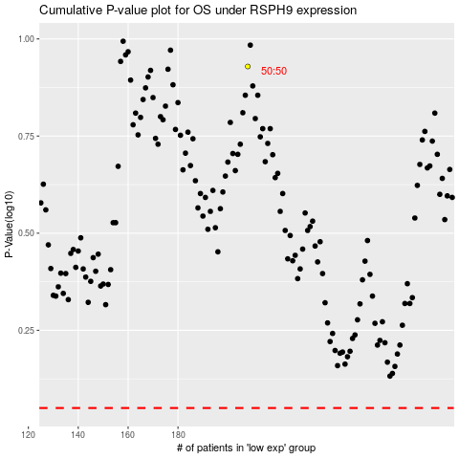

 |  |  |  |  |  | cases_OS | p_OS | rank | exp
 |  |  |  |  |  |  | cases_RFS | p_RFS | rank | exp

