RSRC1 _multivariate
Reported by Tex Li-Hsing Chi. tex@gate.sinica.edu.tw 2019-08-16

Table 2. The clinicopathological features of HNSCC cohort and RSRC1 expression. (Chi square test)
Cutoff at -0.139 (49.8%)
 |  | RSRC1 expression |  | RSRC1 expression |  | (Optimised)
 | Features | Low | (%) | High | (%) | Case no | P-value | Remark | Matthews
Gender | Female | 139 | 33.5 | 167 | 40.2 | 415 | 0.0034 | 1 | 0
2 | Male | 68 | 16.4 | 41 | 9.9
Age at diagnosis | <=65y | 136 | 32.8 | 138 | 33.3 | 415 | 0.9719 | 0 | 0
4 | >65y | 71 | 17.1 | 70 | 16.9
Clinical T Status | T1+T2 | 81 | 19.5 | 68 | 16.4 | 415 | 0.206 | 0 | 0
6 | T3+T4 | 126 | 30.4 | 140 | 33.7
Clinical N Status | N0 | 111 | 26.7 | 105 | 25.3 | 415 | 0.5875 | 0 | 0
8 | N1-3 | 96 | 23.1 | 103 | 24.8
Clinical M Status | M0 | 206 | 49.6 | 206 | 49.6 | 415 | 1 | 0 | 0
10 | M1 | 1 | 0.2 | 2 | 0.5
Clinical Stage | Stage I+II | 57 | 13.7 | 45 | 10.8 | 415 | 0.1998 | 0 | 0
12 | Stage III+IV | 150 | 36.1 | 163 | 39.3
Surgical Margin status | Negative | 163 | 39.3 | 155 | 37.3 | 415 | 0.3537 | 0 | 0
14 | Positive | 44 | 10.6 | 53 | 12.8
Tobacco Exposure | Low | 97 | 23.4 | 64 | 15.4 | 415 | 9e-04 | 1 | 0
16 | High | 110 | 26.5 | 144 | 34.7

Table 3. Univariate/Multivariate Cox's proportional hazards regression analyses on OS time of RSRC1 gene expression in HNSCC

 |  | Univariate |  |  |  | Multivariate
 | Features | HR | CI95%(L) | CI95%(H) | P-value | HR | CI95%(L) | CI95%(H) | P-value
1 | Female | 1 |  |  |  | 1
Gender | Male | 1.157 | 0.843 | 1.587 | 0.367 | 1.196 | 0.854 | 1.675 | 0.298
11 | <=65y | 1 |  |  |  | 1
Age at diagnosis | >65y | 1.329 | 0.99 | 1.784 | 0.058 | 1.395 | 1.026 | 1.898 | 0.034
12 | T1+T2 | 1 |  |  |  | 1
Clinical T Status | T3+T4 | 1.409 | 1.028 | 1.931 | 0.033 | 2.205 | 1.166 | 4.17 | 0.015
13 | N0 | 1 |  |  |  | 1
Clinical N Status | N1-3 | 1.185 | 0.89 | 1.577 | 0.246 | 1.24 | 0.869 | 1.769 | 0.236
14 | M0 | 1 |  |  |  | 1
Clinical M Status | M1 | 4.097 | 1.009 | 16.644 | 0.049 | 9.443 | 2.059 | 43.301 | 0.004
15 | Stage I+II | 1 |  |  |  | 1
Clinical Stage | Stage III+IV | 1.245 | 0.882 | 1.759 | 0.213 | 0.505 | 0.235 | 1.084 | 0.08
16 | Negative | 1 |  |  |  | 1
Surgical Margin status | Positive | 1.591 | 1.155 | 2.191 | 0.004 | 1.671 | 1.21 | 2.309 | 0.002
17 | Low | 1 |  |  |  | 1
Tobacco Exposure | High | 1.364 | 1.008 | 1.844 | 0.044 | 1.46 | 1.057 | 2.016 | 0.022
18 | Low | 1 |  |  |  | 1
RNAseq(z-score) | High | 1.003 | 0.753 | 1.335 | 0.986 | 0.965 | 0.719 | 1.294 | 0.81

Table 4. Univariate/Multivariate Cox's proportional hazards regression analyses on RFS time of RSRC1 gene expression in HNSCC

 |  | Univariate |  |  |  | Multivariate
 | Features | HR | CI95%(L) | CI95%(H) | P-value | HR | CI95%(L) | CI95%(H) | P-value
1 | Female | 1 |  |  |  | 1
Gender | Male | 1.157 | 0.843 | 1.587 | 0.367 | 1.196 | 0.854 | 1.675 | 0.298
11 | <=65y | 1 |  |  |  | 1
Age at diagnosis | >65y | 1.329 | 0.99 | 1.784 | 0.058 | 1.395 | 1.026 | 1.898 | 0.034
12 | T1+T2 | 1 |  |  |  | 1
Clinical T Status | T3+T4 | 1.409 | 1.028 | 1.931 | 0.033 | 2.205 | 1.166 | 4.17 | 0.015
13 | N0 | 1 |  |  |  | 1
Clinical N Status | N1-3 | 1.185 | 0.89 | 1.577 | 0.246 | 1.24 | 0.869 | 1.769 | 0.236
14 | M0 | 1 |  |  |  | 1
Clinical M Status | M1 | 4.097 | 1.009 | 16.644 | 0.049 | 9.443 | 2.059 | 43.301 | 0.004
15 | Stage I+II | 1 |  |  |  | 1
Clinical Stage | Stage III+IV | 1.245 | 0.882 | 1.759 | 0.213 | 0.505 | 0.235 | 1.084 | 0.08
16 | Negative | 1 |  |  |  | 1
Surgical Margin status | Positive | 1.591 | 1.155 | 2.191 | 0.004 | 1.671 | 1.21 | 2.309 | 0.002
17 | Low | 1 |  |  |  | 1
Tobacco Exposure | High | 1.364 | 1.008 | 1.844 | 0.044 | 1.46 | 1.057 | 2.016 | 0.022
18 | Low | 1 |  |  |  | 1
RNAseq(z-score) | High | 1.003 | 0.753 | 1.335 | 0.986 | 0.965 | 0.719 | 1.294 | 0.81

Kaplan-Meier survival estimate: Cutoff at -0.139 (49.8%)



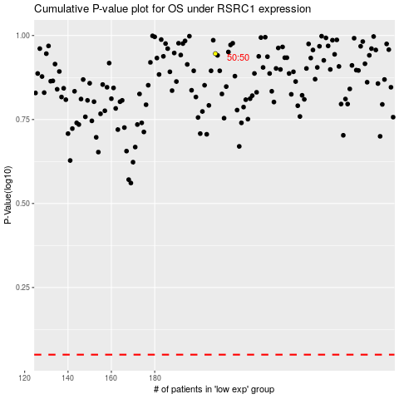

 |  |  |  |  |  | cases_OS | p_OS | rank | exp
 |  |  |  |  |  |  | cases_RFS | p_RFS | rank | exp

