RSRC2 _multivariate
Reported by Tex Li-Hsing Chi. tex@gate.sinica.edu.tw 2019-08-16

Table 2. The clinicopathological features of HNSCC cohort and RSRC2 expression. (Chi square test)
Cutoff at -0.155 (50.0%)
 |  | RSRC2 expression |  | RSRC2 expression |  | (Optimised)
 | Features | Low | (%) | High | (%) | Case no | P-value | Remark | Matthews
Gender | Female | 139 | 33.5 | 167 | 40.2 | 415 | 0.0034 | 1 | 0
2 | Male | 68 | 16.4 | 41 | 9.9
Age at diagnosis | <=65y | 126 | 30.4 | 148 | 35.7 | 415 | 0.035 | 1 | 0
4 | >65y | 81 | 19.5 | 60 | 14.5
Clinical T Status | T1+T2 | 74 | 17.8 | 75 | 18.1 | 415 | 1 | 0 | 0
6 | T3+T4 | 133 | 32 | 133 | 32
Clinical N Status | N0 | 116 | 28 | 100 | 24.1 | 415 | 0.1273 | 1 | 0
8 | N1-3 | 91 | 21.9 | 108 | 26
Clinical M Status | M0 | 206 | 49.6 | 206 | 49.6 | 415 | 1 | 0 | 0
10 | M1 | 1 | 0.2 | 2 | 0.5
Clinical Stage | Stage I+II | 57 | 13.7 | 45 | 10.8 | 415 | 0.1998 | 0 | 0
12 | Stage III+IV | 150 | 36.1 | 163 | 39.3
Surgical Margin status | Negative | 168 | 40.5 | 150 | 36.1 | 415 | 0.0366 | 1 | 0
14 | Positive | 39 | 9.4 | 58 | 14
Tobacco Exposure | Low | 93 | 22.4 | 68 | 16.4 | 415 | 0.0118 | 1 | 0
16 | High | 114 | 27.5 | 140 | 33.7

Table 3. Univariate/Multivariate Cox's proportional hazards regression analyses on OS time of RSRC2 gene expression in HNSCC

 |  | Univariate |  |  |  | Multivariate
 | Features | HR | CI95%(L) | CI95%(H) | P-value | HR | CI95%(L) | CI95%(H) | P-value
1 | Female | 1 |  |  |  | 1
Gender | Male | 1.157 | 0.843 | 1.587 | 0.367 | 1.23 | 0.878 | 1.725 | 0.229
11 | <=65y | 1 |  |  |  | 1
Age at diagnosis | >65y | 1.329 | 0.99 | 1.784 | 0.058 | 1.399 | 1.029 | 1.902 | 0.032
12 | T1+T2 | 1 |  |  |  | 1
Clinical T Status | T3+T4 | 1.409 | 1.028 | 1.931 | 0.033 | 2.255 | 1.19 | 4.272 | 0.013
13 | N0 | 1 |  |  |  | 1
Clinical N Status | N1-3 | 1.185 | 0.89 | 1.577 | 0.246 | 1.239 | 0.869 | 1.768 | 0.236
14 | M0 | 1 |  |  |  | 1
Clinical M Status | M1 | 4.097 | 1.009 | 16.644 | 0.049 | 9.597 | 2.092 | 44.023 | 0.004
15 | Stage I+II | 1 |  |  |  | 1
Clinical Stage | Stage III+IV | 1.245 | 0.882 | 1.759 | 0.213 | 0.485 | 0.225 | 1.046 | 0.065
16 | Negative | 1 |  |  |  | 1
Surgical Margin status | Positive | 1.591 | 1.155 | 2.191 | 0.004 | 1.642 | 1.185 | 2.274 | 0.003
17 | Low | 1 |  |  |  | 1
Tobacco Exposure | High | 1.364 | 1.008 | 1.844 | 0.044 | 1.438 | 1.044 | 1.983 | 0.026
18 | Low | 1 |  |  |  | 1
RNAseq(z-score) | High | 1.141 | 0.857 | 1.521 | 0.366 | 1.144 | 0.847 | 1.546 | 0.38

Table 4. Univariate/Multivariate Cox's proportional hazards regression analyses on RFS time of RSRC2 gene expression in HNSCC

 |  | Univariate |  |  |  | Multivariate
 | Features | HR | CI95%(L) | CI95%(H) | P-value | HR | CI95%(L) | CI95%(H) | P-value
1 | Female | 1 |  |  |  | 1
Gender | Male | 1.157 | 0.843 | 1.587 | 0.367 | 1.23 | 0.878 | 1.725 | 0.229
11 | <=65y | 1 |  |  |  | 1
Age at diagnosis | >65y | 1.329 | 0.99 | 1.784 | 0.058 | 1.399 | 1.029 | 1.902 | 0.032
12 | T1+T2 | 1 |  |  |  | 1
Clinical T Status | T3+T4 | 1.409 | 1.028 | 1.931 | 0.033 | 2.255 | 1.19 | 4.272 | 0.013
13 | N0 | 1 |  |  |  | 1
Clinical N Status | N1-3 | 1.185 | 0.89 | 1.577 | 0.246 | 1.239 | 0.869 | 1.768 | 0.236
14 | M0 | 1 |  |  |  | 1
Clinical M Status | M1 | 4.097 | 1.009 | 16.644 | 0.049 | 9.597 | 2.092 | 44.023 | 0.004
15 | Stage I+II | 1 |  |  |  | 1
Clinical Stage | Stage III+IV | 1.245 | 0.882 | 1.759 | 0.213 | 0.485 | 0.225 | 1.046 | 0.065
16 | Negative | 1 |  |  |  | 1
Surgical Margin status | Positive | 1.591 | 1.155 | 2.191 | 0.004 | 1.642 | 1.185 | 2.274 | 0.003
17 | Low | 1 |  |  |  | 1
Tobacco Exposure | High | 1.364 | 1.008 | 1.844 | 0.044 | 1.438 | 1.044 | 1.983 | 0.026
18 | Low | 1 |  |  |  | 1
RNAseq(z-score) | High | 1.141 | 0.857 | 1.521 | 0.366 | 1.144 | 0.847 | 1.546 | 0.38

Kaplan-Meier survival estimate: Cutoff at -0.155 (50.0%)



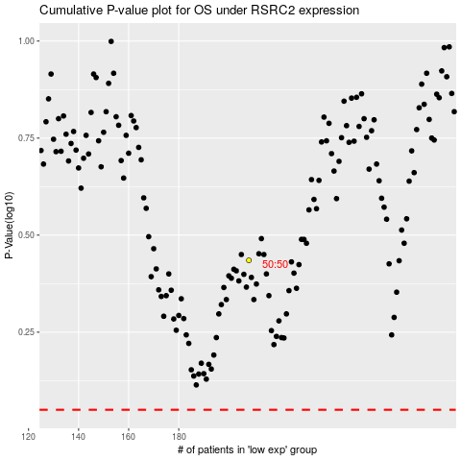

 |  |  |  |  |  | cases_OS | p_OS | rank | exp
 |  |  |  |  |  |  | cases_RFS | p_RFS | rank | exp

