RSU1 _multivariate
Reported by Tex Li-Hsing Chi. tex@gate.sinica.edu.tw 2019-08-16

Table 2. The clinicopathological features of HNSCC cohort and RSU1 expression. (Chi square test)
Cutoff at -0.056 (50.0%)
 |  | RSU1 expression |  | RSU1 expression |  | (Optimised)
 | Features | Low | (%) | High | (%) | Case no | P-value | Remark | Matthews
Gender | Female | 162 | 39 | 144 | 34.7 | 415 | 0.0479 | 1 | 0
2 | Male | 45 | 10.8 | 64 | 15.4
Age at diagnosis | <=65y | 141 | 34 | 133 | 32 | 415 | 0.4272 | 0 | 0
4 | >65y | 66 | 15.9 | 75 | 18.1
Clinical T Status | T1+T2 | 66 | 15.9 | 83 | 20 | 415 | 0.1095 | 0 | 0
6 | T3+T4 | 141 | 34 | 125 | 30.1
Clinical N Status | N0 | 108 | 26 | 108 | 26 | 415 | 1 | 0 | 0
8 | N1-3 | 99 | 23.9 | 100 | 24.1
Clinical M Status | M0 | 205 | 49.4 | 207 | 49.9 | 415 | 0.6232 | 0 | 0
10 | M1 | 2 | 0.5 | 1 | 0.2
Clinical Stage | Stage I+II | 39 | 9.4 | 63 | 15.2 | 415 | 0.0095 | 1 | 0
12 | Stage III+IV | 168 | 40.5 | 145 | 34.9
Surgical Margin status | Negative | 151 | 36.4 | 167 | 40.2 | 415 | 0.0828 | 0 | 0
14 | Positive | 56 | 13.5 | 41 | 9.9
Tobacco Exposure | Low | 74 | 17.8 | 87 | 21 | 415 | 0.227 | 0 | 0
16 | High | 133 | 32 | 121 | 29.2

Table 3. Univariate/Multivariate Cox's proportional hazards regression analyses on OS time of RSU1 gene expression in HNSCC

 |  | Univariate |  |  |  | Multivariate
 | Features | HR | CI95%(L) | CI95%(H) | P-value | HR | CI95%(L) | CI95%(H) | P-value
1 | Female | 1 |  |  |  | 1
Gender | Male | 1.157 | 0.843 | 1.587 | 0.367 | 1.21 | 0.865 | 1.692 | 0.265
11 | <=65y | 1 |  |  |  | 1
Age at diagnosis | >65y | 1.329 | 0.99 | 1.784 | 0.058 | 1.397 | 1.028 | 1.9 | 0.033
12 | T1+T2 | 1 |  |  |  | 1
Clinical T Status | T3+T4 | 1.409 | 1.028 | 1.931 | 0.033 | 2.207 | 1.167 | 4.172 | 0.015
13 | N0 | 1 |  |  |  | 1
Clinical N Status | N1-3 | 1.185 | 0.89 | 1.577 | 0.246 | 1.251 | 0.875 | 1.787 | 0.219
14 | M0 | 1 |  |  |  | 1
Clinical M Status | M1 | 4.097 | 1.009 | 16.644 | 0.049 | 9.336 | 2.036 | 42.81 | 0.004
15 | Stage I+II | 1 |  |  |  | 1
Clinical Stage | Stage III+IV | 1.245 | 0.882 | 1.759 | 0.213 | 0.494 | 0.23 | 1.065 | 0.072
16 | Negative | 1 |  |  |  | 1
Surgical Margin status | Positive | 1.591 | 1.155 | 2.191 | 0.004 | 1.643 | 1.183 | 2.284 | 0.003
17 | Low | 1 |  |  |  | 1
Tobacco Exposure | High | 1.364 | 1.008 | 1.844 | 0.044 | 1.452 | 1.054 | 2 | 0.022
18 | Low | 1 |  |  |  | 1
RNAseq(z-score) | High | 0.864 | 0.649 | 1.151 | 0.317 | 0.921 | 0.684 | 1.24 | 0.587

Table 4. Univariate/Multivariate Cox's proportional hazards regression analyses on RFS time of RSU1 gene expression in HNSCC

 |  | Univariate |  |  |  | Multivariate
 | Features | HR | CI95%(L) | CI95%(H) | P-value | HR | CI95%(L) | CI95%(H) | P-value
1 | Female | 1 |  |  |  | 1
Gender | Male | 1.157 | 0.843 | 1.587 | 0.367 | 1.21 | 0.865 | 1.692 | 0.265
11 | <=65y | 1 |  |  |  | 1
Age at diagnosis | >65y | 1.329 | 0.99 | 1.784 | 0.058 | 1.397 | 1.028 | 1.9 | 0.033
12 | T1+T2 | 1 |  |  |  | 1
Clinical T Status | T3+T4 | 1.409 | 1.028 | 1.931 | 0.033 | 2.207 | 1.167 | 4.172 | 0.015
13 | N0 | 1 |  |  |  | 1
Clinical N Status | N1-3 | 1.185 | 0.89 | 1.577 | 0.246 | 1.251 | 0.875 | 1.787 | 0.219
14 | M0 | 1 |  |  |  | 1
Clinical M Status | M1 | 4.097 | 1.009 | 16.644 | 0.049 | 9.336 | 2.036 | 42.81 | 0.004
15 | Stage I+II | 1 |  |  |  | 1
Clinical Stage | Stage III+IV | 1.245 | 0.882 | 1.759 | 0.213 | 0.494 | 0.23 | 1.065 | 0.072
16 | Negative | 1 |  |  |  | 1
Surgical Margin status | Positive | 1.591 | 1.155 | 2.191 | 0.004 | 1.643 | 1.183 | 2.284 | 0.003
17 | Low | 1 |  |  |  | 1
Tobacco Exposure | High | 1.364 | 1.008 | 1.844 | 0.044 | 1.452 | 1.054 | 2 | 0.022
18 | Low | 1 |  |  |  | 1
RNAseq(z-score) | High | 0.864 | 0.649 | 1.151 | 0.317 | 0.921 | 0.684 | 1.24 | 0.587

Kaplan-Meier survival estimate: Cutoff at -0.056 (50.0%)



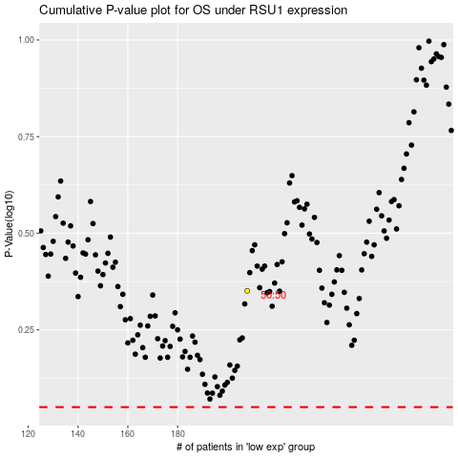

 |  |  |  |  |  | cases_OS | p_OS | rank | exp
 |  |  |  |  |  |  | cases_RFS | p_RFS | rank | exp

