RTBDN _multivariate
Reported by Tex Li-Hsing Chi. tex@gate.sinica.edu.tw 2019-08-16

Table 2. The clinicopathological features of HNSCC cohort and RTBDN expression. (Chi square test)
Cutoff at -0.28 (50.0%)
 |  | RTBDN expression |  | RTBDN expression |  | (Optimised)
 | Features | Low | (%) | High | (%) | Case no | P-value | Remark | Matthews
Gender | Female | 140 | 33.7 | 166 | 40 | 415 | 0.0068 | 1 | 0
2 | Male | 67 | 16.1 | 42 | 10.1
Age at diagnosis | <=65y | 131 | 31.6 | 143 | 34.5 | 415 | 0.2839 | 0 | 0
4 | >65y | 76 | 18.3 | 65 | 15.7
Clinical T Status | T1+T2 | 85 | 20.5 | 64 | 15.4 | 415 | 0.0372 | 1 | 0
6 | T3+T4 | 122 | 29.4 | 144 | 34.7
Clinical N Status | N0 | 110 | 26.5 | 106 | 25.5 | 415 | 0.7294 | 0 | 0
8 | N1-3 | 97 | 23.4 | 102 | 24.6
Clinical M Status | M0 | 205 | 49.4 | 207 | 49.9 | 415 | 0.6232 | 0 | 0
10 | M1 | 2 | 0.5 | 1 | 0.2
Clinical Stage | Stage I+II | 60 | 14.5 | 42 | 10.1 | 415 | 0.0493 | 1 | 0
12 | Stage III+IV | 147 | 35.4 | 166 | 40
Surgical Margin status | Negative | 154 | 37.1 | 164 | 39.5 | 415 | 0.2984 | 0 | 0
14 | Positive | 53 | 12.8 | 44 | 10.6
Tobacco Exposure | Low | 91 | 21.9 | 70 | 16.9 | 415 | 0.0346 | 1 | 0
16 | High | 116 | 28 | 138 | 33.3

Table 3. Univariate/Multivariate Cox's proportional hazards regression analyses on OS time of RTBDN gene expression in HNSCC

 |  | Univariate |  |  |  | Multivariate
 | Features | HR | CI95%(L) | CI95%(H) | P-value | HR | CI95%(L) | CI95%(H) | P-value
1 | Female | 1 |  |  |  | 1
Gender | Male | 1.157 | 0.843 | 1.587 | 0.367 | 1.197 | 0.856 | 1.675 | 0.293
11 | <=65y | 1 |  |  |  | 1
Age at diagnosis | >65y | 1.329 | 0.99 | 1.784 | 0.058 | 1.391 | 1.023 | 1.891 | 0.035
12 | T1+T2 | 1 |  |  |  | 1
Clinical T Status | T3+T4 | 1.409 | 1.028 | 1.931 | 0.033 | 2.202 | 1.165 | 4.164 | 0.015
13 | N0 | 1 |  |  |  | 1
Clinical N Status | N1-3 | 1.185 | 0.89 | 1.577 | 0.246 | 1.238 | 0.867 | 1.767 | 0.24
14 | M0 | 1 |  |  |  | 1
Clinical M Status | M1 | 4.097 | 1.009 | 16.644 | 0.049 | 9.375 | 2.044 | 42.986 | 0.004
15 | Stage I+II | 1 |  |  |  | 1
Clinical Stage | Stage III+IV | 1.245 | 0.882 | 1.759 | 0.213 | 0.507 | 0.236 | 1.09 | 0.082
16 | Negative | 1 |  |  |  | 1
Surgical Margin status | Positive | 1.591 | 1.155 | 2.191 | 0.004 | 1.666 | 1.204 | 2.305 | 0.002
17 | Low | 1 |  |  |  | 1
Tobacco Exposure | High | 1.364 | 1.008 | 1.844 | 0.044 | 1.46 | 1.056 | 2.018 | 0.022
18 | Low | 1 |  |  |  | 1
RNAseq(z-score) | High | 0.961 | 0.721 | 1.28 | 0.784 | 0.969 | 0.719 | 1.305 | 0.834

Table 4. Univariate/Multivariate Cox's proportional hazards regression analyses on RFS time of RTBDN gene expression in HNSCC

 |  | Univariate |  |  |  | Multivariate
 | Features | HR | CI95%(L) | CI95%(H) | P-value | HR | CI95%(L) | CI95%(H) | P-value
1 | Female | 1 |  |  |  | 1
Gender | Male | 1.157 | 0.843 | 1.587 | 0.367 | 1.197 | 0.856 | 1.675 | 0.293
11 | <=65y | 1 |  |  |  | 1
Age at diagnosis | >65y | 1.329 | 0.99 | 1.784 | 0.058 | 1.391 | 1.023 | 1.891 | 0.035
12 | T1+T2 | 1 |  |  |  | 1
Clinical T Status | T3+T4 | 1.409 | 1.028 | 1.931 | 0.033 | 2.202 | 1.165 | 4.164 | 0.015
13 | N0 | 1 |  |  |  | 1
Clinical N Status | N1-3 | 1.185 | 0.89 | 1.577 | 0.246 | 1.238 | 0.867 | 1.767 | 0.24
14 | M0 | 1 |  |  |  | 1
Clinical M Status | M1 | 4.097 | 1.009 | 16.644 | 0.049 | 9.375 | 2.044 | 42.986 | 0.004
15 | Stage I+II | 1 |  |  |  | 1
Clinical Stage | Stage III+IV | 1.245 | 0.882 | 1.759 | 0.213 | 0.507 | 0.236 | 1.09 | 0.082
16 | Negative | 1 |  |  |  | 1
Surgical Margin status | Positive | 1.591 | 1.155 | 2.191 | 0.004 | 1.666 | 1.204 | 2.305 | 0.002
17 | Low | 1 |  |  |  | 1
Tobacco Exposure | High | 1.364 | 1.008 | 1.844 | 0.044 | 1.46 | 1.056 | 2.018 | 0.022
18 | Low | 1 |  |  |  | 1
RNAseq(z-score) | High | 0.961 | 0.721 | 1.28 | 0.784 | 0.969 | 0.719 | 1.305 | 0.834

Kaplan-Meier survival estimate: Cutoff at -0.28 (50.0%)

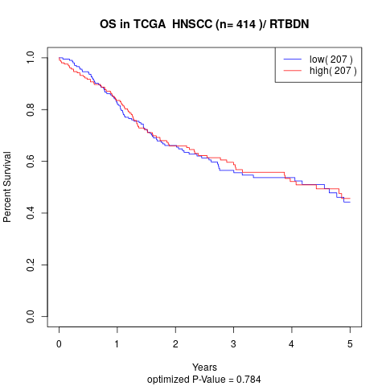

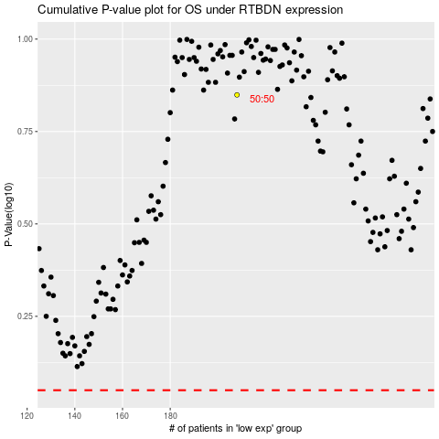

 |  |  |  |  |  | cases_OS | p_OS | rank | exp
 |  |  |  |  |  |  | cases_RFS | p_RFS | rank | exp

