RTCD1 _multivariate
Reported by Tex Li-Hsing Chi. tex@gate.sinica.edu.tw 2019-08-16

Table 2. The clinicopathological features of HNSCC cohort and RTCD1 expression. (Chi square test)
Cutoff at -0.127 (50.0%)
 |  | RTCD1 expression |  | RTCD1 expression |  | (Optimised)
 | Features | Low | (%) | High | (%) | Case no | P-value | Remark | Matthews
Gender | Female | 166 | 40 | 140 | 33.7 | 415 | 0.0041 | 1 | 0
2 | Male | 41 | 9.9 | 68 | 16.4
Age at diagnosis | <=65y | 145 | 34.9 | 129 | 31.1 | 415 | 0.1046 | 0 | 0
4 | >65y | 62 | 14.9 | 79 | 19
Clinical T Status | T1+T2 | 71 | 17.1 | 78 | 18.8 | 415 | 0.5638 | 0 | 0
6 | T3+T4 | 136 | 32.8 | 130 | 31.3
Clinical N Status | N0 | 103 | 24.8 | 113 | 27.2 | 415 | 0.4047 | 0 | 0
8 | N1-3 | 104 | 25.1 | 95 | 22.9
Clinical M Status | M0 | 207 | 49.9 | 205 | 49.4 | 415 | 0.2482 | 0 | 0
10 | M1 | 0 | 0 | 3 | 0.7
Clinical Stage | Stage I+II | 41 | 9.9 | 61 | 14.7 | 415 | 0.0325 | 1 | 0
12 | Stage III+IV | 166 | 40 | 147 | 35.4
Surgical Margin status | Negative | 163 | 39.3 | 155 | 37.3 | 415 | 0.3537 | 0 | 0
14 | Positive | 44 | 10.6 | 53 | 12.8
Tobacco Exposure | Low | 64 | 15.4 | 97 | 23.4 | 415 | 0.0012 | 1 | 0
16 | High | 143 | 34.5 | 111 | 26.7

Table 3. Univariate/Multivariate Cox's proportional hazards regression analyses on OS time of RTCD1 gene expression in HNSCC

 |  | Univariate |  |  |  | Multivariate
 | Features | HR | CI95%(L) | CI95%(H) | P-value | HR | CI95%(L) | CI95%(H) | P-value
1 | Female | 1 |  |  |  | 1
Gender | Male | 1.157 | 0.843 | 1.587 | 0.367 | 1.179 | 0.842 | 1.651 | 0.338
11 | <=65y | 1 |  |  |  | 1
Age at diagnosis | >65y | 1.329 | 0.99 | 1.784 | 0.058 | 1.39 | 1.023 | 1.89 | 0.035
12 | T1+T2 | 1 |  |  |  | 1
Clinical T Status | T3+T4 | 1.409 | 1.028 | 1.931 | 0.033 | 2.163 | 1.142 | 4.096 | 0.018
13 | N0 | 1 |  |  |  | 1
Clinical N Status | N1-3 | 1.185 | 0.89 | 1.577 | 0.246 | 1.236 | 0.866 | 1.764 | 0.243
14 | M0 | 1 |  |  |  | 1
Clinical M Status | M1 | 4.097 | 1.009 | 16.644 | 0.049 | 8.671 | 1.867 | 40.261 | 0.006
15 | Stage I+II | 1 |  |  |  | 1
Clinical Stage | Stage III+IV | 1.245 | 0.882 | 1.759 | 0.213 | 0.523 | 0.242 | 1.13 | 0.099
16 | Negative | 1 |  |  |  | 1
Surgical Margin status | Positive | 1.591 | 1.155 | 2.191 | 0.004 | 1.669 | 1.208 | 2.306 | 0.002
17 | Low | 1 |  |  |  | 1
Tobacco Exposure | High | 1.364 | 1.008 | 1.844 | 0.044 | 1.467 | 1.064 | 2.022 | 0.019
18 | Low | 1 |  |  |  | 1
RNAseq(z-score) | High | 1.144 | 0.859 | 1.524 | 0.356 | 1.127 | 0.837 | 1.517 | 0.432

Table 4. Univariate/Multivariate Cox's proportional hazards regression analyses on RFS time of RTCD1 gene expression in HNSCC

 |  | Univariate |  |  |  | Multivariate
 | Features | HR | CI95%(L) | CI95%(H) | P-value | HR | CI95%(L) | CI95%(H) | P-value
1 | Female | 1 |  |  |  | 1
Gender | Male | 1.157 | 0.843 | 1.587 | 0.367 | 1.179 | 0.842 | 1.651 | 0.338
11 | <=65y | 1 |  |  |  | 1
Age at diagnosis | >65y | 1.329 | 0.99 | 1.784 | 0.058 | 1.39 | 1.023 | 1.89 | 0.035
12 | T1+T2 | 1 |  |  |  | 1
Clinical T Status | T3+T4 | 1.409 | 1.028 | 1.931 | 0.033 | 2.163 | 1.142 | 4.096 | 0.018
13 | N0 | 1 |  |  |  | 1
Clinical N Status | N1-3 | 1.185 | 0.89 | 1.577 | 0.246 | 1.236 | 0.866 | 1.764 | 0.243
14 | M0 | 1 |  |  |  | 1
Clinical M Status | M1 | 4.097 | 1.009 | 16.644 | 0.049 | 8.671 | 1.867 | 40.261 | 0.006
15 | Stage I+II | 1 |  |  |  | 1
Clinical Stage | Stage III+IV | 1.245 | 0.882 | 1.759 | 0.213 | 0.523 | 0.242 | 1.13 | 0.099
16 | Negative | 1 |  |  |  | 1
Surgical Margin status | Positive | 1.591 | 1.155 | 2.191 | 0.004 | 1.669 | 1.208 | 2.306 | 0.002
17 | Low | 1 |  |  |  | 1
Tobacco Exposure | High | 1.364 | 1.008 | 1.844 | 0.044 | 1.467 | 1.064 | 2.022 | 0.019
18 | Low | 1 |  |  |  | 1
RNAseq(z-score) | High | 1.144 | 0.859 | 1.524 | 0.356 | 1.127 | 0.837 | 1.517 | 0.432

Kaplan-Meier survival estimate: Cutoff at -0.127 (50.0%)



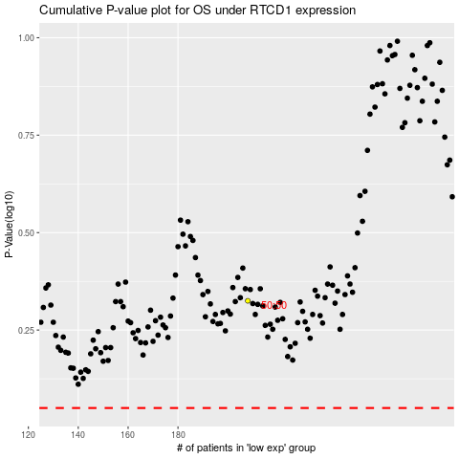

 |  |  |  |  |  | cases_OS | p_OS | rank | exp
 |  |  |  |  |  |  | cases_RFS | p_RFS | rank | exp

