RTDR1 _multivariate
Reported by Tex Li-Hsing Chi. tex@gate.sinica.edu.tw 2019-08-16

Table 2. The clinicopathological features of HNSCC cohort and RTDR1 expression. (Chi square test)
Cutoff at -0.205 (50.0%)
 |  | RTDR1 expression |  | RTDR1 expression |  | (Optimised)
 | Features | Low | (%) | High | (%) | Case no | P-value | Remark | Matthews
Gender | Female | 145 | 34.9 | 161 | 38.8 | 415 | 0.1116 | 0 | 0
2 | Male | 62 | 14.9 | 47 | 11.3
Age at diagnosis | <=65y | 129 | 31.1 | 145 | 34.9 | 415 | 0.1372 | 0 | 0
4 | >65y | 78 | 18.8 | 63 | 15.2
Clinical T Status | T1+T2 | 77 | 18.6 | 72 | 17.3 | 415 | 0.6556 | 0 | 0
6 | T3+T4 | 130 | 31.3 | 136 | 32.8
Clinical N Status | N0 | 109 | 26.3 | 107 | 25.8 | 415 | 0.8812 | 0 | 0
8 | N1-3 | 98 | 23.6 | 101 | 24.3
Clinical M Status | M0 | 205 | 49.4 | 207 | 49.9 | 415 | 0.6232 | 0 | 0
10 | M1 | 2 | 0.5 | 1 | 0.2
Clinical Stage | Stage I+II | 55 | 13.3 | 47 | 11.3 | 415 | 0.4087 | 0 | 0
12 | Stage III+IV | 152 | 36.6 | 161 | 38.8
Surgical Margin status | Negative | 162 | 39 | 156 | 37.6 | 415 | 0.4867 | 0 | 0
14 | Positive | 45 | 10.8 | 52 | 12.5
Tobacco Exposure | Low | 93 | 22.4 | 68 | 16.4 | 415 | 0.0118 | 1 | 0
16 | High | 114 | 27.5 | 140 | 33.7

Table 3. Univariate/Multivariate Cox's proportional hazards regression analyses on OS time of RTDR1 gene expression in HNSCC

 |  | Univariate |  |  |  | Multivariate
 | Features | HR | CI95%(L) | CI95%(H) | P-value | HR | CI95%(L) | CI95%(H) | P-value
1 | Female | 1 |  |  |  | 1
Gender | Male | 1.157 | 0.843 | 1.587 | 0.367 | 1.178 | 0.841 | 1.65 | 0.34
11 | <=65y | 1 |  |  |  | 1
Age at diagnosis | >65y | 1.329 | 0.99 | 1.784 | 0.058 | 1.386 | 1.02 | 1.885 | 0.037
12 | T1+T2 | 1 |  |  |  | 1
Clinical T Status | T3+T4 | 1.409 | 1.028 | 1.931 | 0.033 | 2.199 | 1.163 | 4.158 | 0.015
13 | N0 | 1 |  |  |  | 1
Clinical N Status | N1-3 | 1.185 | 0.89 | 1.577 | 0.246 | 1.245 | 0.873 | 1.776 | 0.226
14 | M0 | 1 |  |  |  | 1
Clinical M Status | M1 | 4.097 | 1.009 | 16.644 | 0.049 | 8.905 | 1.935 | 40.974 | 0.005
15 | Stage I+II | 1 |  |  |  | 1
Clinical Stage | Stage III+IV | 1.245 | 0.882 | 1.759 | 0.213 | 0.512 | 0.238 | 1.099 | 0.086
16 | Negative | 1 |  |  |  | 1
Surgical Margin status | Positive | 1.591 | 1.155 | 2.191 | 0.004 | 1.687 | 1.22 | 2.332 | 0.002
17 | Low | 1 |  |  |  | 1
Tobacco Exposure | High | 1.364 | 1.008 | 1.844 | 0.044 | 1.48 | 1.071 | 2.044 | 0.017
18 | Low | 1 |  |  |  | 1
RNAseq(z-score) | High | 0.888 | 0.665 | 1.184 | 0.417 | 0.861 | 0.64 | 1.159 | 0.324

Table 4. Univariate/Multivariate Cox's proportional hazards regression analyses on RFS time of RTDR1 gene expression in HNSCC

 |  | Univariate |  |  |  | Multivariate
 | Features | HR | CI95%(L) | CI95%(H) | P-value | HR | CI95%(L) | CI95%(H) | P-value
1 | Female | 1 |  |  |  | 1
Gender | Male | 1.157 | 0.843 | 1.587 | 0.367 | 1.178 | 0.841 | 1.65 | 0.34
11 | <=65y | 1 |  |  |  | 1
Age at diagnosis | >65y | 1.329 | 0.99 | 1.784 | 0.058 | 1.386 | 1.02 | 1.885 | 0.037
12 | T1+T2 | 1 |  |  |  | 1
Clinical T Status | T3+T4 | 1.409 | 1.028 | 1.931 | 0.033 | 2.199 | 1.163 | 4.158 | 0.015
13 | N0 | 1 |  |  |  | 1
Clinical N Status | N1-3 | 1.185 | 0.89 | 1.577 | 0.246 | 1.245 | 0.873 | 1.776 | 0.226
14 | M0 | 1 |  |  |  | 1
Clinical M Status | M1 | 4.097 | 1.009 | 16.644 | 0.049 | 8.905 | 1.935 | 40.974 | 0.005
15 | Stage I+II | 1 |  |  |  | 1
Clinical Stage | Stage III+IV | 1.245 | 0.882 | 1.759 | 0.213 | 0.512 | 0.238 | 1.099 | 0.086
16 | Negative | 1 |  |  |  | 1
Surgical Margin status | Positive | 1.591 | 1.155 | 2.191 | 0.004 | 1.687 | 1.22 | 2.332 | 0.002
17 | Low | 1 |  |  |  | 1
Tobacco Exposure | High | 1.364 | 1.008 | 1.844 | 0.044 | 1.48 | 1.071 | 2.044 | 0.017
18 | Low | 1 |  |  |  | 1
RNAseq(z-score) | High | 0.888 | 0.665 | 1.184 | 0.417 | 0.861 | 0.64 | 1.159 | 0.324

Kaplan-Meier survival estimate: Cutoff at -0.205 (50.0%)



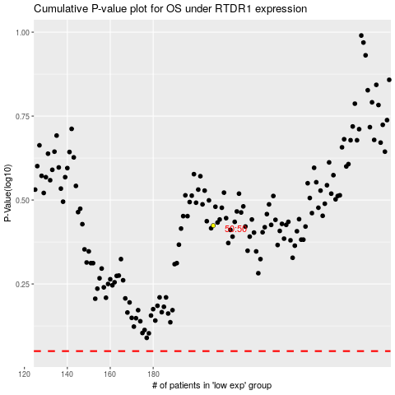

 |  |  |  |  |  | cases_OS | p_OS | rank | exp
 |  |  |  |  |  |  | cases_RFS | p_RFS | rank | exp

