RTKN2 _multivariate
Reported by Tex Li-Hsing Chi. tex@gate.sinica.edu.tw 2019-08-16

Table 2. The clinicopathological features of HNSCC cohort and RTKN2 expression. (Chi square test)
Cutoff at -0.333 (50.2%)
 |  | RTKN2 expression |  | RTKN2 expression |  | (Optimised)
 | Features | Low | (%) | High | (%) | Case no | P-value | Remark | Matthews
Gender | Female | 150 | 36.1 | 156 | 37.6 | 415 | 0.5222 | 0 | 0
2 | Male | 58 | 14 | 51 | 12.3
Age at diagnosis | <=65y | 131 | 31.6 | 143 | 34.5 | 415 | 0.2269 | 0 | 0
4 | >65y | 77 | 18.6 | 64 | 15.4
Clinical T Status | T1+T2 | 74 | 17.8 | 75 | 18.1 | 415 | 0.9707 | 0 | 0
6 | T3+T4 | 134 | 32.3 | 132 | 31.8
Clinical N Status | N0 | 115 | 27.7 | 101 | 24.3 | 415 | 0.2201 | 1 | 0
8 | N1-3 | 93 | 22.4 | 106 | 25.5
Clinical M Status | M0 | 205 | 49.4 | 207 | 49.9 | 415 | 0.2482 | 0 | 0
10 | M1 | 3 | 0.7 | 0 | 0
Clinical Stage | Stage I+II | 56 | 13.5 | 46 | 11.1 | 415 | 0.3182 | 0 | 0
12 | Stage III+IV | 152 | 36.6 | 161 | 38.8
Surgical Margin status | Negative | 156 | 37.6 | 162 | 39 | 415 | 0.4867 | 0 | 0
14 | Positive | 52 | 12.5 | 45 | 10.8
Tobacco Exposure | Low | 85 | 20.5 | 76 | 18.3 | 415 | 0.4207 | 0 | 0
16 | High | 123 | 29.6 | 131 | 31.6

Table 3. Univariate/Multivariate Cox's proportional hazards regression analyses on OS time of RTKN2 gene expression in HNSCC

 |  | Univariate |  |  |  | Multivariate
 | Features | HR | CI95%(L) | CI95%(H) | P-value | HR | CI95%(L) | CI95%(H) | P-value
1 | Female | 1 |  |  |  | 1
Gender | Male | 1.157 | 0.843 | 1.587 | 0.367 | 1.179 | 0.842 | 1.651 | 0.337
11 | <=65y | 1 |  |  |  | 1
Age at diagnosis | >65y | 1.329 | 0.99 | 1.784 | 0.058 | 1.373 | 1.009 | 1.868 | 0.044
12 | T1+T2 | 1 |  |  |  | 1
Clinical T Status | T3+T4 | 1.409 | 1.028 | 1.931 | 0.033 | 2.119 | 1.119 | 4.013 | 0.021
13 | N0 | 1 |  |  |  | 1
Clinical N Status | N1-3 | 1.185 | 0.89 | 1.577 | 0.246 | 1.249 | 0.876 | 1.783 | 0.22
14 | M0 | 1 |  |  |  | 1
Clinical M Status | M1 | 4.097 | 1.009 | 16.644 | 0.049 | 8.075 | 1.739 | 37.491 | 0.008
15 | Stage I+II | 1 |  |  |  | 1
Clinical Stage | Stage III+IV | 1.245 | 0.882 | 1.759 | 0.213 | 0.532 | 0.247 | 1.147 | 0.107
16 | Negative | 1 |  |  |  | 1
Surgical Margin status | Positive | 1.591 | 1.155 | 2.191 | 0.004 | 1.626 | 1.175 | 2.25 | 0.003
17 | Low | 1 |  |  |  | 1
Tobacco Exposure | High | 1.364 | 1.008 | 1.844 | 0.044 | 1.467 | 1.064 | 2.022 | 0.019
18 | Low | 1 |  |  |  | 1
RNAseq(z-score) | High | 0.744 | 0.558 | 0.992 | 0.044 | 0.806 | 0.599 | 1.083 | 0.153

Table 4. Univariate/Multivariate Cox's proportional hazards regression analyses on RFS time of RTKN2 gene expression in HNSCC

 |  | Univariate |  |  |  | Multivariate
 | Features | HR | CI95%(L) | CI95%(H) | P-value | HR | CI95%(L) | CI95%(H) | P-value
1 | Female | 1 |  |  |  | 1
Gender | Male | 1.157 | 0.843 | 1.587 | 0.367 | 1.179 | 0.842 | 1.651 | 0.337
11 | <=65y | 1 |  |  |  | 1
Age at diagnosis | >65y | 1.329 | 0.99 | 1.784 | 0.058 | 1.373 | 1.009 | 1.868 | 0.044
12 | T1+T2 | 1 |  |  |  | 1
Clinical T Status | T3+T4 | 1.409 | 1.028 | 1.931 | 0.033 | 2.119 | 1.119 | 4.013 | 0.021
13 | N0 | 1 |  |  |  | 1
Clinical N Status | N1-3 | 1.185 | 0.89 | 1.577 | 0.246 | 1.249 | 0.876 | 1.783 | 0.22
14 | M0 | 1 |  |  |  | 1
Clinical M Status | M1 | 4.097 | 1.009 | 16.644 | 0.049 | 8.075 | 1.739 | 37.491 | 0.008
15 | Stage I+II | 1 |  |  |  | 1
Clinical Stage | Stage III+IV | 1.245 | 0.882 | 1.759 | 0.213 | 0.532 | 0.247 | 1.147 | 0.107
16 | Negative | 1 |  |  |  | 1
Surgical Margin status | Positive | 1.591 | 1.155 | 2.191 | 0.004 | 1.626 | 1.175 | 2.25 | 0.003
17 | Low | 1 |  |  |  | 1
Tobacco Exposure | High | 1.364 | 1.008 | 1.844 | 0.044 | 1.467 | 1.064 | 2.022 | 0.019
18 | Low | 1 |  |  |  | 1
RNAseq(z-score) | High | 0.744 | 0.558 | 0.992 | 0.044 | 0.806 | 0.599 | 1.083 | 0.153

Kaplan-Meier survival estimate: Cutoff at -0.333 (50.2%)



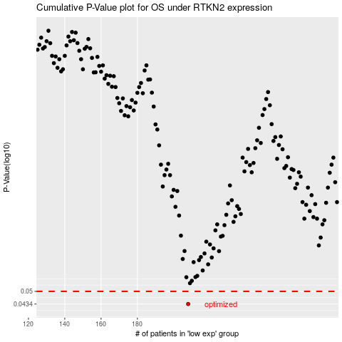

 |  |  |  |  |  | cases_OS | p_OS | rank | exp
 |  |  |  |  |  | 208 | 0.0434 | 399 | -0.33293097429
 |  |  |  |  |  |  | cases_RFS | p_RFS | rank | exp
 |  |  |  |  |  |  | 207 | 0.0434 | 61 | -0.33743696985

