RTN3 _multivariate
Reported by Tex Li-Hsing Chi. tex@gate.sinica.edu.tw 2019-08-16

Table 2. The clinicopathological features of HNSCC cohort and RTN3 expression. (Chi square test)
Cutoff at -0.049 (57.7%)
 |  | RTN3 expression |  | RTN3 expression |  | (Optimised)
 | Features | Low | (%) | High | (%) | Case no | P-value | Remark | Matthews
Gender | Female | 183 | 44.1 | 123 | 29.6 | 415 | 0.2111 | 0 | 0
2 | Male | 57 | 13.7 | 52 | 12.5
Age at diagnosis | <=65y | 152 | 36.6 | 122 | 29.4 | 415 | 0.2112 | 0 | 0
4 | >65y | 88 | 21.2 | 53 | 12.8
Clinical T Status | T1+T2 | 85 | 20.5 | 64 | 15.4 | 415 | 0.8898 | 0 | 0
6 | T3+T4 | 155 | 37.3 | 111 | 26.7
Clinical N Status | N0 | 124 | 29.9 | 92 | 22.2 | 415 | 0.9341 | 0 | 0
8 | N1-3 | 116 | 28 | 83 | 20
Clinical M Status | M0 | 239 | 57.6 | 173 | 41.7 | 415 | 0.5756 | 0 | 0
10 | M1 | 1 | 0.2 | 2 | 0.5
Clinical Stage | Stage I+II | 59 | 14.2 | 43 | 10.4 | 415 | 1 | 0 | 0
12 | Stage III+IV | 181 | 43.6 | 132 | 31.8
Surgical Margin status | Negative | 187 | 45.1 | 131 | 31.6 | 415 | 0.4828 | 0 | 0
14 | Positive | 53 | 12.8 | 44 | 10.6
Tobacco Exposure | Low | 100 | 24.1 | 61 | 14.7 | 415 | 0.1849 | 0 | 0
16 | High | 140 | 33.7 | 114 | 27.5

Table 3. Univariate/Multivariate Cox's proportional hazards regression analyses on OS time of RTN3 gene expression in HNSCC

 |  | Univariate |  |  |  | Multivariate
 | Features | HR | CI95%(L) | CI95%(H) | P-value | HR | CI95%(L) | CI95%(H) | P-value
1 | Female | 1 |  |  |  | 1
Gender | Male | 1.157 | 0.843 | 1.587 | 0.367 | 1.157 | 0.827 | 1.619 | 0.394
11 | <=65y | 1 |  |  |  | 1
Age at diagnosis | >65y | 1.329 | 0.99 | 1.784 | 0.058 | 1.415 | 1.041 | 1.923 | 0.026
12 | T1+T2 | 1 |  |  |  | 1
Clinical T Status | T3+T4 | 1.409 | 1.028 | 1.931 | 0.033 | 2.24 | 1.185 | 4.235 | 0.013
13 | N0 | 1 |  |  |  | 1
Clinical N Status | N1-3 | 1.185 | 0.89 | 1.577 | 0.246 | 1.251 | 0.877 | 1.785 | 0.217
14 | M0 | 1 |  |  |  | 1
Clinical M Status | M1 | 4.097 | 1.009 | 16.644 | 0.049 | 8.572 | 1.864 | 39.414 | 0.006
15 | Stage I+II | 1 |  |  |  | 1
Clinical Stage | Stage III+IV | 1.245 | 0.882 | 1.759 | 0.213 | 0.477 | 0.222 | 1.026 | 0.058
16 | Negative | 1 |  |  |  | 1
Surgical Margin status | Positive | 1.591 | 1.155 | 2.191 | 0.004 | 1.666 | 1.205 | 2.303 | 0.002
17 | Low | 1 |  |  |  | 1
Tobacco Exposure | High | 1.364 | 1.008 | 1.844 | 0.044 | 1.426 | 1.034 | 1.966 | 0.03
18 | Low | 1 |  |  |  | 1
RNAseq(z-score) | High | 1.361 | 1.019 | 1.82 | 0.037 | 1.329 | 0.989 | 1.786 | 0.059

Table 4. Univariate/Multivariate Cox's proportional hazards regression analyses on RFS time of RTN3 gene expression in HNSCC

 |  | Univariate |  |  |  | Multivariate
 | Features | HR | CI95%(L) | CI95%(H) | P-value | HR | CI95%(L) | CI95%(H) | P-value
1 | Female | 1 |  |  |  | 1
Gender | Male | 1.157 | 0.843 | 1.587 | 0.367 | 1.157 | 0.827 | 1.619 | 0.394
11 | <=65y | 1 |  |  |  | 1
Age at diagnosis | >65y | 1.329 | 0.99 | 1.784 | 0.058 | 1.415 | 1.041 | 1.923 | 0.026
12 | T1+T2 | 1 |  |  |  | 1
Clinical T Status | T3+T4 | 1.409 | 1.028 | 1.931 | 0.033 | 2.24 | 1.185 | 4.235 | 0.013
13 | N0 | 1 |  |  |  | 1
Clinical N Status | N1-3 | 1.185 | 0.89 | 1.577 | 0.246 | 1.251 | 0.877 | 1.785 | 0.217
14 | M0 | 1 |  |  |  | 1
Clinical M Status | M1 | 4.097 | 1.009 | 16.644 | 0.049 | 8.572 | 1.864 | 39.414 | 0.006
15 | Stage I+II | 1 |  |  |  | 1
Clinical Stage | Stage III+IV | 1.245 | 0.882 | 1.759 | 0.213 | 0.477 | 0.222 | 1.026 | 0.058
16 | Negative | 1 |  |  |  | 1
Surgical Margin status | Positive | 1.591 | 1.155 | 2.191 | 0.004 | 1.666 | 1.205 | 2.303 | 0.002
17 | Low | 1 |  |  |  | 1
Tobacco Exposure | High | 1.364 | 1.008 | 1.844 | 0.044 | 1.426 | 1.034 | 1.966 | 0.03
18 | Low | 1 |  |  |  | 1
RNAseq(z-score) | High | 1.361 | 1.019 | 1.82 | 0.037 | 1.329 | 0.989 | 1.786 | 0.059

Kaplan-Meier survival estimate: Cutoff at -0.049 (57.7%)



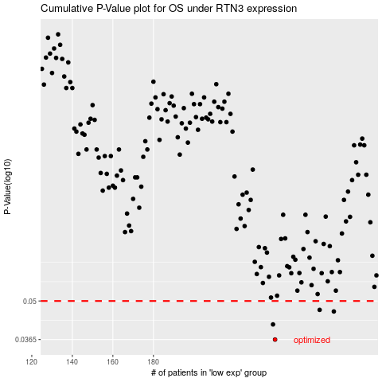

 |  |  |  |  |  | cases_OS | p_OS | rank | exp
 |  |  |  |  |  | 240 | 0.0365 | 225 | -0.049366042533
 |  |  |  |  |  | 239 | 0.0413 | 312 | -0.053210244167
 |  |  |  |  |  | 269 | 0.0459 | 87 | 0.11754176098
 |  |  |  |  |  | 262 | 0.0465 | 364 | 0.048672856462
 |  |  |  |  |  |  | cases_RFS | p_RFS | rank | exp
 |  |  |  |  |  |  | 239 | 0.0365 | 312 | -0.053210244167
 |  |  |  |  |  |  | 238 | 0.0413 | 34 | -0.053289320918
 |  |  |  |  |  |  | 268 | 0.0459 | 195 | 0.092106828324
 |  |  |  |  |  |  | 261 | 0.0465 | 29 | 0.038209027919

