RTN4 _multivariate
Reported by Tex Li-Hsing Chi. tex@gate.sinica.edu.tw 2019-08-16

Table 2. The clinicopathological features of HNSCC cohort and RTN4 expression. (Chi square test)
Cutoff at -0.344 (30.9%)
 |  | RTN4 expression |  | RTN4 expression |  | (Optimised)
 | Features | Low | (%) | High | (%) | Case no | P-value | Remark | Matthews
Gender | Female | 100 | 24.1 | 206 | 49.6 | 415 | 0.2163 | 0 | 0
2 | Male | 28 | 6.7 | 81 | 19.5
Age at diagnosis | <=65y | 89 | 21.4 | 185 | 44.6 | 415 | 0.3707 | 0 | 0
4 | >65y | 39 | 9.4 | 102 | 24.6
Clinical T Status | T1+T2 | 49 | 11.8 | 100 | 24.1 | 415 | 0.5731 | 0 | 0
6 | T3+T4 | 79 | 19 | 187 | 45.1
Clinical N Status | N0 | 59 | 14.2 | 157 | 37.8 | 415 | 0.1297 | 0 | 0
8 | N1-3 | 69 | 16.6 | 130 | 31.3
Clinical M Status | M0 | 128 | 30.8 | 284 | 68.4 | 415 | 0.5558 | 0 | 0
10 | M1 | 0 | 0 | 3 | 0.7
Clinical Stage | Stage I+II | 23 | 5.5 | 79 | 19 | 415 | 0.0494 | 1 | 0
12 | Stage III+IV | 105 | 25.3 | 208 | 50.1
Surgical Margin status | Negative | 97 | 23.4 | 221 | 53.3 | 415 | 0.8024 | 0 | 0
14 | Positive | 31 | 7.5 | 66 | 15.9
Tobacco Exposure | Low | 42 | 10.1 | 119 | 28.7 | 415 | 0.1026 | 0 | 0
16 | High | 86 | 20.7 | 168 | 40.5

Table 3. Univariate/Multivariate Cox's proportional hazards regression analyses on OS time of RTN4 gene expression in HNSCC

 |  | Univariate |  |  |  | Multivariate
 | Features | HR | CI95%(L) | CI95%(H) | P-value | HR | CI95%(L) | CI95%(H) | P-value
1 | Female | 1 |  |  |  | 1
Gender | Male | 1.157 | 0.843 | 1.587 | 0.367 | 1.142 | 0.816 | 1.597 | 0.439
11 | <=65y | 1 |  |  |  | 1
Age at diagnosis | >65y | 1.329 | 0.99 | 1.784 | 0.058 | 1.452 | 1.066 | 1.978 | 0.018
12 | T1+T2 | 1 |  |  |  | 1
Clinical T Status | T3+T4 | 1.409 | 1.028 | 1.931 | 0.033 | 1.908 | 1.002 | 3.632 | 0.049
13 | N0 | 1 |  |  |  | 1
Clinical N Status | N1-3 | 1.185 | 0.89 | 1.577 | 0.246 | 1.286 | 0.901 | 1.836 | 0.165
14 | M0 | 1 |  |  |  | 1
Clinical M Status | M1 | 4.097 | 1.009 | 16.644 | 0.049 | 6.896 | 1.49 | 31.921 | 0.014
15 | Stage I+II | 1 |  |  |  | 1
Clinical Stage | Stage III+IV | 1.245 | 0.882 | 1.759 | 0.213 | 0.626 | 0.288 | 1.362 | 0.238
16 | Negative | 1 |  |  |  | 1
Surgical Margin status | Positive | 1.591 | 1.155 | 2.191 | 0.004 | 1.638 | 1.186 | 2.262 | 0.003
17 | Low | 1 |  |  |  | 1
Tobacco Exposure | High | 1.364 | 1.008 | 1.844 | 0.044 | 1.509 | 1.094 | 2.083 | 0.012
18 | Low | 1 |  |  |  | 1
RNAseq(z-score) | High | 1.63 | 1.168 | 2.275 | 0.004 | 1.7 | 1.2 | 2.408 | 0.003

Table 4. Univariate/Multivariate Cox's proportional hazards regression analyses on RFS time of RTN4 gene expression in HNSCC

 |  | Univariate |  |  |  | Multivariate
 | Features | HR | CI95%(L) | CI95%(H) | P-value | HR | CI95%(L) | CI95%(H) | P-value
1 | Female | 1 |  |  |  | 1
Gender | Male | 1.157 | 0.843 | 1.587 | 0.367 | 1.142 | 0.816 | 1.597 | 0.439
11 | <=65y | 1 |  |  |  | 1
Age at diagnosis | >65y | 1.329 | 0.99 | 1.784 | 0.058 | 1.452 | 1.066 | 1.978 | 0.018
12 | T1+T2 | 1 |  |  |  | 1
Clinical T Status | T3+T4 | 1.409 | 1.028 | 1.931 | 0.033 | 1.908 | 1.002 | 3.632 | 0.049
13 | N0 | 1 |  |  |  | 1
Clinical N Status | N1-3 | 1.185 | 0.89 | 1.577 | 0.246 | 1.286 | 0.901 | 1.836 | 0.165
14 | M0 | 1 |  |  |  | 1
Clinical M Status | M1 | 4.097 | 1.009 | 16.644 | 0.049 | 6.896 | 1.49 | 31.921 | 0.014
15 | Stage I+II | 1 |  |  |  | 1
Clinical Stage | Stage III+IV | 1.245 | 0.882 | 1.759 | 0.213 | 0.626 | 0.288 | 1.362 | 0.238
16 | Negative | 1 |  |  |  | 1
Surgical Margin status | Positive | 1.591 | 1.155 | 2.191 | 0.004 | 1.638 | 1.186 | 2.262 | 0.003
17 | Low | 1 |  |  |  | 1
Tobacco Exposure | High | 1.364 | 1.008 | 1.844 | 0.044 | 1.509 | 1.094 | 2.083 | 0.012
18 | Low | 1 |  |  |  | 1
RNAseq(z-score) | High | 1.63 | 1.168 | 2.275 | 0.004 | 1.7 | 1.2 | 2.408 | 0.003

Kaplan-Meier survival estimate: Cutoff at -0.344 (30.9%)

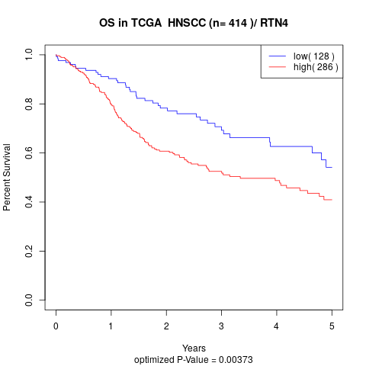

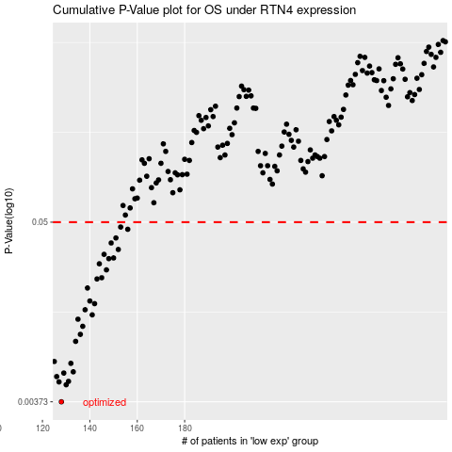

 |  |  |  |  |  | cases_OS | p_OS | rank | exp
 |  |  |  |  |  | 128 | 0.00373 | 113 | -0.34375999558
 |  |  |  |  |  | 130 | 0.00477 | 228 | -0.32327832211
 |  |  |  |  |  | 127 | 0.00497 | 149 | -0.34678408146
 |  |  |  |  |  | 131 | 0.00501 | 215 | -0.31994064226
 |  |  |  |  |  | 126 | 0.00537 | 19 | -0.3560423145
 |  |  |  |  |  | 129 | 0.00565 | 36 | -0.33913949232
 |  |  |  |  |  | 133 | 0.00575 | 394 | -0.31136617605
 |  |  |  |  |  | 132 | 0.0065 | 147 | -0.31891412277
 |  |  |  |  |  | 125 | 0.00668 | 158 | -0.36618581739
 |  |  |  |  |  | 134 | 0.00893 | 361 | -0.30927896059
 |  |  |  |  |  | 136 | 0.00988 | 243 | -0.30692165208
 |  |  |  |  |  | 137 | 0.0111 | 56 | -0.30304414174
 |  |  |  |  |  | 135 | 0.0123 | 135 | -0.30797045543
 |  |  |  |  |  | 141 | 0.0131 | 240 | -0.28870653175
 |  |  |  |  |  | 138 | 0.0141 | 339 | -0.30080465322
 |  |  |  |  |  | 142 | 0.0154 | 379 | -0.28851150845
 |  |  |  |  |  | 140 | 0.016 | 17 | -0.28908646368
 |  |  |  |  |  | 139 | 0.0193 | 136 | -0.29248439688
 |  |  |  |  |  | 143 | 0.022 | 338 | -0.28493483024
 |  |  |  |  |  | 145 | 0.0224 | 2 | -0.26127545449
 |  |  |  |  |  | 147 | 0.0251 | 142 | -0.2556605932
 |  |  |  |  |  | 144 | 0.0274 | 160 | -0.26480993561
 |  |  |  |  |  | 148 | 0.0295 | 265 | -0.25297341244
 |  |  |  |  |  | 150 | 0.0298 | 302 | -0.25020096824
 |  |  |  |  |  | 146 | 0.0314 | 128 | -0.25894461795
 |  |  |  |  |  | 152 | 0.0337 | 377 | -0.23049448866
 |  |  |  |  |  | 149 | 0.037 | 84 | -0.25021345353
 |  |  |  |  |  | 151 | 0.0398 | 15 | -0.24610156755
 |  |  |  |  |  | 156 | 0.0451 | 222 | -0.19636485909
 |  |  |  |  |  | 153 | 0.0466 | 191 | -0.22790825695
 |  |  |  |  |  |  | cases_RFS | p_RFS | rank | exp
 |  |  |  |  |  |  | 127 | 0.00373 | 149 | -0.34678408146
 |  |  |  |  |  |  | 129 | 0.00477 | 36 | -0.33913949232
 |  |  |  |  |  |  | 126 | 0.00497 | 19 | -0.3560423145
 |  |  |  |  |  |  | 130 | 0.00501 | 228 | -0.32327832211
 |  |  |  |  |  |  | 125 | 0.00537 | 158 | -0.36618581739
 |  |  |  |  |  |  | 128 | 0.00565 | 113 | -0.34375999558
 |  |  |  |  |  |  | 132 | 0.00575 | 147 | -0.31891412277
 |  |  |  |  |  |  | 131 | 0.0065 | 215 | -0.31994064226
 |  |  |  |  |  |  |  | 0.00668 | 172 | -0.37670755325
 |  |  |  |  |  |  | 133 | 0.00893 | 394 | -0.31136617605
 |  |  |  |  |  |  | 135 | 0.00988 | 135 | -0.30797045543
 |  |  |  |  |  |  | 136 | 0.0111 | 243 | -0.30692165208
 |  |  |  |  |  |  | 134 | 0.0123 | 361 | -0.30927896059
 |  |  |  |  |  |  | 140 | 0.0131 | 17 | -0.28908646368
 |  |  |  |  |  |  | 137 | 0.0141 | 56 | -0.30304414174
 |  |  |  |  |  |  | 141 | 0.0154 | 240 | -0.28870653175
 |  |  |  |  |  |  | 139 | 0.016 | 136 | -0.29248439688
 |  |  |  |  |  |  | 138 | 0.0193 | 339 | -0.30080465322
 |  |  |  |  |  |  | 142 | 0.022 | 379 | -0.28851150845
 |  |  |  |  |  |  | 144 | 0.0224 | 160 | -0.26480993561
 |  |  |  |  |  |  | 146 | 0.0251 | 128 | -0.25894461795
 |  |  |  |  |  |  | 143 | 0.0274 | 338 | -0.28493483024
 |  |  |  |  |  |  | 147 | 0.0295 | 142 | -0.2556605932
 |  |  |  |  |  |  | 149 | 0.0298 | 84 | -0.25021345353
 |  |  |  |  |  |  | 145 | 0.0314 | 2 | -0.26127545449
 |  |  |  |  |  |  | 151 | 0.0337 | 15 | -0.24610156755
 |  |  |  |  |  |  | 148 | 0.037 | 265 | -0.25297341244
 |  |  |  |  |  |  | 150 | 0.0398 | 302 | -0.25020096824
 |  |  |  |  |  |  | 155 | 0.0451 | 169 | -0.20032767237
 |  |  |  |  |  |  | 152 | 0.0466 | 377 | -0.23049448866

