RTN4RL2 _multivariate
Reported by Tex Li-Hsing Chi. tex@gate.sinica.edu.tw 2019-08-16

Table 2. The clinicopathological features of HNSCC cohort and RTN4RL2 expression. (Chi square test)
Cutoff at -0.306 (49.8%)
 |  | RTN4RL2 expression |  | RTN4RL2 expression |  | (Optimised)
 | Features | Low | (%) | High | (%) | Case no | P-value | Remark | Matthews
Gender | Female | 144 | 34.7 | 162 | 39 | 415 | 0.0697 | 0 | 0
2 | Male | 63 | 15.2 | 46 | 11.1
Age at diagnosis | <=65y | 136 | 32.8 | 138 | 33.3 | 415 | 0.9719 | 0 | 0
4 | >65y | 71 | 17.1 | 70 | 16.9
Clinical T Status | T1+T2 | 88 | 21.2 | 61 | 14.7 | 415 | 0.007 | 1 | 0
6 | T3+T4 | 119 | 28.7 | 147 | 35.4
Clinical N Status | N0 | 109 | 26.3 | 107 | 25.8 | 415 | 0.8812 | 0 | 0
8 | N1-3 | 98 | 23.6 | 101 | 24.3
Clinical M Status | M0 | 205 | 49.4 | 207 | 49.9 | 415 | 0.6232 | 0 | 0
10 | M1 | 2 | 0.5 | 1 | 0.2
Clinical Stage | Stage I+II | 59 | 14.2 | 43 | 10.4 | 415 | 0.0822 | 0 | 0
12 | Stage III+IV | 148 | 35.7 | 165 | 39.8
Surgical Margin status | Negative | 158 | 38.1 | 160 | 38.6 | 415 | 0.9081 | 0 | 0
14 | Positive | 49 | 11.8 | 48 | 11.6
Tobacco Exposure | Low | 99 | 23.9 | 62 | 14.9 | 415 | 2e-04 | 1 | 0
16 | High | 108 | 26 | 146 | 35.2

Table 3. Univariate/Multivariate Cox's proportional hazards regression analyses on OS time of RTN4RL2 gene expression in HNSCC

 |  | Univariate |  |  |  | Multivariate
 | Features | HR | CI95%(L) | CI95%(H) | P-value | HR | CI95%(L) | CI95%(H) | P-value
1 | Female | 1 |  |  |  | 1
Gender | Male | 1.157 | 0.843 | 1.587 | 0.367 | 1.204 | 0.862 | 1.681 | 0.277
11 | <=65y | 1 |  |  |  | 1
Age at diagnosis | >65y | 1.329 | 0.99 | 1.784 | 0.058 | 1.395 | 1.026 | 1.896 | 0.034
12 | T1+T2 | 1 |  |  |  | 1
Clinical T Status | T3+T4 | 1.409 | 1.028 | 1.931 | 0.033 | 2.175 | 1.147 | 4.124 | 0.017
13 | N0 | 1 |  |  |  | 1
Clinical N Status | N1-3 | 1.185 | 0.89 | 1.577 | 0.246 | 1.246 | 0.873 | 1.779 | 0.226
14 | M0 | 1 |  |  |  | 1
Clinical M Status | M1 | 4.097 | 1.009 | 16.644 | 0.049 | 9.37 | 2.044 | 42.948 | 0.004
15 | Stage I+II | 1 |  |  |  | 1
Clinical Stage | Stage III+IV | 1.245 | 0.882 | 1.759 | 0.213 | 0.509 | 0.237 | 1.093 | 0.083
16 | Negative | 1 |  |  |  | 1
Surgical Margin status | Positive | 1.591 | 1.155 | 2.191 | 0.004 | 1.664 | 1.204 | 2.301 | 0.002
17 | Low | 1 |  |  |  | 1
Tobacco Exposure | High | 1.364 | 1.008 | 1.844 | 0.044 | 1.436 | 1.038 | 1.988 | 0.029
18 | Low | 1 |  |  |  | 1
RNAseq(z-score) | High | 1.147 | 0.86 | 1.528 | 0.35 | 1.064 | 0.792 | 1.43 | 0.679

Table 4. Univariate/Multivariate Cox's proportional hazards regression analyses on RFS time of RTN4RL2 gene expression in HNSCC

 |  | Univariate |  |  |  | Multivariate
 | Features | HR | CI95%(L) | CI95%(H) | P-value | HR | CI95%(L) | CI95%(H) | P-value
1 | Female | 1 |  |  |  | 1
Gender | Male | 1.157 | 0.843 | 1.587 | 0.367 | 1.204 | 0.862 | 1.681 | 0.277
11 | <=65y | 1 |  |  |  | 1
Age at diagnosis | >65y | 1.329 | 0.99 | 1.784 | 0.058 | 1.395 | 1.026 | 1.896 | 0.034
12 | T1+T2 | 1 |  |  |  | 1
Clinical T Status | T3+T4 | 1.409 | 1.028 | 1.931 | 0.033 | 2.175 | 1.147 | 4.124 | 0.017
13 | N0 | 1 |  |  |  | 1
Clinical N Status | N1-3 | 1.185 | 0.89 | 1.577 | 0.246 | 1.246 | 0.873 | 1.779 | 0.226
14 | M0 | 1 |  |  |  | 1
Clinical M Status | M1 | 4.097 | 1.009 | 16.644 | 0.049 | 9.37 | 2.044 | 42.948 | 0.004
15 | Stage I+II | 1 |  |  |  | 1
Clinical Stage | Stage III+IV | 1.245 | 0.882 | 1.759 | 0.213 | 0.509 | 0.237 | 1.093 | 0.083
16 | Negative | 1 |  |  |  | 1
Surgical Margin status | Positive | 1.591 | 1.155 | 2.191 | 0.004 | 1.664 | 1.204 | 2.301 | 0.002
17 | Low | 1 |  |  |  | 1
Tobacco Exposure | High | 1.364 | 1.008 | 1.844 | 0.044 | 1.436 | 1.038 | 1.988 | 0.029
18 | Low | 1 |  |  |  | 1
RNAseq(z-score) | High | 1.147 | 0.86 | 1.528 | 0.35 | 1.064 | 0.792 | 1.43 | 0.679

Kaplan-Meier survival estimate: Cutoff at -0.306 (49.8%)



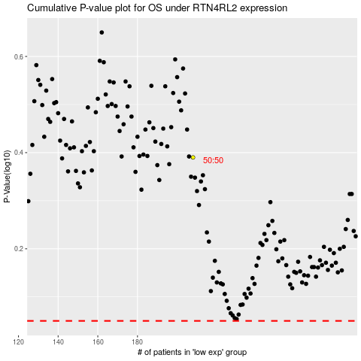

 |  |  |  |  |  | cases_OS | p_OS | rank | exp
 |  |  |  |  |  |  | cases_RFS | p_RFS | rank | exp

