RTTN _multivariate
Reported by Tex Li-Hsing Chi. tex@gate.sinica.edu.tw 2019-08-16

Table 2. The clinicopathological features of HNSCC cohort and RTTN expression. (Chi square test)
Cutoff at 0.043 (65.7%)
 |  | RTTN expression |  | RTTN expression |  | (Optimised)
 | Features | Low | (%) | High | (%) | Case no | P-value | Remark | Matthews
Gender | Female | 201 | 48.4 | 105 | 25.3 | 415 | 1 | 0 | 0
2 | Male | 71 | 17.1 | 38 | 9.2
Age at diagnosis | <=65y | 183 | 44.1 | 91 | 21.9 | 415 | 0.525 | 0 | 0
4 | >65y | 89 | 21.4 | 52 | 12.5
Clinical T Status | T1+T2 | 91 | 21.9 | 58 | 14 | 415 | 0.1849 | 0 | 0
6 | T3+T4 | 181 | 43.6 | 85 | 20.5
Clinical N Status | N0 | 148 | 35.7 | 68 | 16.4 | 415 | 0.2203 | 0 | 0
8 | N1-3 | 124 | 29.9 | 75 | 18.1
Clinical M Status | M0 | 271 | 65.3 | 141 | 34 | 415 | 0.2739 | 0 | 0
10 | M1 | 1 | 0.2 | 2 | 0.5
Clinical Stage | Stage I+II | 62 | 14.9 | 40 | 9.6 | 415 | 0.2963 | 0 | 0
12 | Stage III+IV | 210 | 50.6 | 103 | 24.8
Surgical Margin status | Negative | 212 | 51.1 | 106 | 25.5 | 415 | 0.3948 | 0 | 0
14 | Positive | 60 | 14.5 | 37 | 8.9
Tobacco Exposure | Low | 96 | 23.1 | 65 | 15.7 | 415 | 0.045 | 1 | 0
16 | High | 176 | 42.4 | 78 | 18.8

Table 3. Univariate/Multivariate Cox's proportional hazards regression analyses on OS time of RTTN gene expression in HNSCC

 |  | Univariate |  |  |  | Multivariate
 | Features | HR | CI95%(L) | CI95%(H) | P-value | HR | CI95%(L) | CI95%(H) | P-value
1 | Female | 1 |  |  |  | 1
Gender | Male | 1.157 | 0.843 | 1.587 | 0.367 | 1.197 | 0.856 | 1.675 | 0.292
11 | <=65y | 1 |  |  |  | 1
Age at diagnosis | >65y | 1.329 | 0.99 | 1.784 | 0.058 | 1.365 | 1.003 | 1.859 | 0.048
12 | T1+T2 | 1 |  |  |  | 1
Clinical T Status | T3+T4 | 1.409 | 1.028 | 1.931 | 0.033 | 2.316 | 1.224 | 4.381 | 0.01
13 | N0 | 1 |  |  |  | 1
Clinical N Status | N1-3 | 1.185 | 0.89 | 1.577 | 0.246 | 1.182 | 0.828 | 1.688 | 0.356
14 | M0 | 1 |  |  |  | 1
Clinical M Status | M1 | 4.097 | 1.009 | 16.644 | 0.049 | 8.704 | 1.895 | 39.967 | 0.005
15 | Stage I+II | 1 |  |  |  | 1
Clinical Stage | Stage III+IV | 1.245 | 0.882 | 1.759 | 0.213 | 0.509 | 0.237 | 1.094 | 0.084
16 | Negative | 1 |  |  |  | 1
Surgical Margin status | Positive | 1.591 | 1.155 | 2.191 | 0.004 | 1.632 | 1.181 | 2.256 | 0.003
17 | Low | 1 |  |  |  | 1
Tobacco Exposure | High | 1.364 | 1.008 | 1.844 | 0.044 | 1.589 | 1.145 | 2.205 | 0.006
18 | Low | 1 |  |  |  | 1
RNAseq(z-score) | High | 1.505 | 1.118 | 2.025 | 0.007 | 1.623 | 1.192 | 2.211 | 0.002

Table 4. Univariate/Multivariate Cox's proportional hazards regression analyses on RFS time of RTTN gene expression in HNSCC

 |  | Univariate |  |  |  | Multivariate
 | Features | HR | CI95%(L) | CI95%(H) | P-value | HR | CI95%(L) | CI95%(H) | P-value
1 | Female | 1 |  |  |  | 1
Gender | Male | 1.157 | 0.843 | 1.587 | 0.367 | 1.197 | 0.856 | 1.675 | 0.292
11 | <=65y | 1 |  |  |  | 1
Age at diagnosis | >65y | 1.329 | 0.99 | 1.784 | 0.058 | 1.365 | 1.003 | 1.859 | 0.048
12 | T1+T2 | 1 |  |  |  | 1
Clinical T Status | T3+T4 | 1.409 | 1.028 | 1.931 | 0.033 | 2.316 | 1.224 | 4.381 | 0.01
13 | N0 | 1 |  |  |  | 1
Clinical N Status | N1-3 | 1.185 | 0.89 | 1.577 | 0.246 | 1.182 | 0.828 | 1.688 | 0.356
14 | M0 | 1 |  |  |  | 1
Clinical M Status | M1 | 4.097 | 1.009 | 16.644 | 0.049 | 8.704 | 1.895 | 39.967 | 0.005
15 | Stage I+II | 1 |  |  |  | 1
Clinical Stage | Stage III+IV | 1.245 | 0.882 | 1.759 | 0.213 | 0.509 | 0.237 | 1.094 | 0.084
16 | Negative | 1 |  |  |  | 1
Surgical Margin status | Positive | 1.591 | 1.155 | 2.191 | 0.004 | 1.632 | 1.181 | 2.256 | 0.003
17 | Low | 1 |  |  |  | 1
Tobacco Exposure | High | 1.364 | 1.008 | 1.844 | 0.044 | 1.589 | 1.145 | 2.205 | 0.006
18 | Low | 1 |  |  |  | 1
RNAseq(z-score) | High | 1.505 | 1.118 | 2.025 | 0.007 | 1.623 | 1.192 | 2.211 | 0.002

Kaplan-Meier survival estimate: Cutoff at 0.043 (65.7%)

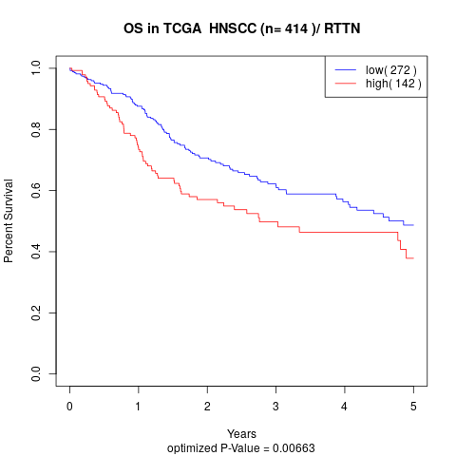

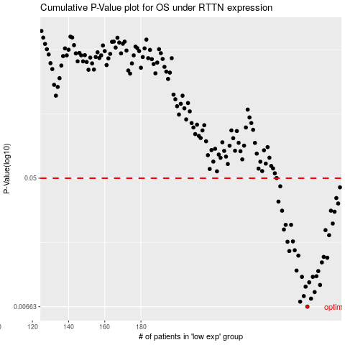

 |  |  |  |  |  | cases_OS | p_OS | rank | exp
 |  |  |  |  |  | 272 | 0.00663 | 67 | 0.043123645837
 |  |  |  |  |  | 268 | 0.00717 | 364 | 0.020990078378
 |  |  |  |  |  | 274 | 0.00752 | 385 | 0.055388998201
 |  |  |  |  |  | 270 | 0.00783 | 366 | 0.037512926963
 |  |  |  |  |  | 276 | 0.00834 | 90 | 0.05688205386
 |  |  |  |  |  | 271 | 0.00908 | 152 | 0.037857676544
 |  |  |  |  |  | 279 | 0.00933 | 58 | 0.07541089393
 |  |  |  |  |  | 273 | 0.00972 | 170 | 0.052316538388
 |  |  |  |  |  | 269 | 0.0106 | 139 | 0.032173497012
 |  |  |  |  |  | 275 | 0.0106 | 290 | 0.056169356597
 |  |  |  |  |  | 277 | 0.0107 | 72 | 0.068397978632
 |  |  |  |  |  | 278 | 0.0116 | 311 | 0.070741631387
 |  |  |  |  |  | 266 | 0.0117 | 249 | 0.016774145424
 |  |  |  |  |  | 280 | 0.0133 | 254 | 0.077568317472
 |  |  |  |  |  | 283 | 0.0143 | 12 | 0.096885570835
 |  |  |  |  |  | 281 | 0.0145 | 344 | 0.083626566409
 |  |  |  |  |  | 267 | 0.0148 | 270 | 0.017038023842
 |  |  |  |  |  | 262 | 0.0159 | 225 | 0.0038524800739
 |  |  |  |  |  | 265 | 0.0161 | 141 | 0.013279609023
 |  |  |  |  |  | 261 | 0.0184 | 312 | -0.0001740017086
 |  |  |  |  |  | 264 | 0.0185 | 388 | 0.0082114679937
 |  |  |  |  |  | 284 | 0.0204 | 222 | 0.11466208355
 |  |  |  |  |  | 282 | 0.0221 | 255 | 0.084535803153
 |  |  |  |  |  | 259 | 0.0223 | 243 | -0.0144965747
 |  |  |  |  |  | 260 | 0.024 | 6 | -0.0081290177291
 |  |  |  |  |  | 263 | 0.024 | 327 | 0.0042439480554
 |  |  |  |  |  | 286 | 0.0245 | 87 | 0.13156254569
 |  |  |  |  |  | 287 | 0.0295 | 4 | 0.13173975342
 |  |  |  |  |  | 258 | 0.03 | 109 | -0.016120119687
 |  |  |  |  |  | 285 | 0.03 | 335 | 0.13099000363
 |  |  |  |  |  | 289 | 0.0336 | 77 | 0.13520497
 |  |  |  |  |  | 256 | 0.0346 | 143 | -0.019427460289
 |  |  |  |  |  | 288 | 0.0366 | 319 | 0.1325842288
 |  |  |  |  |  | 290 | 0.0433 | 185 | 0.15683236775
 |  |  |  |  |  | 257 | 0.044 | 57 | -0.017631862707
 |  |  |  |  |  |  | cases_RFS | p_RFS | rank | exp
 |  |  |  |  |  |  | 271 | 0.00663 | 152 | 0.037857676544
 |  |  |  |  |  |  | 267 | 0.00717 | 270 | 0.017038023842
 |  |  |  |  |  |  | 273 | 0.00752 | 170 | 0.052316538388
 |  |  |  |  |  |  | 269 | 0.00783 | 139 | 0.032173497012
 |  |  |  |  |  |  | 275 | 0.00834 | 290 | 0.056169356597
 |  |  |  |  |  |  | 270 | 0.00908 | 366 | 0.037512926963
 |  |  |  |  |  |  | 278 | 0.00933 | 311 | 0.070741631387
 |  |  |  |  |  |  | 272 | 0.00972 | 67 | 0.043123645837
 |  |  |  |  |  |  | 268 | 0.0106 | 364 | 0.020990078378
 |  |  |  |  |  |  | 274 | 0.0106 | 385 | 0.055388998201
 |  |  |  |  |  |  | 276 | 0.0107 | 90 | 0.05688205386
 |  |  |  |  |  |  | 277 | 0.0116 | 72 | 0.068397978632
 |  |  |  |  |  |  | 265 | 0.0117 | 141 | 0.013279609023
 |  |  |  |  |  |  | 279 | 0.0133 | 58 | 0.07541089393
 |  |  |  |  |  |  | 282 | 0.0143 | 255 | 0.084535803153
 |  |  |  |  |  |  | 280 | 0.0145 | 254 | 0.077568317472
 |  |  |  |  |  |  | 266 | 0.0148 | 249 | 0.016774145424
 |  |  |  |  |  |  | 261 | 0.0159 | 312 | -0.0001740017086
 |  |  |  |  |  |  | 264 | 0.0161 | 388 | 0.0082114679937
 |  |  |  |  |  |  | 260 | 0.0184 | 6 | -0.0081290177291
 |  |  |  |  |  |  | 263 | 0.0185 | 327 | 0.0042439480554
 |  |  |  |  |  |  | 283 | 0.0204 | 12 | 0.096885570835
 |  |  |  |  |  |  | 281 | 0.0221 | 344 | 0.083626566409
 |  |  |  |  |  |  | 258 | 0.0223 | 109 | -0.016120119687
 |  |  |  |  |  |  | 262 | 0.024 | 225 | 0.0038524800739
 |  |  |  |  |  |  | 259 | 0.024 | 243 | -0.0144965747
 |  |  |  |  |  |  | 285 | 0.0245 | 335 | 0.13099000363
 |  |  |  |  |  |  | 286 | 0.0295 | 87 | 0.13156254569
 |  |  |  |  |  |  | 257 | 0.03 | 57 | -0.017631862707
 |  |  |  |  |  |  | 284 | 0.03 | 222 | 0.11466208355
 |  |  |  |  |  |  | 288 | 0.0336 | 319 | 0.1325842288
 |  |  |  |  |  |  | 255 | 0.0346 | 63 | -0.019688761139
 |  |  |  |  |  |  | 287 | 0.0366 | 4 | 0.13173975342
 |  |  |  |  |  |  | 289 | 0.0433 | 77 | 0.13520497
 |  |  |  |  |  |  | 256 | 0.044 | 143 | -0.019427460289

